Cleanup
FROM: | Mark Biegert
SUBJECT: | Cleanup and Crosscheck
DATE: | 07-May-2023
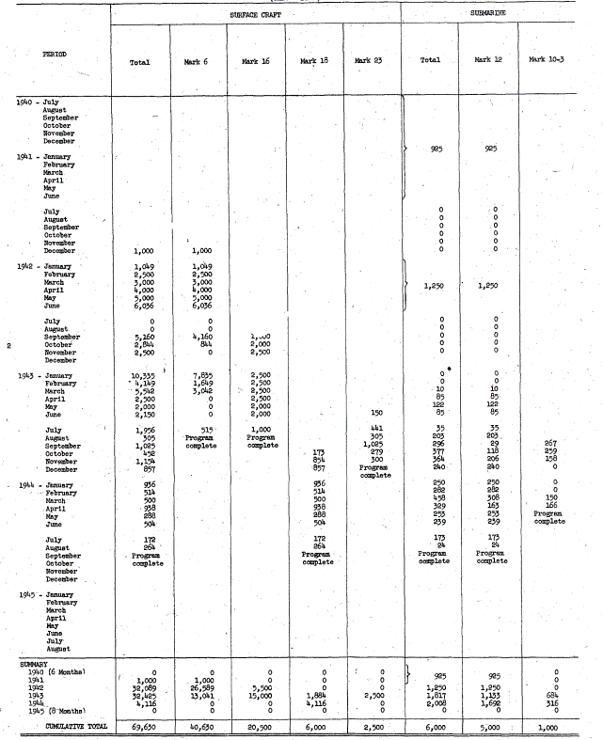
 | Mine Units |  | Type | Mark
 |  |  | SUBMARINE |  | SUBMARINE Total | SURFACE CRAFT |  |  |  | SURFACE CRAFT Total | Grand Total
 | Date (Year) | Date (Month) | Mark 10-3 | Mark 12 |  | Mark 16 | Mark 18 | Mark 23 | Mark 6
 | 1940 |  | 0 | 0 | 0 | 0 | 0 | 0 | 0 | 0 | 0
 |  | Jul | 0 | 0 | 0 | 0 | 0 | 0 | 0 | 0 | 0
 |  | Aug | 0 | 0 | 0 | 0 | 0 | 0 | 0 | 0 | 0
 |  | Sep | 0 | 0 | 0 | 0 | 0 | 0 | 0 | 0 | 0
 |  | Oct | 0 | 0 | 0 | 0 | 0 | 0 | 0 | 0 | 0
 |  | Nov | 0 | 0 | 0 | 0 | 0 | 0 | 0 | 0 | 0
 |  | Dec | 0 | 0 | 0 | 0 | 0 | 0 | 0 | 0 | 0
 | 1941 |  | 0 | 925 | 925 | 0 | 0 | 0 | 1,000 | 1,000 | 1,925
 |  | Jan | 0 | 925 | 925 | 0 | 0 | 0 | 0 | 0 | 925
 |  | Feb | 0 | 0 | 0 | 0 | 0 | 0 | 0 | 0 | 0
 |  | Mar | 0 | 0 | 0 | 0 | 0 | 0 | 0 | 0 | 0
 |  | Apr | 0 | 0 | 0 | 0 | 0 | 0 | 0 | 0 | 0
 |  | May | 0 | 0 | 0 | 0 | 0 | 0 | 0 | 0 | 0
 |  | Jun | 0 | 0 | 0 | 0 | 0 | 0 | 0 | 0 | 0
 |  | Jul | 0 | 0 | 0 | 0 | 0 | 0 | 0 | 0 | 0
 |  | Aug | 0 | 0 | 0 | 0 | 0 | 0 | 0 | 0 | 0
 |  | Sep | 0 | 0 | 0 | 0 | 0 | 0 | 0 | 0 | 0
 |  | Oct | 0 | 0 | 0 | 0 | 0 | 0 | 0 | 0 | 0
 |  | Nov | 0 | 0 | 0 | 0 | 0 | 0 | 0 | 0 | 0
 |  | Dec | 0 | 0 | 0 | 0 | 0 | 0 | 1,000 | 1,000 | 1,000
 | 1942 |  | 0 | 1,250 | 1,250 | 5,500 | 0 | 0 | 26,589 | 32,089 | 33,339
 |  | Jan | 0 | 0 | 0 | 0 | 0 | 0 | 1,049 | 1,049 | 1,049
 |  | Feb | 0 | 0 | 0 | 0 | 0 | 0 | 2,500 | 2,500 | 2,500
 |  | Mar | 0 | 1,250 | 1,250 | 0 | 0 | 0 | 3,000 | 3,000 | 4,250
 |  | Apr | 0 | 0 | 0 | 0 | 0 | 0 | 4,000 | 4,000 | 4,000
 |  | May | 0 | 0 | 0 | 0 | 0 | 0 | 5,000 | 5,000 | 5,000
 |  | Jun | 0 | 0 | 0 | 0 | 0 | 0 | 6,036 | 6,036 | 6,036
 |  | Jul | 0 | 0 | 0 | 0 | 0 | 0 | 0 | 0 | 0
 |  | Aug | 0 | 0 | 0 | 0 | 0 | 0 | 0 | 0 | 0
 |  | Sep | 0 | 0 | 0 | 1,000 | 0 | 0 | 4,160 | 5,160 | 5,160
 |  | Oct | 0 | 0 | 0 | 2,000 | 0 | 0 | 844 | 2,844 | 2,844
 |  | Nov | 0 | 0 | 0 | 2,500 | 0 | 0 | 0 | 2,500 | 2,500
 |  | Dec | 0 | 0 | 0 | 0 | 0 | 0 | 0 | 0 | 0
 | 1943 |  | 684 | 1,133 | 1,817 | 15,000 | 1,884 | 2,500 | 13,041 | 32,425 | 34,242
 |  | Jan | 0 | 0 | 0 | 2,500 | 0 | 0 | 7,835 | 10,335 | 10,335
 |  | Feb | 0 | 0 | 0 | 2,500 | 0 | 0 | 1,649 | 4,149 | 4,149
 |  | Mar | 0 | 10 | 10 | 2,500 | 0 | 0 | 3,042 | 5,542 | 5,552
 |  | Apr | 0 | 85 | 85 | 2,500 | 0 | 0 | 0 | 2,500 | 2,585
 |  | May | 0 | 122 | 122 | 2,000 | 0 | 0 | 0 | 2,000 | 2,122
 |  | Jun | 0 | 85 | 85 | 2,000 | 0 | 150 | 0 | 2,150 | 2,235
 |  | Jul | 0 | 35 | 35 | 1,000 | 0 | 441 | 515 | 1,956 | 1,991
 |  | Aug | 0 | 203 | 203 | 0 | 0 | 305 | 0 | 305 | 508
 |  | Sep | 267 | 29 | 296 | 0 | 0 | 1,025 | 0 | 1,025 | 1,321
 |  | Oct | 259 | 118 | 377 | 0 | 173 | 279 | 0 | 452 | 829
 |  | Nov | 158 | 206 | 364 | 0 | 854 | 300 | 0 | 1,154 | 1,518
 |  | Dec | 0 | 240 | 240 | 0 | 857 | 0 | 0 | 857 | 1,097
 | 1944 |  | 316 | 1,692 | 2,008 | 0 | 4,116 | 0 | 0 | 4,116 | 6,124
 |  | Jan | 0 | 250 | 250 | 0 | 936 | 0 | 0 | 936 | 1,186
 |  | Feb | 0 | 282 | 282 | 0 | 514 | 0 | 0 | 514 | 796
 |  | Mar | 150 | 308 | 458 | 0 | 500 | 0 | 0 | 500 | 958
 |  | Apr | 166 | 163 | 329 | 0 | 938 | 0 | 0 | 938 | 1,267
 |  | May | 0 | 253 | 253 | 0 | 288 | 0 | 0 | 288 | 541
 |  | Jun | 0 | 239 | 239 | 0 | 504 | 0 | 0 | 504 | 743
 |  | Jul | 0 | 173 | 173 | 0 | 172 | 0 | 0 | 172 | 345
 |  | Aug | 0 | 24 | 24 | 0 | 264 | 0 | 0 | 264 | 288
 |  | Sep | 0 | 0 | 0 | 0 | 0 | 0 | 0 | 0 | 0
 |  | Oct | 0 | 0 | 0 | 0 | 0 | 0 | 0 | 0 | 0
 |  | Nov | 0 | 0 | 0 | 0 | 0 | 0 | 0 | 0 | 0
 |  | Dec | 0 | 0 | 0 | 0 | 0 | 0 | 0 | 0 | 0
 | 1945 |  | 0 | 0 | 0 | 0 | 0 | 0 | 0 | 0 | 0
 |  | Jan | 0 | 0 | 0 | 0 | 0 | 0 | 0 | 0 | 0
 |  | Feb | 0 | 0 | 0 | 0 | 0 | 0 | 0 | 0 | 0
 |  | Mar | 0 | 0 | 0 | 0 | 0 | 0 | 0 | 0 | 0
 |  | Apr | 0 | 0 | 0 | 0 | 0 | 0 | 0 | 0 | 0
 |  | May | 0 | 0 | 0 | 0 | 0 | 0 | 0 | 0 | 0
 |  | Jun | 0 | 0 | 0 | 0 | 0 | 0 | 0 | 0 | 0
 |  | Jul | 0 | 0 | 0 | 0 | 0 | 0 | 0 | 0 | 0
 |  | Aug | 0 | 0 | 0 | 0 | 0 | 0 | 0 | 0 | 0
 | Grand Total |  | 1,000 | 5,000 | 6,000 | 20,500 | 6,000 | 2,500 | 40,630 | 69,630 | 75,630

 |  |  |  |  |  |  |  |  |  |  |  | Summary Comparison

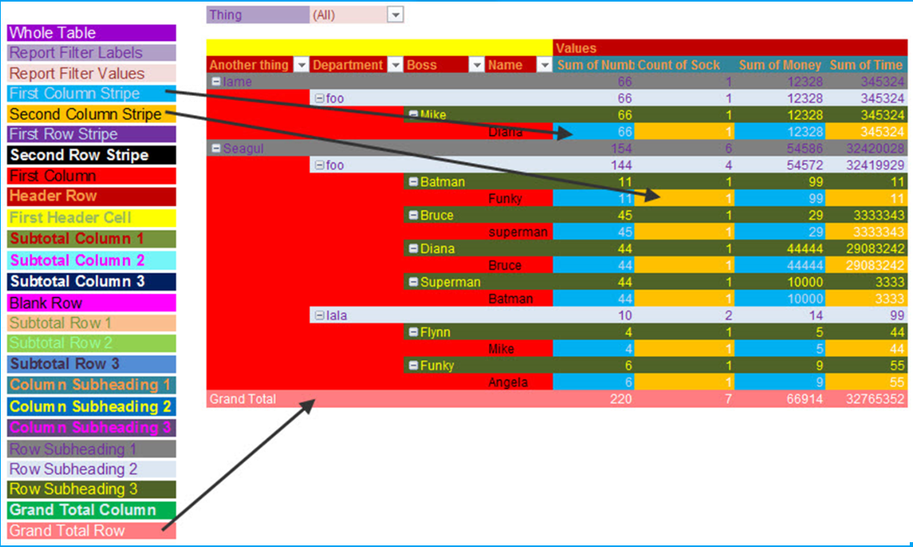
 |  |  |  |  |  |  |  |  |  |  |  | Units | Type | Mark
 |  |  |  |  |  |  |  |  |  |  |  |  | SURFACE CRAFT Total | SURFACE CRAFT |  |  |  | SUBMARINE Total | SUBMARINE
 |  |  |  |  |  |  |  |  |  |  |  | Date (Year) | 0 | Mark 6 | Mark 16 | Mark 18 | Mark 23 | 0 | Mark 12 | Mark 10-3
 |  |  |  |  |  |  |  |  |  |  |  | 1940 | 0 | 0 | 0 | 0 | 0 | 0 | 0 | 0
 |  |  |  |  |  |  |  |  |  |  |  | 1941 | 1000 | 1000 | 0 | 0 | 0 | 925 | 925 | 0
 |  |  |  |  |  |  |  |  |  |  |  | 1942 | 32089 | 26589 | 5500 | 0 | 0 | 1250 | 1250 | 0
 |  |  |  |  |  |  |  |  |  |  |  | 1943 | 32425 | 13041 | 15000 | 1884 | 2500 | 1817 | 1133 | 684
 |  |  |  |  |  |  |  |  |  |  |  | 1944 | 4116 | 0 | 0 | 4116 | 0 | 2008 | 1692 | 316
 |  |  |  |  |  |  |  |  |  |  |  | 1945 | 0 | 0 | 0 | 0 | 0 | 0 | 0 | 0
 |  |  |  |  |  |  |  |  |  |  |  | Grand Total | 69630 | 40630 | 20500 | 6000 | 2500 | 6000 | 5000 | 1000

