Report
FROM: | Mark Biegert
SUBJECT:
DATE: | 17-Dec-2023
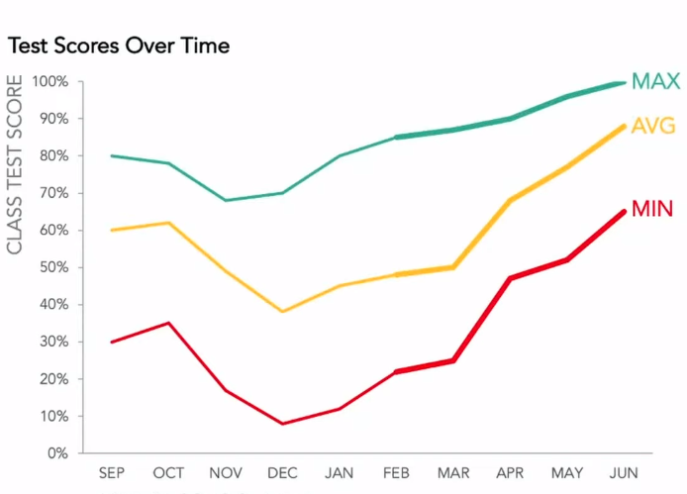

 |  |  | MAX | AVG | MIN | P1 | P2 | P3 | P4 | MAX | MIN
 |  | SEP | 0.8 | 0.6 | 0.3 | 0.6 | 0.6 | 0.6 | 0.6 | #N/A | #N/A
 |  | OCT | 0.77 | 0.62 | 0.35 | #N/A | 0.62 | 0.62 | 0.62 | #N/A | #N/A
 |  | NOV | 0.65 | 0.45 | 0.17 | #N/A | 0.45 | 0.45 | 0.45 | #N/A | #N/A
 |  | DEC | 0.7 | 0.38 | 0.08 | #N/A | 0.38 | 0.38 | 0.38 | #N/A | #N/A
 |  | JAN | 0.8 | 0.44 | 0.12 | #N/A | #N/A | 0.44 | 0.44 | #N/A | #N/A
 |  | FEB | 0.85 | 0.46 | 0.21 | #N/A | #N/A | 0.46 | 0.46 | #N/A | #N/A
 |  | MAR | 0.84 | 0.48 | 0.23 | #N/A | #N/A | 0.48 | 0.48 | #N/A | #N/A
 |  | APR | 0.86 | 0.6 | 0.42 | #N/A | #N/A | #N/A | 0.6 | #N/A | #N/A
 |  | MAY | 0.9 | 0.75 | 0.48 | #N/A | #N/A | #N/A | #N/A | #N/A | #N/A
 |  | JUN | 0.95 | 0.84 | 0.6 | #N/A | #N/A | #N/A | #N/A | 0.95 | 0.6

 |  | SEP | SEP
 |  | OCT | OCT
 |  | NOV | NOV
 |  | DEC | DEC
 |  | JAN | JAN
 |  | FEB | FEB
 |  | MAR | MAR
 |  | APR | APR
 |  | MAY | MAY
 |  | JUN | JUN

Formats

FROM: | Mark Biegert
SUBJECT:
DATE: | 17-Dec-2023

Table Formats

 | Category A | Category B | Category C | Value
 | A | 1 | a | 1
 | A | 2 | b | 2
 | B | 1 | a | 3
 | B | 2 | b | 4
 | C | 1 | a | 5
 | C | 2 | b | 6

 | Sum of Value |  | Category C
 | Category A | Category B | a | b | Grand Total
 | A
 |  | 1 | 1 |  | 1
 |  | 2 |  | 2 | 2
 | B
 |  | 1 | 3 |  | 3
 |  | 2 |  | 4 | 4
 | C
 |  | 1 | 5 |  | 5
 |  | 2 |  | 6 | 6
 | Grand Total |  | 9 | 12 | 21

Tab Colors

 | Data Tabs
 | Report Tabs
 | Analysis Tabs
 | Metadata Tabs

