Frequency
There are three cases where the frequency function is used:
 Generate a histogram using (,] ranges, with lower range (-inf,] and top range [,inf)
 By negating bins and data, generate a histogram using [,) ranges, with lower range [-inf,) and top range [,inf]
 If you set the data and bin ranges equal, you get a frequency count of the number of times every item occurs (0s after first occurrence).
 |  |  |  | 22
Store Name | Stock ID Number |  | Sale
Store #1 | 225642485 | $ | 7,843
Store #4 | 21548 | $ | 452
Store #3 | 225642485 | $ | 9,656
Store #1 | 35486548798 | $ | 3,547
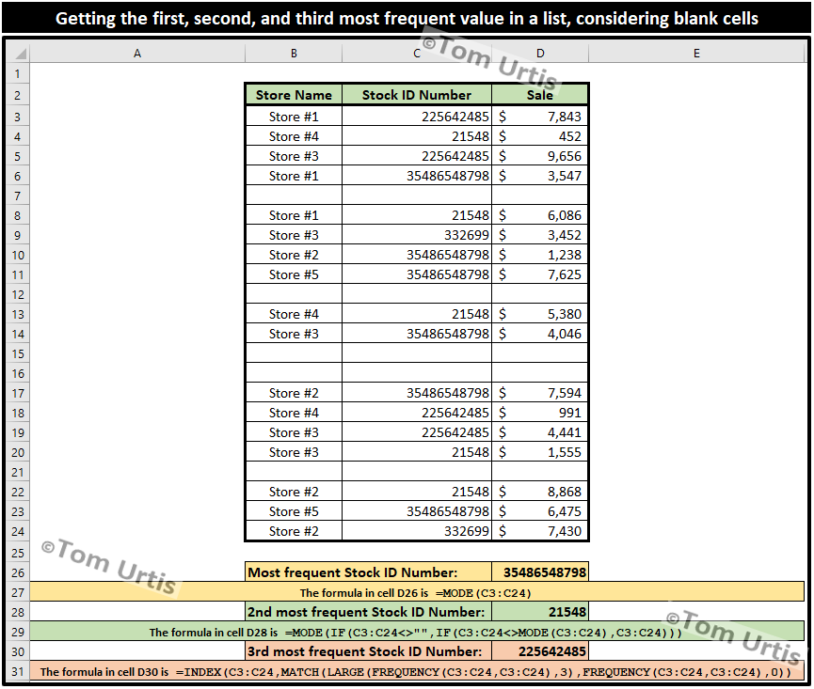
Store #1 | 21548 | $ | 6,086
Store #3 | 332699 | $ | 3,452
Store #2 | 35486548798 | $ | 1,238
Store #5 | 35486548798 | $ | 7,625

Store #4 | 21548 | $ | 5,380
Store #3 | 35486548798 | $ | 4,046 |  | My Rif:

 |  |  |  |  | 4 | 225642485 | 225642485 | 225642485 | 4
Store #2 | 35486548798 | $ | 7,594 |  | 5 | 21548 | 21548 | 21548 | 5
Store #4 | 225642485 | $ | 991 |  | 0 | 225642485 | 35486548798 | 35486548798 | 6
Store #3 | 225642485 | $ | 4,441 |  | 6 | 35486548798 | 332699 | 332699 | 2
Store #3 | 21548 | $ | 1,555 |  | 0 | 21548
 |  |  |  |  | 2 | 332699
Store #2 | 21548 | $ | 8,868 |  | 0 | 35486548798
Store #5 | 35486548798 | $ | 6,475 |  | 0 | 35486548798 |  | 225642485 | 4
Store #2 | 332699 | $ | 7,430 |  | 0 | 21548 |  | 21548 | 5
 |  |  |  |  | 0 | 35486548798 |  | 35486548798 | 6
 |  |  |  |  | 0 | 35486548798 |  | 332699 | 2
35486548798 |  |  |  |  | 0 | 225642485
 |  |  |  |  | 0 | 225642485
21548 |  |  |  |  | 0 | 21548
 |  |  |  |  | 0 | 21548
225642485 |  |  |  |  | 0 | 35486548798
 |  |  |  |  | 0 | 332699
 |  |  |  |  | 0
Always have one extra cell
0

MATCH finds the first value that is exactly equal to lookup_value. The values in the lookup_array argument can be in any order.

 | 0

 | MATCH finds the first value that is exactly equal to lookup_value. The values in the lookup_array argument can be in any order.

SpecialCellSearch
FROM: | Mark Biegert
SUBJECT: | Finding Spell Numbers
DATE: | 14-Apr-24
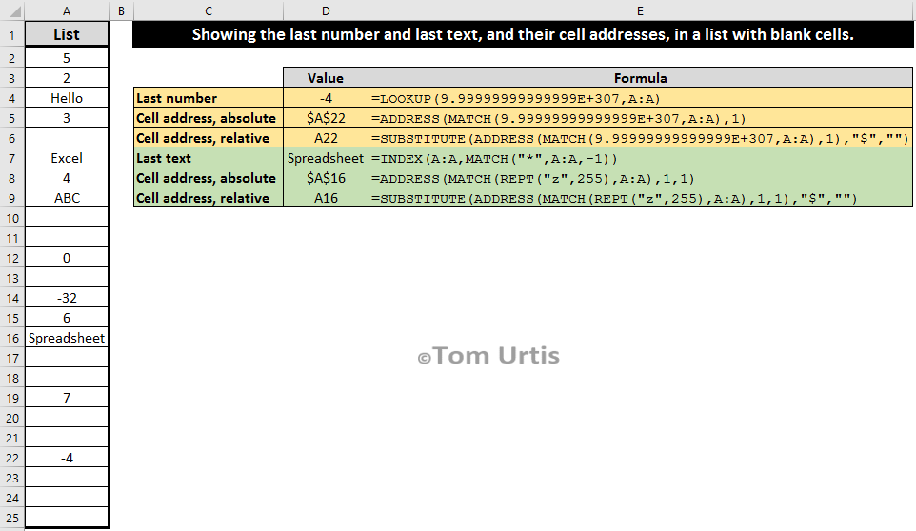

 | List |  | Value
1 | 5 | Last Number | -4 | =LOOKUP(9.9999999999999E+307,_nList)
2 | 2 | Cell Address, Absolute | $A$20 | =ADDRESS(MATCH(9.999999999E+307,_nList),1) | Actually, it is is relative within list
3 | Hello | Cell Address, Relative | A20 | =SUBSTITUTE(ADDRESS(MATCH(9.999999999E+307,_nList),1),"$","")
4 | 3 | Last Text | Spreadsheet | =INDEX(_nList,MATCH("*",_nList,-1))
5 |  | Cell address, absolute | $A$15 | =ADDRESS(MATCH(REPT("z",255),_nList),1,1)
6 | Excel | Cell address, relative | A15 | =SUBSTITUTE(ADDRESS(MATCH(REPT("z",255),_nList),1,1),"$","")
7 | 4
8 | ABC
9
10
11 | 0
12
13 | -32
14 | 6
15 | Spreadsheet
16
17 | 7
18
19
20 | -4

Formats

FROM: | Mark Biegert
SUBJECT:
DATE: | 14-Apr-2024

Table Formats

 | Category A | Category B | Category C | Value
 | A | 1 | a | 1
 | A | 2 | b | 2
 | B | 1 | a | 3
 | B | 2 | b | 4
 | C | 1 | a | 5
 | C | 2 | b | 6

 | Sum of Value |  | Category C
 | Category A | Category B | a | b | Grand Total
 | A
 |  | 1 | 1 |  | 1
 |  | 2 |  | 2 | 2
 | B
 |  | 1 | 3 |  | 3
 |  | 2 |  | 4 | 4
 | C
 |  | 1 | 5 |  | 5
 |  | 2 |  | 6 | 6
 | Grand Total |  | 9 | 12 | 21

Tab Colors

 | Data Tabs
 | Report Tabs
 | Analysis Tabs
 | Metadata Tabs

