Formula208
FROM:
SUBJECT:
DATE:
Mark Biegert
Placeholder
1-Jan-2024
 |  |  | https://www.siranah.de/html/sail042e.htm

 |  |  |  | https://astronavigationdemystified.com/calculating-azimuth-and-altitude-at-the-assumed-position-by-spherical-trigonometry/

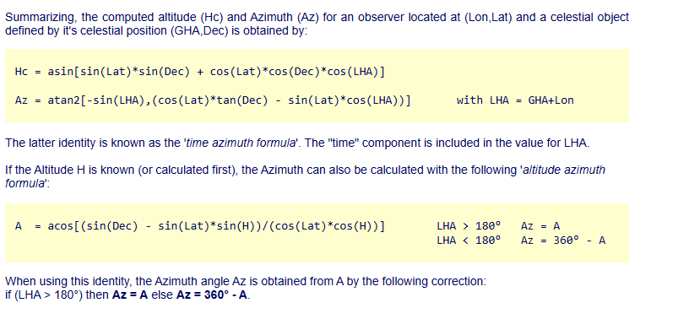
_L | -20 |  |  |  | 49 | 49 | 49 | 68 | -20 | 36
_d | 22.05 |  |  |  | 12.1 | 45.183333333 | 74.266666667 | 21.133333333 | 22.05 | 28.091666667
_t | 63 |  |  |  | 58 | 259 | 347 | 329 | 63 | 68

_h | 15.486303643 | 15° 29.2 |  |  | 29.876729615 | 26.559810845 | 64.128051809 | 39.330371718 |  | 32.966666667
_Z | 58.975538983 |  |  |  | 72.999137827 | -50.671216762 | -8.0355468673 | -38.394152431 |  | 77.1

148.97553898
328.97553898

I need to understand the definition of azimuth better.

_PX | 67.95
_PZ | 110
_ZX | 74.513696357
_Alt | 15.486303643
_ZPA | 63

0.51540397436
58.975538983 | 58° 58.5
121.02446102 | 121° 1.5

Formula229
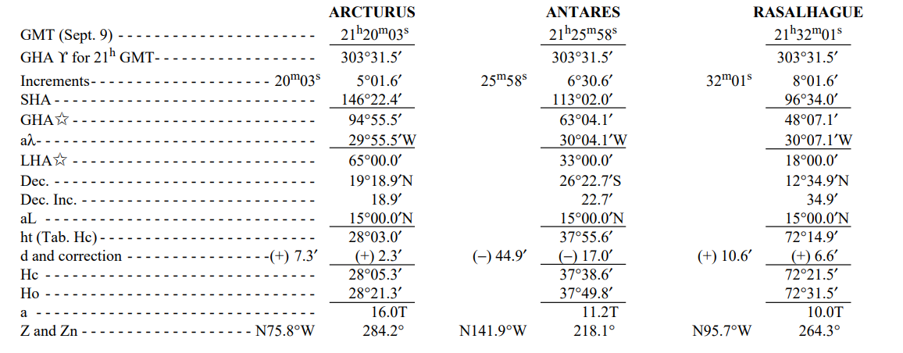
 |  |  | Pub 229 |  |  | HO 208
 |  |  |  |  |  | pg 55
 |  |  | Arcturus | Antares | Rasalhague | Regulus | Deneb | Kochab
_L | 15 |  | 15 | 15 | 15 | 49 | 49 | 49
_d | -26.378333333 |  | 19.315 | -26.378333333 | 12.581666667 | 12.1 | 45.183333333 | 74.266666667
_t | 33 |  | 65 | 33 | 18 | 58 | 259 | 347
 |  |  | 28° 5.4' | 37° 38.6' | 72° 21.5' | 29° 52.6' | 26° 33.6' | 64° 7.7'
 |  |  | 75° 48.6' | 218° 2.4' | 264° 21.1' | 252° 59.9' | 50° 40.3' | 8° 2.1'
 |  |  | 284° 11.4' | 141° 57.6' | 95° 38.9' | 107° 0.1' | 309° 19.7' | 351° 57.9'
_Hc | 37.644050024 | 37° 38.6'
_Z | 218.04021819 | 218° 2.4'
 | 141.95978181 | 141° 57.6'
 | 308.04021819

Working
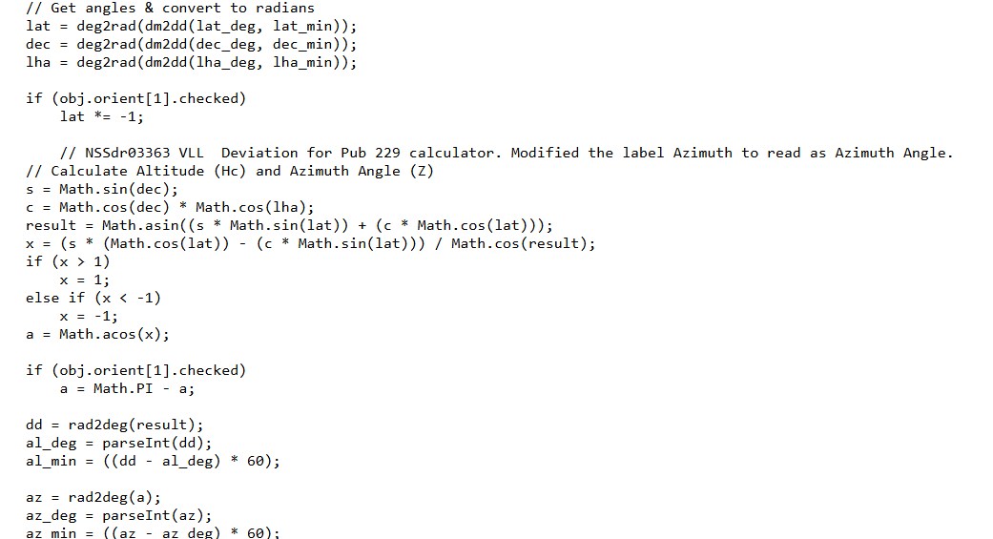
 |  |  | Pub 229 |  |  | HO 208
 |  |  |  |  |  | pg 55 |  |  | pg64
 |  |  | Arcturus | Antares | Rasalhague | Regulus | Deneb | Kochab
_L | -1 | Lat | 15 | 15 | 15 | 49 | 49 | 49 | -1
_d | 21.156666667 | dec | 19.315 | -26.378333333 | 12.581666667 | 12.1 | 45.183333333 | 74.266666667 | 21.156666667
_t | 284 | LHA | 65 | 33 | 18 | 58 | 259 | 347 | 284
 |  |  | 28° 5.4' | 37° 38.6' | 72° 21.5' | 29° 52.6' | 26° 33.6' | 64° 7.7' | 12° 40.0'
 |  |  | 75° 48.6' | 141° 57.6' | 95° 38.9' | 107° 0.1' | 50° 40.3' | 8° 2.1' | 111° 57'
 |  |  | 284° 11.4' | 218° 2.4' | 264° 21.1' | 252° 59.9' | 309° 19.7' | 351° 57.9'
_Hc | 12.666886583 | 12° 40.0'
_Z | 111.95647513 | 111° 57.4' |  |  |  |  |  | 9.4
 |  |  | 21.156666667
 |  |  |  | `

 | TRUE

NumMethod
 |  |  |  | Pub 229 |  |  | HO 208
 |  |  |  |  |  |  | pg 55 |  |  | pg64
 | Celestial Body Data |  |  | Arcturus | Antares | Rasalhague | Regulus | Deneb | Kochab
_L | -1 | Lat |  | 15 | 15 | 15 | 49 | 49 | 49 | -1
_d | 21.156666667 | dec |  | 19.315 | -26.378333333 | 12.581666667 | 12.1 | 45.183333333 | 74.266666667 | 21.156666667
_t | 283.99999974 | LHA |  | 65 | 33 | 18 | 58 | 259 | 347 | 284
 |  |  |  | 28° 5.4' | 37° 38.6' | 72° 21.5' | 29° 52.6' | 26° 33.6' | 64° 7.7' | 12° 40.0'
 |  |  |  | 75° 48.6' | 141° 57.6' | 95° 38.9' | 107° 0.1' | 50° 40.3' | 8° 2.1' | 111° 57'
 |  |  |  | 284° 11.4' | 218° 2.4' | 264° 21.1' | 252° 59.9' | 309° 19.7' | 351° 57.9'
_Hc | 12.666886343 | 12° 40.0' | Measured | 12.666886598
_Z | 111.9564751 | 111° 57.4' |  |  |  |  |  |  | 9.4
 |  |  |  | 21.156666667
 |  |  |  |  | `

I have been so focused on understanding the paper algorithm that I have not looked at the deeply at the problem. The LOP of position approach is simply a graphical approach for solving two nonlinear equations.
Another approach is to use either goal seek or solver to find the LHA value gives the measured altitude of the celestial object. Once you have the LHA value that gives you the measured altitude, you can then compute the azimuth.
LHA and azimuth allow me to plot my LOP. I need to understand LOP plotting better. It is time for some practice on a chart.

Formats
FROM:
SUBJECT:
DATE:
Mark Biegert
Placeholder
1-Jan-2024

FROM: | Mark Biegert
SUBJECT:
DATE: | 04-Jun-2025

Table Formats

 | Category A | Category B | Category C | Value
 | A | 1 | a | 1
 | A | 2 | b | 2
 | B | 1 | a | 3
 | B | 2 | b | 4
 | C | 1 | a | 5
 | C | 2 | b | 6

 | Sum of Value |  | Category C
 | Category A | Category B | a | b | Grand Total
 | A
 |  | 1 | 1 |  | 1
 |  | 2 |  | 2 | 2
 | B
 |  | 1 | 3 |  | 3
 |  | 2 |  | 4 | 4
 | C
 |  | 1 | 5 |  | 5
 |  | 2 |  | 6 | 6
 | Grand Total |  | 9 | 12 | 21

Tab Colors

 | Data Tabs
 | Report Tabs
 | Analysis Tabs
 | Metadata Tabs

