Report
FROM: | Mark Biegert
SUBJECT: | Start No CALCULATE Drill |  |  | Link
DATE: | 25-Jan-2024 |  |  |  | I don’t have the star schema. I would need to create this.

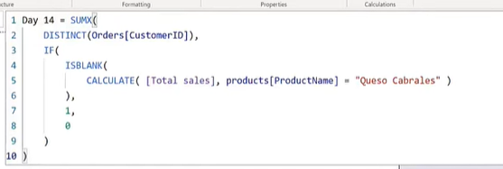

 | Customer ID | Product ID | Bogus
 | B | 22 | Z
 | B | 4 | Z
 | C | 11 | Z
 | C | 6 | Z
 | D | 13 | Y
 | D | 8 | Y
 | E | 9 | Y |  | What would Total Sales be? Some Measure needs to be made.
 | E | 10 | Y |  | 22.52 | time
 |  |  |  |  | Total Sales would be blank if the customer dropped?

 | Filtering A and F doesn't change the pivot table.

 |  |  |  |  | TOCSV_All_Customers | TOSCSV_Never_Queso | TOCSV_Queso | Desired
 |  |  |  |  | A,B,C,D,E,F | B,D,E | A,C,F | 3

Formats

FROM: | Mark Biegert
SUBJECT: | Biegert Standardized Formating
DATE: | 25-Jan-2024

Table Formats

 | Category A | Category B | Category C | Value
 | A | 1 | a | 1
 | A | 2 | b | 2
 | B | 1 | a | 3
 | B | 2 | b | 4
 | C | 1 | a | 5
 | C | 2 | b | 6

 | Sum of Value |  | Category C
 | Category A | Category B | a | b | Grand Total
 | A
 |  | 1 | 1 |  | 1
 |  | 2 |  | 2 | 2
 | B
 |  | 1 | 3 |  | 3
 |  | 2 |  | 4 | 4
 | C
 |  | 1 | 5 |  | 5
 |  | 2 |  | 6 | 6
 | Grand Total |  | 9 | 12 | 21

Tab Colors

 | Report Tabs
 | Data Tabs
 | Analysis Tabs
 | References
 | Metadata Tabs
 | Chart Tabs

