Raw
 | Attribute
Year | Mark 6 | Mark 8 | Marke 9,9-2,9-3, and 9-4 | Mark 14 | Mark 7 | AS Projectile Mk 10 |  |  |  |  |  | 424.25555471 |  |  | 421.45703251
1940 |  |  |  |  |  |  |  |  |  |  |  | 536.6532878
1941 |  |  |  |  |  |  |  |  |  |  |  | 339.68977636
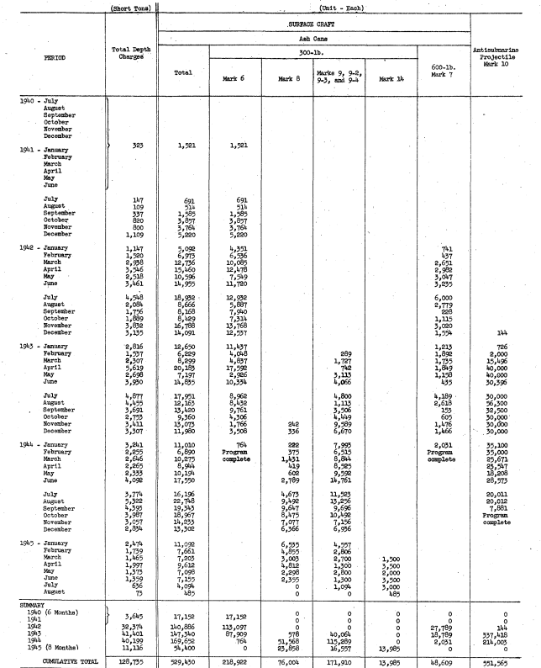
1942 |  |  |  |  |  |  |  |  |  |  |  | 594.4128161
1943 |  |  |  |  |  |  |  |  |  |  |  | 60.275200422
1944
1945
Grand Total |  |  |  |  |  |  |  |  |  |  |  |  |  |  |  | 103.65
 |  |  |  |  |  |  |  |  |  | Attribute | Weight |  |  |  |  | 77.1
Year | Month | Tonnage | Total Surface Craft | Mark 6 | Mark 8 | Marke 9,9-2,9-3, and 9-4 | Mark 14 | Mark 7 | AS Projectile Mk 10 | Mark 6 | 425.00
1940 | July | 0 | 0 | 0 | 0 | 0 | 0 | 0 | 0 | Mark 8 | 520.00 |  |  |  |  | 425.47033285
1940 | August | 0 | 0 | 0 | 0 | 0 | 0 | 0 | 0 | Marke 9,9-2,9-3, and 9-4 | 340.00 |  |  |  |  | 424.12451362
1940 | September | 0 | 0 | 0 | 0 | 0 | 0 | 0 | 0 | Mark 14 | 300.00 |  |  |  |  | 425.23659306
1940 | October | 0 | 0 | 0 | 0 | 0 | 0 | 0 | 0 | Mark 7 | 600.00
1940 | November | 0 | 0 | 0 | 0 | 0 | 0 | 0 | 0 | AS Projectile Mk 10 | 60.00
1940 | December | 0 | 0 | 0 | 0 | 0 | 0 | 0 | 0
1941 | January | 323 | 1521 | 1521 | 0 | 0 | 0 | 0 | 0
1941 | February | 0 | 0 | 0 | 0 | 0 | 0 | 0 | 0
1941 | March | 0 | 0 | 0 | 0 | 0 | 0 | 0 | 0
1941 | April | 0 | 0 | 0 | 0 | 0 | 0 | 0 | 0
1941 | May | 0 | 0 | 0 | 0 | 0 | 0 | 0 | 0
1941 | June | 0 | 0 | 0 | 0 | 0 | 0 | 0 | 0
1941 | July | 147 | 691 | 691 | 0 | 0 | 0 | 0 | 0
1941 | August | 109 | 514 | 514 | 0 | 0 | 0 | 0 | 0 |  | January
1941 | September | 337 | 1585 | 1585 | 0 | 0 | 0 | 0 | 0 |  | February
1941 | October | 820 | 3857 | 3857 | 0 | 0 | 0 | 0 | 0 |  | March
1941 | November | 800 | 3764 | 3764 | 0 | 0 | 0 | 0 | 0 |  | April
1941 | December | 1109 | 5220 | 5220 | 0 | 0 | 0 | 0 | 0 |  | May |  |  |  |  |  |  | 9761 | 0 | 3506 | 153 | 32500
1942 | January | 1147 | 5092 | 4351 | 0 | 0 | 0 | 741 | 0 |  | June |  |  |  |  |  |  | 4306 | 0 | 4449 | 605 | 30000
1942 | February | 1520 | 6973 | 6536 | 0 | 0 | 0 | 437 | 0 |  | July |  |  |  |  |  |  | 1766 | 242 | 9589 | 1476 | 30000
1942 | March | 2938 | 12736 | 10085 | 0 | 0 | 0 | 2651 | 0 |  | August |  |  |  |  |  |  | 3508 | 336 | 6670 | 1466 | 30000
1942 | April | 3546 | 15460 | 12478 | 0 | 0 | 0 | 2982 | 0 |  | September |  |  |  |  |  |  | 764 | 222 | 7995 | 2031 | 35100
1942 | May | 2518 | 10596 | 7549 | 0 | 0 | 0 | 3047 | 0 |  | October
1942 | June | 3461 | 14955 | 11720 | 0 | 0 | 0 | 3235 | 0 |  | November |  |  |  |  |  |  |  | 2000
1942 | July | 4548 | 18932 | 12932 | 0 | 0 | 0 | 6000 | 0 |  | December |  |  |  |  |  |  | 3691
1942 | August | 2084 | 8666 | 5887 | 0 | 0 | 0 | 2779 | 0 |  |  |  |  |  |  |  |  | 2753
1942 | September | 1756 | 8168 | 7940 | 0 | 0 | 0 | 228 | 0 |  |  |  |  |  |  |  |  | 3411
1942 | October | 1889 | 8429 | 7314 | 0 | 0 | 0 | 1115 | 0 |  |  |  |  |  |  |  |  | 3307
1942 | November | 3832 | 16788 | 13768 | 0 | 0 | 0 | 3020 | 0 |  |  |  |  |  |  |  |  | 3241
1942 | December | 3135 | 14091 | 12537 | 0 | 0 | 0 | 1554 | 144 |  |  |  |  |  |  |  | 301.03092784
1943 | January | 2816 | 12650 | 11437 | 0 | 0 | 0 | 1213 | 726 |  |  |  |  |  |  |  |  |  | 424.25555471
1943 | February | 1537 | 6229 | 4048 | 0 | 289 | 0 | 1892 | 2000 |  |  |  |  |  |  |  |  |  | 536.6532878
1943 | March | 2307 | 8299 | 4837 | 0 | 1727 | 0 | 1735 | 15496 |  |  |  |  |  |  |  |  |  | 339.68977636
1943 | April | 5619 | 20183 | 17592 | 0 | 742 | 0 | 1849 | 40000 |  |  |  |  |  |  |  |  |  | 594.4128161
1943 | May | 2698 | 7197 | 2926 | 0 | 3113 | 0 | 1158 | 40000 |  |  |  |  |  |  |  |  |  | 60.275200422
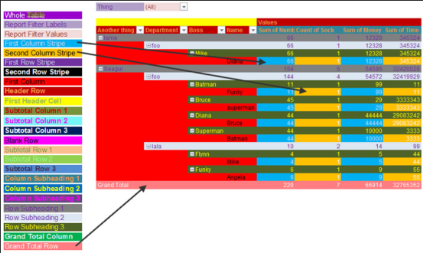
1943 | June | 3930 | 14835 | 10334 | 0 | 4066 | 0 | 435 | 30396
1943 | July | 4877 | 17951 | 8962 | 0 | 4800 | 0 | 4189 | 30000
1943 | August | 4455 | 12163 | 8432 | 0 | 1113 | 0 | 2618 | 56300
1943 | September | 3691 | 13420 | 9761 | 0 | 3506 | 0 | 153 | 32500
1943 | October | 2753 | 9360 | 4306 | 0 | 4449 | 0 | 605 | 30000
1943 | November | 3411 | 13073 | 1766 | 242 | 9589 | 0 | 1476 | 30000
1943 | December | 3307 | 11980 | 3508 | 336 | 6670 | 0 | 1466 | 30000
1944 | January | 3241 | 11010 | 764 | 222 | 7993 | 0 | 2031 | 35100
1944 | February | 2255 | 6890 | 0 | 375 | 6515 | 0 | 0 | 35000
1944 | March | 2646 | 10275 | 0 | 1431 | 8844 | 0 | 0 | 25671
1944 | April | 2265 | 8944 | 0 | 419 | 8525 | 0 | 0 | 23547
1944 | May | 2333 | 10194 | 0 | 602 | 9592 | 0 | 0 | 18208
1944 | June | 4092 | 17550 | 0 | 2789 | 14761 | 0 | 0 | 28573
1944 | July | 3774 | 16196 | 0 | 4673 | 11523 | 0 | 0 | 20011
1944 | August | 5322 | 22748 | 0 | 9492 | 13256 | 0 | 0 | 20012
1944 | September | 4393 | 19343 | 0 | 9647 | 9696 | 0 | 0 | 7881
1944 | October | 3987 | 18967 | 0 | 8475 | 10492 | 0 | 0 | 0
1944 | November | 3057 | 14233 | 0 | 7077 | 7156 | 0 | 0 | 0
1944 | December | 2834 | 13302 | 0 | 6366 | 6936 | 0 | 0 | 0
1945 | January | 2474 | 11092 | 0 | 6535 | 4557 | 0 | 0 | 0
1945 | February | 1739 | 7661 | 0 | 4855 | 2806 | 0 | 0 | 0
1945 | March | 1465 | 7203 | 0 | 3003 | 2700 | 1500 | 0 | 0
1945 | April | 1997 | 9612 | 0 | 4812 | 1300 | 3500 | 0 | 0
1945 | May | 1373 | 7098 | 0 | 2298 | 2800 | 2000 | 0 | 0
1945 | June | 1359 | 7155 | 0 | 2355 | 1300 | 3500 | 0 | 0
1945 | July | 636 | 4094 | 0 | 0 | 1094 | 3000 | 0 | 0
1945 | August | 73 | 485 | 0 | 0 | 0 | 485 | 0 | 0

 |  |  |  |  |  |  |  |  |  |  |  |  | Year | Month | AshCan
 |  |  |  |  |  |  |  |  |  |  |  |  | 1940 | August | 0
 |  |  |  |  |  |  |  |  |  |  |  |  |  | December | 0
 |  |  |  |  |  |  |  |  |  |  |  |  |  | July | 0
 |  |  |  |  |  |  |  |  |  |  |  |  |  | November | 0
 |  |  |  |  |  |  |  |  |  |  |  |  |  | October | 0
 |  |  |  |  |  |  |  |  |  |  |  |  |  | September | 0
 |  |  |  |  |  |  |  |  |  |  |  |  | 1941 | April | 0
 |  |  |  |  |  |  |  |  |  |  |  |  |  | August | 514
 |  |  |  |  |  |  |  |  |  |  |  |  |  | December | 5220
 |  |  |  |  |  |  |  |  |  |  |  |  |  | February | 0
 |  |  |  |  |  |  |  |  |  |  |  |  |  | January | 1521
 |  |  |  |  |  |  |  |  |  |  |  |  |  | July | 691
 |  |  |  |  |  |  |  |  |  |  |  |  |  | June | 0
 |  |  |  |  |  |  |  |  |  |  |  |  |  | March | 0
 |  |  |  |  |  |  |  |  |  |  |  |  |  | May | 0
 |  |  |  |  |  |  |  |  |  |  |  |  |  | November | 3764
 |  |  |  |  |  |  |  |  |  |  |  |  |  | October | 3857
 |  |  |  |  |  |  |  |  |  |  |  |  |  | September | 1585
 |  |  |  |  |  |  |  |  |  |  |  |  | 1942 | April | 15460
 |  |  |  |  |  |  |  |  |  |  |  |  |  | August | 8666
 |  |  |  |  |  |  |  |  |  |  |  |  |  | December | 14091
 |  |  |  |  |  |  |  |  |  |  |  |  |  | February | 6973
 |  |  |  |  |  |  |  |  |  |  |  |  |  | January | 5092
 |  |  |  |  |  |  |  |  |  |  |  |  |  | July | 18932
 |  |  |  |  |  |  |  |  |  |  |  |  |  | June | 14955
 |  |  |  |  |  |  |  |  |  |  |  |  |  | March | 12736
 |  |  |  |  |  |  |  |  |  |  |  |  |  | May | 10596
 |  |  |  |  |  |  |  |  |  |  |  |  |  | November | 16788
 |  |  |  |  |  |  |  |  |  |  |  |  |  | October | 8429
 |  |  |  |  |  |  |  |  |  |  |  |  |  | September | 8168
 |  |  |  |  |  |  |  |  |  |  |  |  | 1943 | April | 20183
 |  |  |  |  |  |  |  |  |  |  |  |  |  | August | 12163
 |  |  |  |  |  |  |  |  |  |  |  |  |  | December | 11980
 |  |  |  |  |  |  |  |  |  |  |  |  |  | February | 6229
 |  |  |  |  |  |  |  |  |  |  |  |  |  | January | 12650
 |  |  |  |  |  |  |  |  |  |  |  |  |  | July | 17951
 |  |  |  |  |  |  |  |  |  |  |  |  |  | June | 14835
 |  |  |  |  |  |  |  |  |  |  |  |  |  | March | 8299
 |  |  |  |  |  |  |  |  |  |  |  |  |  | May | 7197
 |  |  |  |  |  |  |  |  |  |  |  |  |  | November | 13073
 |  |  |  |  |  |  |  |  |  |  |  |  |  | October | 9360
 |  |  |  |  |  |  |  |  |  |  |  |  |  | September | 13420
 |  |  |  |  |  |  |  |  |  |  |  |  | 1944 | April | 8944
 |  |  |  |  |  |  |  |  |  |  |  |  |  | August | 22748
 |  |  |  |  |  |  |  |  |  |  |  |  |  | December | 13302
 |  |  |  |  |  |  |  |  |  |  |  |  |  | February | 6890
 |  |  |  |  |  |  |  |  |  |  |  |  |  | January | 11010
 |  |  |  |  |  |  |  |  |  |  |  |  |  | July | 16196
 |  |  |  |  |  |  |  |  |  |  |  |  |  | June | 17550
 |  |  |  |  |  |  |  |  |  |  |  |  |  | March | 10275
 |  |  |  |  |  |  |  |  |  |  |  |  |  | May | 10194
 |  |  |  |  |  |  |  |  |  |  |  |  |  | November | 14233
 |  |  |  |  |  |  |  |  |  |  |  |  |  | October | 18967
 |  |  |  |  |  |  |  |  |  |  |  |  |  | September | 19343
 |  |  |  |  |  |  |  |  |  |  |  |  | 1945 | April | 9612
 |  |  |  |  |  |  |  |  |  |  |  |  |  | August | 485
 |  |  |  |  |  |  |  |  |  |  |  |  |  | February | 7661
 |  |  |  |  |  |  |  |  |  |  |  |  |  | January | 11092
 |  |  |  |  |  |  |  |  |  |  |  |  |  | July | 4094
 |  |  |  |  |  |  |  |  |  |  |  |  |  | June | 7155
 |  |  |  |  |  |  |  |  |  |  |  |  |  | March | 7203
 |  |  |  |  |  |  |  |  |  |  |  |  |  | May | 7098
 |  |  |  |  |  |  |  |  |  |  |  |  | Grand Total |  | 529430

MineBackground
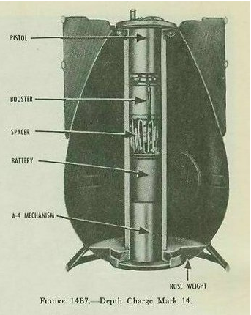
Mark 6 Depth Charge |  |  |  | Link
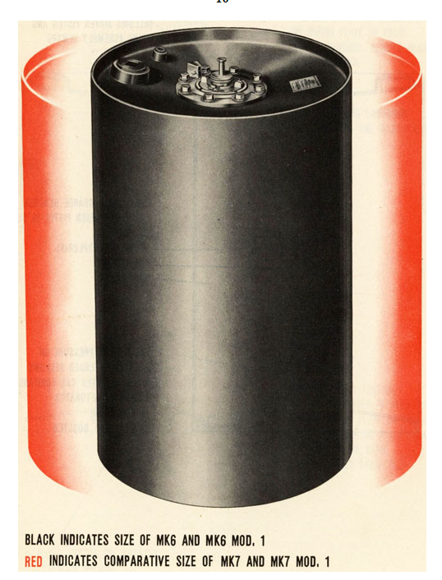

Mk 8

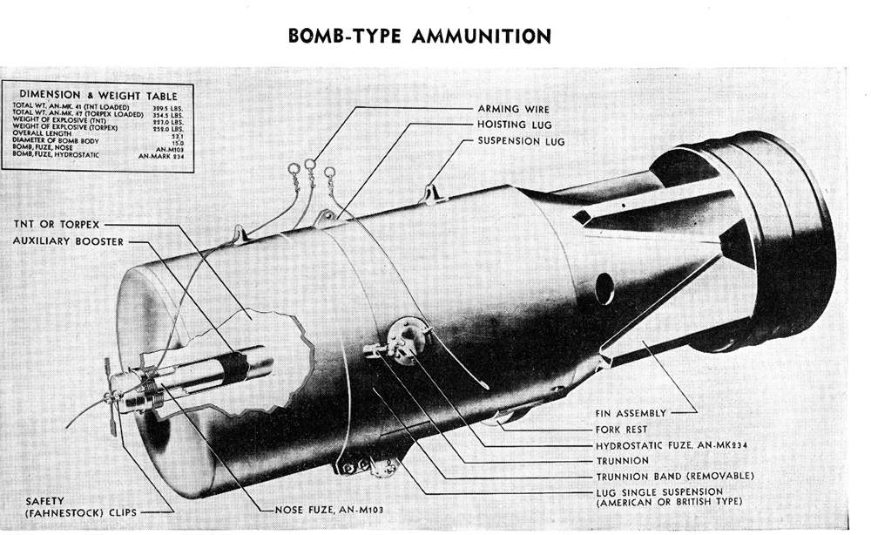

 | http://navsource.org/archives/01/057/016328e.jpg |  |  |  |  | http://www.navsource.org/archives/01/57k1.htm

Mark 7 |  |  |  |  | https://en.wikipedia.org/wiki/Depth_charge#/media/File:Mk_VII_depth_charge.jpg
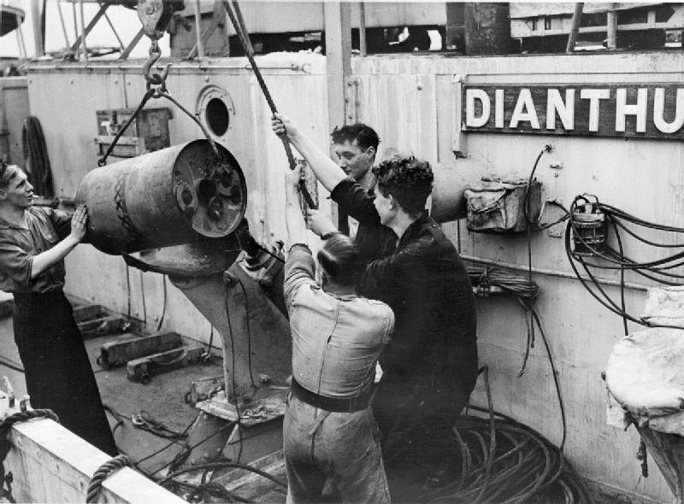

Mark 9 Depth Charge |  |  | https://en.wikipedia.org/wiki/Depth_charge#/media/File:Depth_charge_bd.jpg

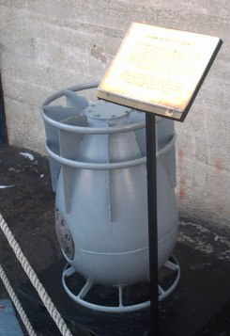

Mark 14 |  | https://eugeneleeslover.com/USNAVY/CHAPTER-14-B.html

