Report
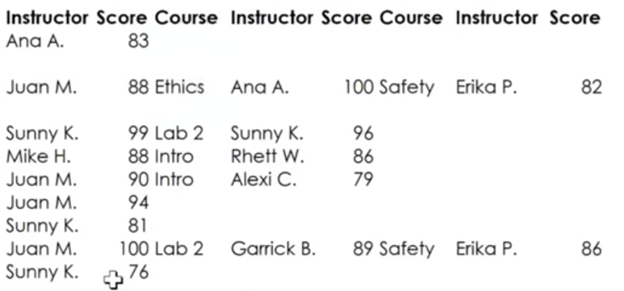

FROM: | Mark Biegert |  | Link |  |  |  |  | Questions to Ask When Analyzing Data
SUBJECT: | Really Confusing Data
DATE: | 15-Nov-2023 |  | Key Takeaways | Really interesting cross-check method |  |  |  | Is this one time or will it repeat?
 |  |  |  | Masterful use of wraprows |  |  |  | Will I have to explain it to anyone?
Original Data Conversion |  |  |  | HSTACK to fill in multiple adjacent cells |  |  |  | Repeats in the data? |  | If there are repeats, how should the repeats be handled? In this case, the repeats are handled by taking the hightest score.

 | Agent | Course | Instructor | Score | Course | Instructor | Score | Course | Instructor | Score | Course | Instructor | Score | Course | Instructor | Score | Course | Instructor | Score
 | G.H. Scott | Laws & Regs | Akexi C. | 90 | Lab 1 | Sunny K. | 84 | Intro | Rhett W. | 76 | Safety | Ana A. | 83
 | M. O'Doherty | Lab 2 | Garrick B. | 93 | Ethics | Juan M. | 89 | Safety | Erika P. | 85
 | A. J. Novak | Intro | Alexi C. | 100 | Lab 2 | Garrick B. | 86 | Ethics | Juan M. | 76 | Laws & Regs | Juan M. | 88 | Ethics | Ana A. | 100 | Safety | Erika P. | 82
 | R. St. Johns | Intro | Juan M. | 90 | Laws & Regs | Alexi C. | 76 | Safety | Erika P. | 76
 | P. Guillaume | Intro | Alexi C. | 79 | Lab 1 | Sunny K. | 91 | Ethics | Mike H. | 94 | Lab 1 | Sunny K. | 99 | Lab 2 | Sunny K. | 96
 | R. Trujillo | Safety | Erika P. | 79 | Lab 1 | Sunny K. | 90 | Lab 2 | Garrick B. | 85 | Laws & Regs | Mike H. | 88 | Intro | Rhett W. | 86
 | M. Huges | Laws & Regs | Alexi C. | 83 | Safety | Juan M. | 65 | Lab 1 | Sunny K. | 93 | Ethics | Juan M. | 90 | Intro | Alexi C. | 79
 | H. Munox | Intro | Juan M. | 91 | Safety | Ana A. | 89 | Ethics | Mike H. | 90 | Laws & Regs | Juan M. | 94
 | J. Khin | Ethics | Alexi C. | 100 | Intro | Rhett W. | 90 | Laws & Regs | Mike H. | 81 | Lab 1 | Sunny K. | 81
 | P. Austin | Ethics | Juan M. | 81 | Lab 1 | Sunny K. | 91 | Intro | Juan M. | 79 | Laws & Regs | Juan M. | 100 | Lab 2 | Garick B. | 89 | Safety | Erika P. | 86
 | L. Giles | Intro | Erika P. | 82 | Ethics | Mike H. | 93 | Lab 1 | Sunny K. | 80 | Lab 2 | Sunny K. | 76

Cleaned Data

 | AGENT | Intro | Instructor | Score | Lab 1 | Instructor | Score | Laws & Regs | Instructor | Score | Ethics | Instructor | Score | Safety | Instructor | Score | Lab 2 | Instructor | Score
 | G.H. Scott | Intro | Rhett W. | 76 | Lab 1 | Sunny K. | 84 | Laws & Regs | Akexi C. | 90 |  |  |  | Safety | Ana A. | 83
 | M. O'Doherty |  |  |  |  |  |  |  |  |  | Ethics | Juan M. | 89 | Safety | Erika P. | 85 | Lab 2 | Garrick B. | 93
 | A. J. Novak | Intro | Alexi C. | 100 |  |  |  | Laws & Regs | Juan M. | 88 | Ethics | Ana A. | 100 | Safety | Erika P. | 82 | Lab 2 | Garrick B. | 86
 | R. St. Johns | Intro | Juan M. | 90 |  |  |  | Laws & Regs | Alexi C. | 76 |  |  |  | Safety | Erika P. | 76
 | P. Guillaume | Intro | Alexi C. | 79 | Lab 1 | Sunny K. | 99 |  |  |  | Ethics | Mike H. | 94 |  |  |  | Lab 2 | Sunny K. | 96
 | R. Trujillo | Intro | Rhett W. | 86 | Lab 1 | Sunny K. | 90 | Laws & Regs | Mike H. | 88 |  |  |  | Safety | Erika P. | 79 | Lab 2 | Garrick B. | 85
 | M. Huges | Intro | Alexi C. | 79 | Lab 1 | Sunny K. | 93 | Laws & Regs | Alexi C. | 83 | Ethics | Juan M. | 90 | Safety | Juan M. | 65
 | H. Munox | Intro | Juan M. | 91 |  |  |  | Laws & Regs | Juan M. | 94 | Ethics | Mike H. | 90 | Safety | Ana A. | 89
 | J. Khin | Intro | Rhett W. | 90 | Lab 1 | Sunny K. | 81 | Laws & Regs | Mike H. | 81 | Ethics | Alexi C. | 100
 | P. Austin | Intro | Juan M. | 79 | Lab 1 | Sunny K. | 91 | Laws & Regs | Juan M. | 100 | Ethics | Juan M. | 81 | Safety | Erika P. | 86 | Lab 2 | Garick B. | 89
 | L. Giles | Intro | Erika P. | 82 | Lab 1 | Sunny K. | 80 |  |  |  | Ethics | Mike H. | 93 |  |  |  | Lab 2 | Sunny K. | 76

Cross-Check

Raw Data Screenshot

Formats

FROM: | Mark Biegert
SUBJECT:
DATE: | 15-Nov-2023

Table Formats

 | Category A | Category B | Category C | Value
 | A | 1 | a | 1
 | A | 2 | b | 2
 | B | 1 | a | 3
 | B | 2 | b | 4
 | C | 1 | a | 5
 | C | 2 | b | 6

 | Sum of Value |  | Category C
 | Category A | Category B | a | b | Grand Total
 | A
 |  | 1 | 1 |  | 1
 |  | 2 |  | 2 | 2
 | B
 |  | 1 | 3 |  | 3
 |  | 2 |  | 4 | 4
 | C
 |  | 1 | 5 |  | 5
 |  | 2 |  | 6 | 6
 | Grand Total |  | 9 | 12 | 21

Tab Colors

 | Data Tabs
 | Report Tabs
 | Analysis Tabs
 | Metadata Tabs

