Sheet1
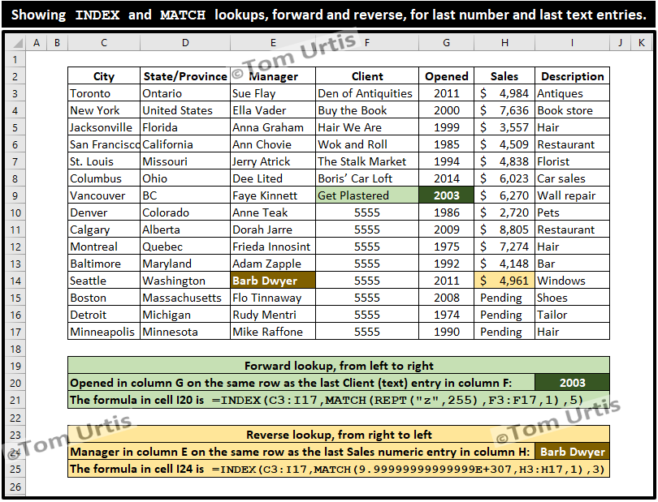

4984 | 4961
7636 | 4961
3557 | 4961
4509 | 4961
4838 | 4961
6023 | 4961
6270 | 4961
2720 | 4961
8805
7274
4148
4961
Pending
Pending
Pending

