Merge1
Year | Deficit | Admin | Party | D_Deficits | R_Deficits |  | D_Deficit | R_Deficit
1977 | 0.053659 | Ford | R |  | 0.053659 | 1977 | #N/A | #N/A
1978 | 0.059185 | Carter | D | 0.059185 |  | 1978 | 0.059185 | #N/A
1979 | 0.040726 | Carter | D | 0.040726 |  | 1979 | 0.040726 | #N/A
1980 | 0.07383 | Carter | D | 0.07383 |  | 1980 | 0.07383 | #N/A
1981 | 0.078968 | Carter | D | 0.078968 |  | 1981 | 0.078968 | #N/A
1982 | 0.127977 | Reagan | R |  | 0.127977 | 1982 | #N/A | 0.127977
1983 | 0.207802 | Reagan | R |  | 0.207802 | 1983 | #N/A | 0.207802
1984 | 0.185367 | Reagan | R |  | 0.185367 | 1984 | #N/A | 0.185367
1985 | 0.212308 | Reagan | R |  | 0.212308 | 1985 | #N/A | 0.212308
1986 | 0.221227 | Reagan | R |  | 0.221227 | 1986 | #N/A | 0.221227
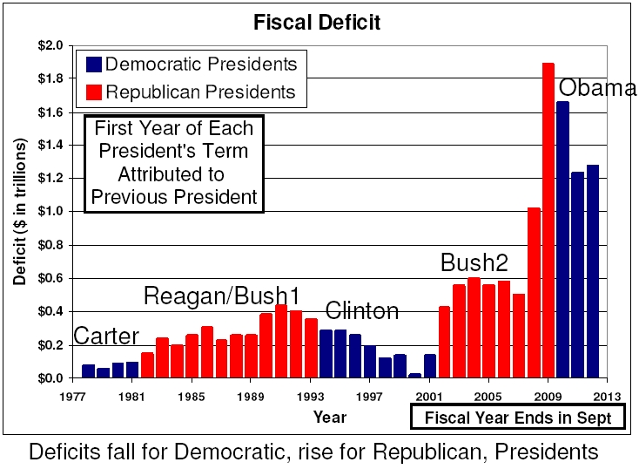
1987 | 0.14973 | Reagan | R |  | 0.14973 | 1987 | #N/A | 0.14973
1988 | 0.155178 | Reagan | R |  | 0.155178 | 1988 | #N/A | 0.155178
1989 | 0.152639 | Reagan | R |  | 0.152639 | 1989 | #N/A | 0.152639
1990 | 0.221036 | Bush | R |  | 0.221036 | 1990 | #N/A | 0.221036
1991 | 0.269238 | Bush | R |  | 0.269238 | 1991 | #N/A | 0.269238
1992 | 0.290321 | Bush | R |  | 0.290321 | 1992 | #N/A | 0.290321
1993 | 0.255051 | Bush | R |  | 0.255051 | 1993 | #N/A | 0.255051
1994 | 0.203186 | Clinton | D | 0.203186 |  | 1994 | 0.203186 | #N/A
1995 | 0.163952 | Clinton | D | 0.163952 |  | 1995 | 0.163952 | #N/A
1996 | 0.107431 | Clinton | D | 0.107431 |  | 1996 | 0.107431 | #N/A
1997 | 0.021884 | Clinton | D | 0.021884 |  | 1997 | 0.021884 | #N/A
1998 | -0.06927 | Clinton | D | -0.06927 |  | 1998 | -0.06927 | #N/A
1999 | -0.12561 | Clinton | D | -0.12561 |  | 1999 | -0.12561 | #N/A
2000 | -0.236241 | Clinton | D | -0.236241 |  | 2000 | -0.236241 | #N/A
2001 | -0.128236 | Clinton | D | -0.128236 |  | 2001 | -0.128236 | #N/A
2002 | 0.157758 | Bush | R |  | 0.157758 | 2002 | #N/A | 0.157758
2003 | 0.377585 | Bush | R |  | 0.377585 | 2003 | #N/A | 0.377585
2004 | 0.412727 | Bush | R |  | 0.412727 | 2004 | #N/A | 0.412727
2005 | 0.318346 | Bush | R |  | 0.318346 | 2005 | #N/A | 0.318346
2006 | 0.248181 | Bush | R |  | 0.248181 | 2006 | #N/A | 0.248181
2007 | 0.160701 | Bush | R |  | 0.160701 | 2007 | #N/A | 0.160701
2008 | 0.458553 | Bush | R |  | 0.458553 | 2008 | #N/A | 0.458553
2009 | 1.412688 | Bush | R |  | 1.412688 | 2009 | #N/A | 1.412688
2010 | 1.294373 | Obama | D | 1.294373 |  | 2010 | 1.294373 | #N/A
2011 | 1.299599 | Obama | D | 1.299599 |  | 2011 | 1.299599 | #N/A
2012 | 1.076573 | Obama | D | 1.076573 |  | 2012 | 1.076573 | #N/A
2013 | 0.679775 | Obama | D | 0.679775 |  | 2013 | 0.679775 | #N/A
2014 | 0.484793 | Obama | D | 0.484793 |  | 2014 | 0.484793 | #N/A
2015 | 0.44196 | Obama | D | 0.44196 |  | 2015 | 0.44196 | #N/A
2016 | 0.58465 | Obama | D | 0.58465 |  | 2016 | 0.58465 | #N/A
2017 | 0.665446 | Obama | D | 0.665446 |  | 2017 | 0.665446 | #N/A
Fiscal Deficit
Fiscal Year Ends in Sept
First Year of Each President's Term Attributed to Previous President
Carter
Clinton
GW Bush
Obama
Trump
Biden
2018 | 0.779138 | Trump | R |  | 0.779138 | 2018 | #N/A | 0.779138
2019 | 0.983592 | Trump | R |  | 0.983592 | 2019 | #N/A | 0.983592
2020 | 3.132439 | Trump | R |  | 3.132439 | 2020 | #N/A | 3.132439
2021 | 2.775575 | Trump | R |  | 2.775575 | 2021 | #N/A | 2.775575
2022 | 1.375389 | Biden | D | 1.375389 |  | 2022 | 1.375389 | #N/A
 |  |  |  |  |  | 2023 | #N/A | #N/A

