Sheet1
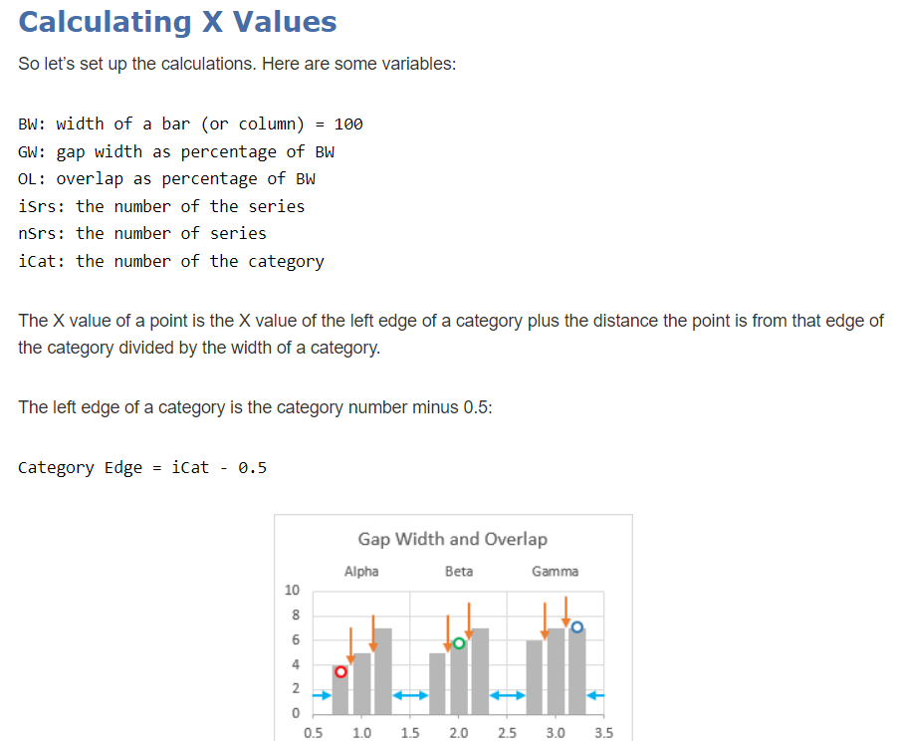
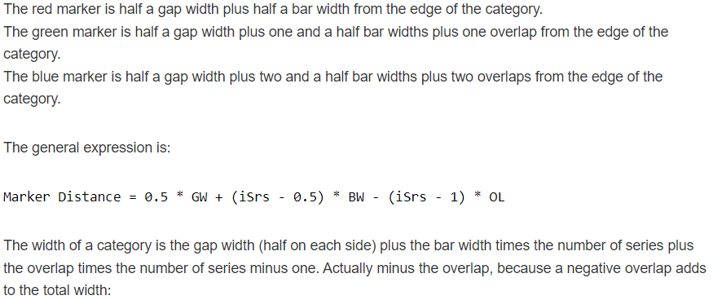
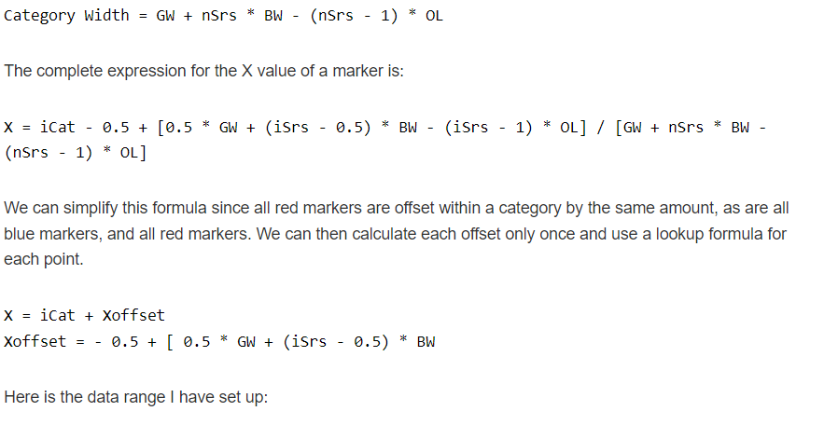
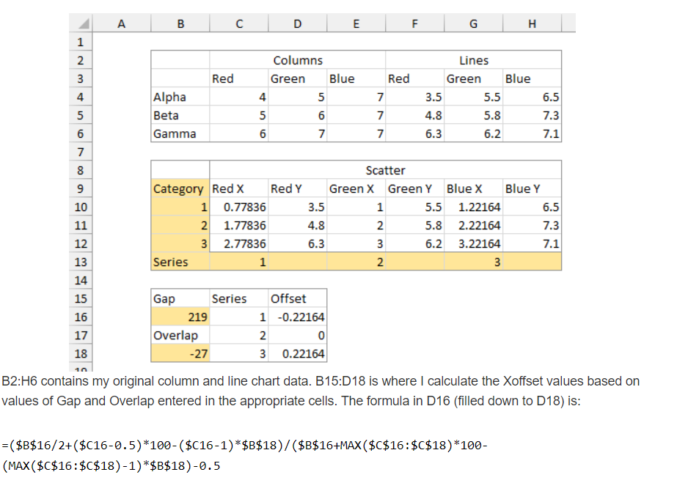
FROM: | Mark Biegert
SUBJECT:
DATE: | 13-Sep-2021
 |  |  |  | Reference | https://peltiertech.com/clustered-column-and-line-combination-chart/

 |  |  | Columns (Target) |  |  | Lines (Actual)
 |  |  | Red | Green | Blue | Red | Green | Blue
 |  | Alpha | 4 | 5 | 7 | 3.5 | 5.5 | 6.5
 |  | Beta | 5 | 6 | 7 | 4.8 | 5.8 | 7.3
 |  | Gamma | 6 | 7 | 7 | 6.3 | 6.2 | 7.1

 |  |  | Columns (Target) |  |  | Lines (Actual)
 |  |  | Red | Green | Blue | Red | Green | Blue
 |  | Alpha | 4 | 5 | 7 | 3.5 | 5.5 | 6.5
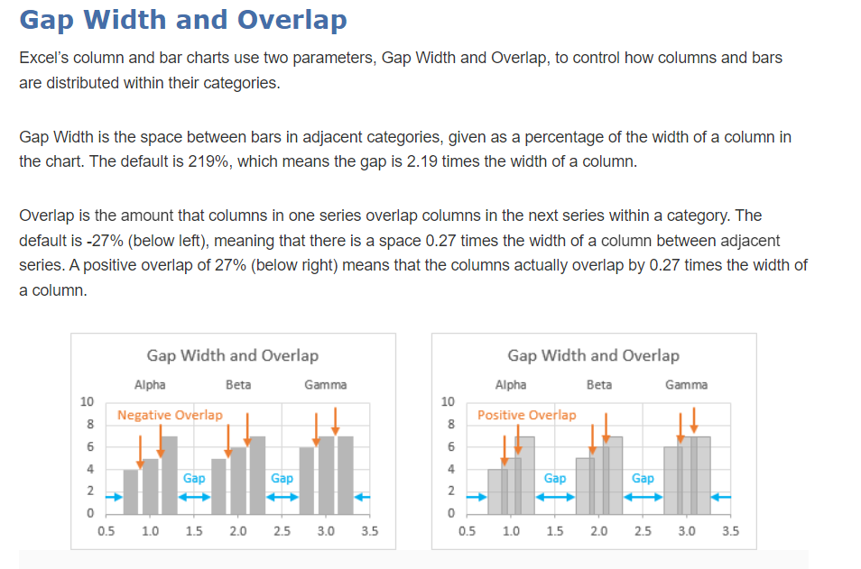
 |  | Beta | 5 | 6 | 7 | 4.8 | 5.8 | 7.3
 |  | Gamma | 6 | 7 | 7 | 6.3 | 6.2 | 7.1

 |  |  | Scatter
 |  | Category | Red X | Red Y | Green X | Green Y | Blue X | Blue Y
 |  | 1 | 0.77836 | 3.5 | 1 | 5.5 | 1.22164 | 6.5
 |  | 2 | 1.77836 | 4.8 | 2 | 5.8 | 2.22164 | 7.3
 |  | 3 | 2.77836 | 6.3 | 3 | 6.2 | 3.22164 | 7.1
 |  | Series | 1 |  | 2 |  | 3

 |  | Gap | Series | Offset
 |  | 219 | 1 | -0.22164
 |  | Overlap | 2 | 0
 |  | -27 | 3 | 0.22164

