Report
X | Y | Pred | Confidence |  | Prediction |  |  |  |  |  | alpha | 0.05
Hb A1C | Glucose | Y | min | max | min | max | _slope | 10.4 | 60.6 | interc | n | 15 | =COUNT(_X)
5.5 | 110.0 | 117.8 | 112.4 | 123.1 | 104.0 | 131.6 | SEslope | 1.0 | 7.5 | SEinterc | xm | 7.5 | =AVERAGE(_X)
5.5 | 118.0 | 117.8 | 112.4 | 123.1 | 104.0 | 131.6 | RSQ | 0.9 | 5.9 | SEy | SSxx | 36.4 | =SUM((_X-xm)^2)
5.8 | 115.0 | 120.9 | 116.0 | 125.8 | 107.3 | 134.5 | F | 114.1 | 13.0 | df | t_95 | 2.16 | =T.INV.2T(alpha,df)
6.1 | 120.0 | 124.0 | 119.6 | 128.5 | 110.6 | 137.5 | SSregr | 3945.3 | 449.6 | SSres | SE | 5.88 | =SQRT(SSres/df)
6.5 | 125.0 | 128.2 | 124.3 | 132.1 | 114.9 | 141.5
6.8 | 146.0 | 131.3 | 127.7 | 134.9 | 118.1 | 144.5
7.1 | 135.0 | 134.4 | 131.0 | 137.8 | 121.3 | 147.6 | SSres is unexplained variation
7.4 | 140.0 | 137.6 | 134.3 | 140.8 | 124.4 | 150.7 | SSregr is explained variation
7.7 | 145.0 | 140.7 | 137.4 | 144.0 | 127.5 | 153.8 | df =n(data-k(variables)
8.0 | 145.0 | 143.8 | 140.4 | 147.2 | 130.6 | 157.0
8.0 | 150.0 | 143.8 | 140.4 | 147.2 | 130.6 | 157.0
8.3 | 147.0 | 146.9 | 143.2 | 150.6 | 133.7 | 160.1
9.0 | 155.0 | 154.2 | 149.7 | 158.7 | 140.7 | 167.7
10.0 | 160.0 | 164.6 | 158.4 | 170.8 | 150.5 | 178.7
11.0 | 170.0 | 175.0 | 167.0 | 183.1 | 160.0 | 190.0

 |  |  | =_Yp-conf(_X) |  | =_Yp-pred(_X)
 |  |  |  | =_Yp+conf(_X) |  | =_Yp+pred(_X)

FROM:
SUBJECT:
DATE:
Mark Biegert
Conf vs Pred
18-Feb-2025
 |  |  | conf | 5.358894697 | =LAMBDA(X, t_95 * SE * SQRT(1 / n + (X - xm) ^ 2 / SSxx))(5.5)
 |  |  | pred | 13.788855939 | =LAMBDA(X, t_95 * SE * SQRT(1 + 1 / n + (X - xm) ^ 2 / SSxx))(5.5)

 |  |  | Standard Error

 |  |  | Prediction Interval

 |  |  | Confidence Interval

 |  |  | https://online.stat.psu.edu/stat501/book/export/html/909

 |  |  | Actually derives the correct relationship

 |  |  |  |  |  |  |  |  |  | https://stats.stackexchange.com/questions/473512/prediction-intervals-for-a-single-random-variable
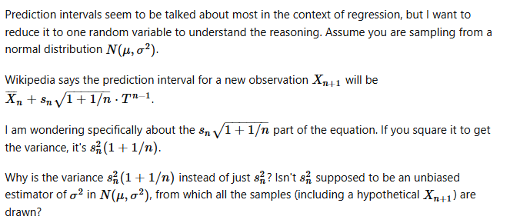

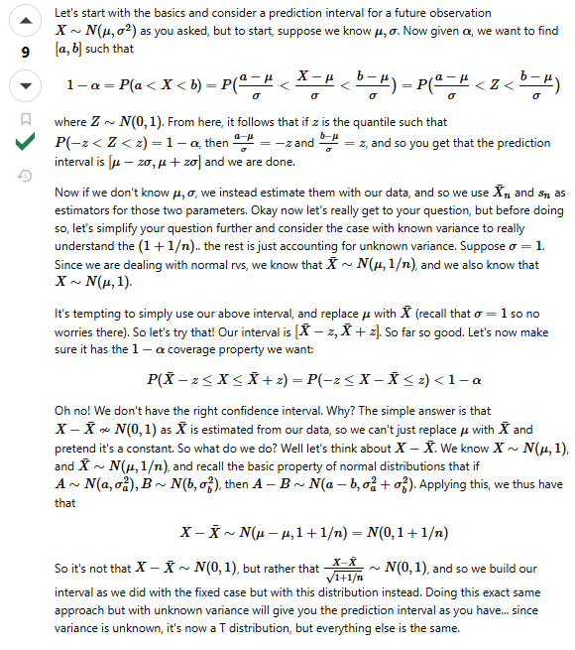

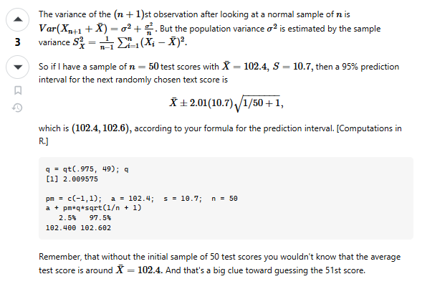

 |  |  | https://stats.stackexchange.com/questions/33433/linear-regression-prediction-interval

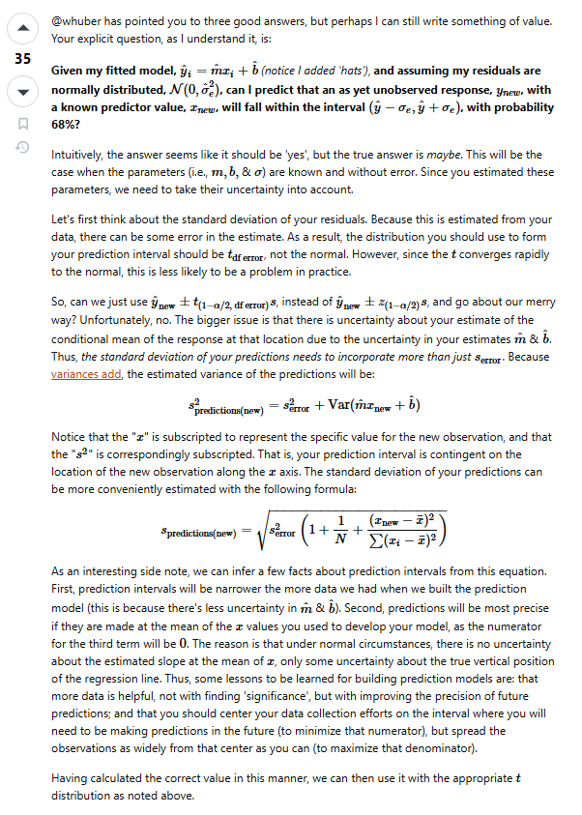

 |  |  | MSE is mean square error. Now we are getting closer.

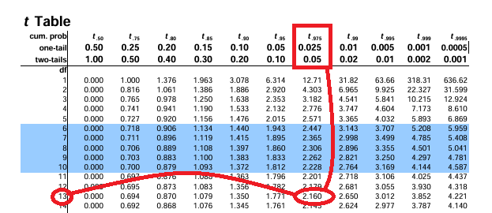
t in this case is the one-tailed function being used to compute the t value
 |  |  | https://online.stat.psu.edu/stat501/lesson/3/3.3

