Report
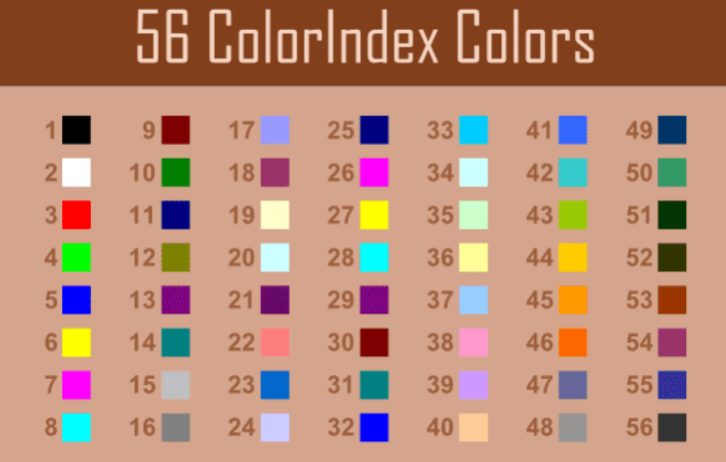
FROM:
SUBJECT:
DATE:
Mark Biegert
Placeholder
1-Jan-2024

Dist | City | Value
a | BB | 1
 | CC | 2
 | AA | 3
b | CC | 4
 | BB | 5
 | ZZ | 6
c | CC | 7
 | BB | 8
Run Routine
 | AA | 9

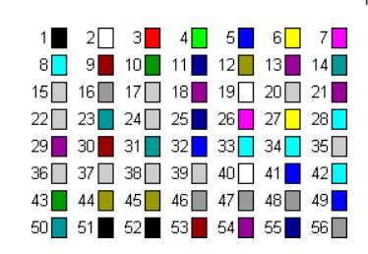

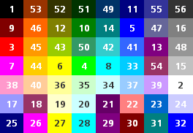

 |  |  | BB | 24 | BB | 24
 |  |  | CC | 18 | CC | 18
 |  |  | AA | 26 | AA | 26
 |  |  | ZZ | 23 | ZZ | 23

 |  |  | ColorIndex appears to be Constant
 |  |  | Colorscheme does not appear to be constant

Formats
FROM:
SUBJECT:
DATE:
Mark Biegert
Placeholder
1-Jan-2024
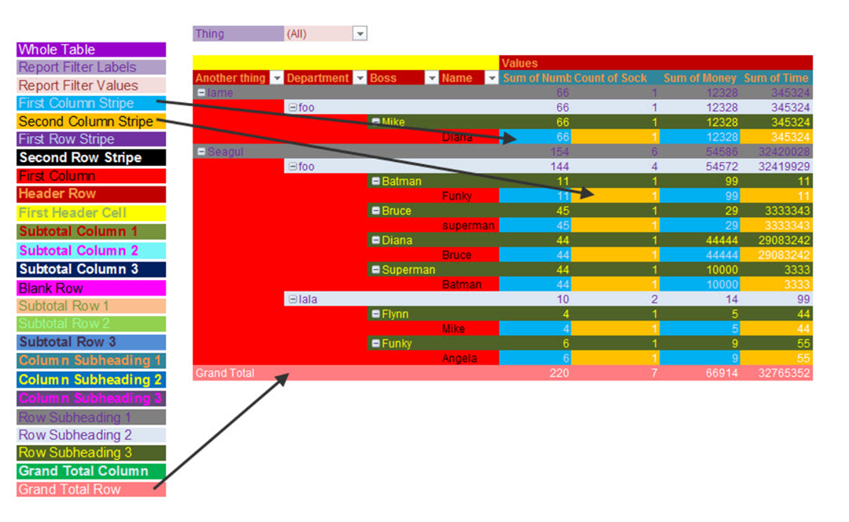
FROM: | Mark Biegert
SUBJECT:
DATE: | 20-Dec-2024

Table Formats

 | Category A | Category B | Category C | Value
 | A | 1 | a | 1
 | A | 2 | b | 2
 | B | 1 | a | 3
 | B | 2 | b | 4
 | C | 1 | a | 5
 | C | 2 | b | 6

 | Sum of Value |  | Category C
 | Category A | Category B | a | b | Grand Total
 | A
 |  | 1 | 1 |  | 1
 |  | 2 |  | 2 | 2
 | B
 |  | 1 | 3 |  | 3
 |  | 2 |  | 4 | 4
 | C
 |  | 1 | 5 |  | 5
 |  | 2 |  | 6 | 6
 | Grand Total |  | 9 | 12 | 21

Tab Colors

 | Data Tabs
 | Report Tabs
 | Analysis Tabs
 | Metadata Tabs

