Sheet1
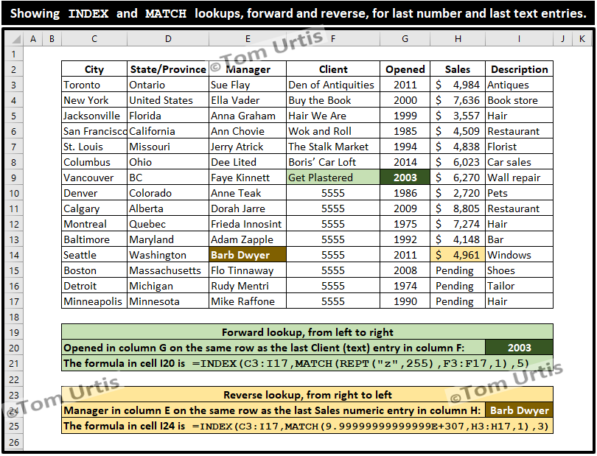

4984 | 4961
7636
3557
4509
4838
6023
6270
2720
8805
7274
4148
4961
Pending
Pending
Pending

