Report
From | To | Tax Rate
0 | 10000 | 0
10001 | 50000 | 0.19
50001 | 100000 | 0.325
100001 | 180000 | 0.37
180001 | Over | 0.45

Person | Tax_Income
A | 1999
B | 26068
C | 106439
D | 28521
E | 148566

Person | Tax_Income | Tax
A | 1999 | 0
B | 26068 | 3052.73
C | 106439 | 26231.545
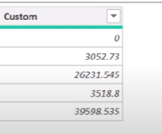
D | 28521 | 3518.8
E | 148566 | 41818.535

