Report
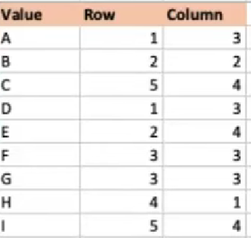
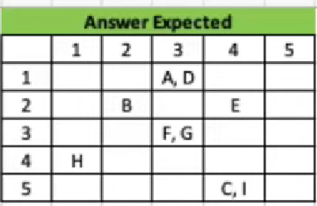
Value | Row | Column
Α | 1 | 3
B | 2 | 2
C | 5 | 4
D | 1 | 3
E | 2 | 4 |  | 1 | 2 | 3 | 4 | 5
F | 3 | 3 | 1 |  |  | Α, D
G | 3 | 3 | 2 |  | B |  | E
Η | 4 | 1 | 3 |  |  | F, G
I | 5 | 4 | 4 | Η
 |  |  | 5 |  |  |  | C, I

