Basics
Area (acres) | 285
Lakeshed Area (acres) | 2,012
Maximum Depth (feet) | 39
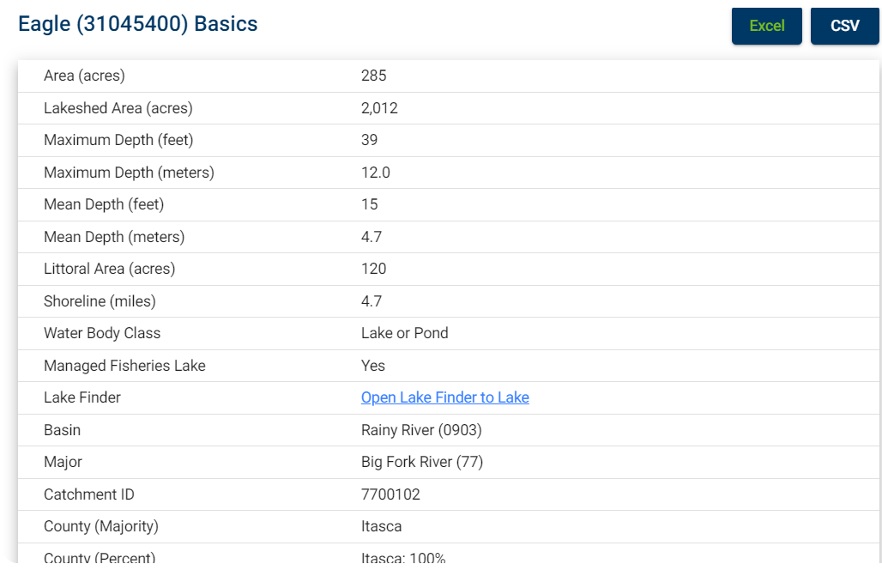
Maximum Depth (meters) | 12.0
Mean Depth (feet) | 15
Mean Depth (meters) | 4.7
Littoral Area (acres) | 120
Shoreline (miles) | 4.7
Water Body Class | Lake or Pond
Managed Fisheries Lake | Yes
Lake Finder | Open Lake Finder to Lake , opens in a new window
Basin | Rainy River (0903)
Major | Big Fork River (77)
Catchment ID | 7700102
County (Majority) | Itasca
County (Percent) | Itasca: 100%

