Sheet1
FROM: | Mark Biegert
SUBJECT: |  |  |  |  |  |  |  | https://real-statistics.com/multiple-regression/multiple-regression-analysis/categorical-coding-regression/
DATE: | 13-Sep-2021
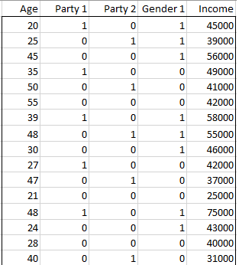
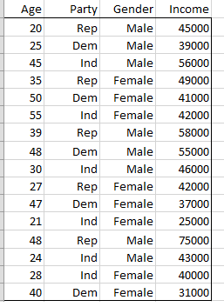

 |  | Age | Party 1 | Party 2 | Gender 1 | Income
 |  | 20 | 1 | 0 | 1 | 45000
 |  | 25 | 0 | 1 | 1 | 39000
 |  | 45 | 0 | 0 | 1 | 56000
 |  | 35 | 1 | 0 | 0 | 49000
 |  | 50 | 0 | 1 | 0 | 41000
 |  | 55 | 0 | 0 | 0 | 42000
 |  | 39 | 1 | 0 | 1 | 58000
 |  | 48 | 0 | 1 | 1 | 55000
 |  | 30 | 0 | 0 | 1 | 46000
 |  | 27 | 1 | 0 | 0 | 42000
 |  | 47 | 0 | 1 | 0 | 37000
 |  | 21 | 0 | 0 | 0 | 25000
 |  | 48 | 1 | 0 | 1 | 75000
 |  | 24 | 0 | 0 | 1 | 43000
 |  | 28 | 0 | 0 | 0 | 40000
 |  | 40 | 0 | 1 | 0 | 31000

Age Residual Plot
 |  |  |  |  |  |  | SUMMARY OUTPUT

Party 1 Residual Plot
Party 2 Residual Plot
 |  |  |  |  |  |  | Regression Statistics
 |  |  |  |  |  |  | Multiple R | 0.93963765591
 |  |  |  |  |  |  | R Square | 0.8829189244
 |  |  |  |  |  |  | Adjusted R Square | 0.84034398782
Gender 1 Residual Plot
 |  |  |  |  |  |  | Standard Error | 4688.2097873
 |  |  |  |  |  |  | Observations | 16
Age Line Fit Plot
Party 1 Line Fit Plot
 |  |  |  |  |  |  | ANOVA
 |  |  |  |  |  |  |  | df | SS | MS | F | Significance F
 |  |  |  |  |  |  | Regression | 4 | 1823227578.9 | 455806894.72 | 20.737997407 | 4.4084096922E-05
Party 2 Line Fit Plot
 |  |  |  |  |  |  | Residual | 11 | 241772421.11 | 21979311.01
 |  |  |  |  |  |  | Total | 15 | 2065000000
Gender 1 Line Fit Plot
 |  |  |  |  |  |  |  | Coefficients | Standard Error | t Stat | P-value | Lower 95% | Upper 95% | Lower 95.0% | Upper 95.0%
 |  |  |  |  |  |  | Intercept | 13994.703836 | 4506.4962104 | 3.1054511494 | 0.010006342125 | 4075.9725534 | 23913.435119 | 4075.9725534 | 23913.435119
 |  |  |  |  |  |  | Age | 625.61188402 | 112.01746869 | 5.5849493062 | 0.00016395518216 | 379.06309777 | 872.16067027 | 379.06309777 | 872.16067027
 |  |  |  |  |  |  | Party 1 | 10453.101579 | 2848.8238401 | 3.6692692021 | 0.0036943350834 | 4182.8825829 | 16723.320574 | 4182.8825829 | 16723.320574
 |  |  |  |  |  |  | Party 2 | -5141.4115686 | 2985.1823269 | -1.7223107353 | 0.11297337214 | -11711.75357 | 1428.9304331 | -11711.75357 | 1428.9304331
 |  |  |  |  |  |  | Gender 1 | 13677.521509 | 2384.7867075 | 5.7353227715 | 0.00013117399626 | 8428.6413555 | 18926.401662 | 8428.6413555 | 18926.401662

 |  |  |  |  |  |  | RESIDUAL OUTPUT

 |  |  |  |  |  |  | Observation | Predicted Income | Residuals
 |  |  |  |  |  |  | 1 | 50637.564604 | -5637.564604
 |  |  |  |  |  |  | 2 | 38171.110877 | 828.8891231
 |  |  |  |  |  |  | 3 | 55824.760126 | 175.23987415
 |  |  |  |  |  |  | 4 | 46344.221356 | 2655.7786444
 |  |  |  |  |  |  | 5 | 40133.886469 | 866.11353132
 |  |  |  |  |  |  | 6 | 48403.357457 | -6403.3574574
 |  |  |  |  |  |  | 7 | 62524.1904 | -4524.1904003
 |  |  |  |  |  |  | 8 | 52560.184209 | 2439.8157907
 |  |  |  |  |  |  | 9 | 46440.581866 | -440.58186559
 |  |  |  |  |  |  | 10 | 41339.326283 | 660.67371651
 |  |  |  |  |  |  | 11 | 38257.050817 | -1257.0508166
 |  |  |  |  |  |  | 12 | 27132.553401 | -2132.5534008
 |  |  |  |  |  |  | 13 | 68154.697357 | 6845.3026435
 |  |  |  |  |  |  | 14 | 42686.910561 | 313.08943851
 |  |  |  |  |  |  | 15 | 31511.836589 | 8488.1634111
 |  |  |  |  |  |  | 16 | 33877.767629 | -2877.7676285

