Sheet1
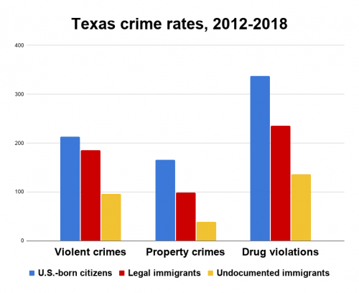
FROM: | Mark Biegert
SUBJECT:
DATE:
Texas crime rates, 2012-2018

 |  |  | Violent Crimes | Property Crimes | Drug violations
 |  | US Born Citizens | 205 | 180 | 330
 |  | Legal Immigrants | 180 | 100 | 225
 |  | Undocumented Immigrants | 95 | 33 | 125

