AlternativeView
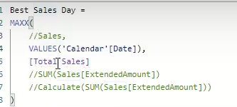
FROM: | Mark Biegert
SUBJECT: | Better Example |  |  | Link |  |  |  | Let's discuss why some cases don't work.
DATE: | 31-Dec-2023 |  |  |  |  |  |  | If we use Sales, there are multiple sales on each date.
 |  |  |  |  |  |  |  | The MAXX function will return the max value for a specific date.

 | Date | Order | Sales |  | Date (Month) | BestSalesDay | Date
 | 1-Jan-01 | A | 1 |  | Jan | 100 | 2001-01-01
 | 1-Jan-01 | B | 2 |  | Feb | 1000 | 2001-01-02 | We need to have unique date values. The SUM will aggregate over that unique date.
 | 1-Jan-01 | C | 3 |  | Mar | 10000 | 2001-01-03
 | 1-Jan-01 | D | 4 |  | Grand Total | 10000 | 2001-01-04
 | 7-Jan-01 | A | 10 |  |  |  | 2001-01-05 | Now using the VALUES function with the measure, we get the right answer.
 | 7-Jan-01 | B | 20 |  |  |  | 2001-01-06
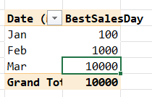
 | 7-Jan-01 | C | 30 |  |  |  | 2001-01-07
 | 7-Jan-01 | D | 40 |  |  |  | 2001-01-08
 | 1-Feb-01 | A | 1 |  |  |  | 2001-01-09
 | 1-Feb-01 | B | 2 |  |  |  | 2001-01-10
 | 1-Feb-01 | C | 3 |  |  |  | 2001-01-11
 | 1-Feb-01 | D | 4 |  |  |  | 2001-01-12
 | 7-Feb-01 | A | 100 |  |  |  | 2001-01-13
 | 7-Feb-01 | B | 200 |  |  |  | 2001-01-14 | This performs a context transition as it moves the date to a column and filters.
 | 7-Feb-01 | C | 300 |  |  |  | 2001-01-15 | Measures have an implicit calculate around them.
 | 7-Feb-01 | D | 400 |  |  |  | 2001-01-16
 | 1-Mar-01 | A | 1 |  |  |  | 2001-01-17 | We also get the correct result by putting the CALCULATE around the naked function,
 | 1-Mar-01 | B | 2 |  |  |  | 2001-01-18 | because calculate performs a context transition.
 | 1-Mar-01 | C | 3 |  |  |  | 2001-01-19
 | 1-Mar-01 | D | 4 |  |  |  | 2001-01-20 | With just the naked function, there is no context transition.
 | 7-Mar-01 | A | 1000 |  |  |  | 2001-01-21
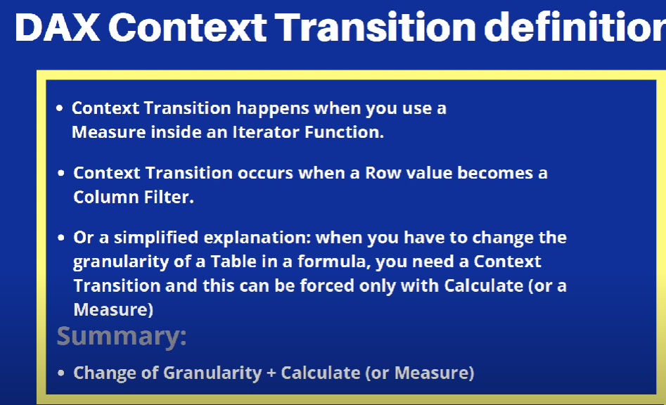
 | 7-Mar-01 | B | 2000 |  |  |  | 2001-01-22
 | 7-Mar-01 | C | 3000 |  |  |  | 2001-01-23
 | 7-Mar-01 | D | 4000 |  |  |  | 2001-01-24
 |  |  |  |  |  |  | 2001-01-25
 |  |  |  |  |  |  | 2001-01-26
 |  |  |  |  |  |  | 2001-01-27
 |  |  |  |  |  |  | 2001-01-28
 |  |  |  |  |  |  | 2001-01-29
 |  |  |  |  |  |  | 2001-01-30
 |  |  |  |  |  |  | 2001-01-31
 |  |  |  |  |  |  | 2001-02-01
 |  |  |  |  |  |  | 2001-02-02
 |  |  |  |  |  |  | 2001-02-03
 |  |  |  |  |  |  | 2001-02-04
 |  |  |  |  |  |  | 2001-02-05
 |  |  |  |  |  |  | 2001-02-06
 |  |  |  |  |  |  | 2001-02-07
 |  |  |  |  |  |  | 2001-02-08
 |  |  |  |  |  |  | 2001-02-09
 |  |  |  |  |  |  | 2001-02-10
 |  |  |  |  |  |  | 2001-02-11
 |  |  |  |  |  |  | 2001-02-12
 |  |  |  |  |  |  | 2001-02-13
 |  |  |  |  |  |  | 2001-02-14
 |  |  |  |  |  |  | 2001-02-15
 |  |  |  |  |  |  | 2001-02-16
 |  |  |  |  |  |  | 2001-02-17
 |  |  |  |  |  |  | 2001-02-18
 |  |  |  |  |  |  | 2001-02-19
 |  |  |  |  |  |  | 2001-02-20
 |  |  |  |  |  |  | 2001-02-21
 |  |  |  |  |  |  | 2001-02-22
 |  |  |  |  |  |  | 2001-02-23
 |  |  |  |  |  |  | 2001-02-24
 |  |  |  |  |  |  | 2001-02-25
 |  |  |  |  |  |  | 2001-02-26
 |  |  |  |  |  |  | 2001-02-27
 |  |  |  |  |  |  | 2001-02-28
 |  |  |  |  |  |  | 2001-03-01
 |  |  |  |  |  |  | 2001-03-02
 |  |  |  |  |  |  | 2001-03-03
 |  |  |  |  |  |  | 2001-03-04
 |  |  |  |  |  |  | 2001-03-05
 |  |  |  |  |  |  | 2001-03-06
 |  |  |  |  |  |  | 2001-03-07
 |  |  |  |  |  |  | 2001-03-08
 |  |  |  |  |  |  | 2001-03-09
 |  |  |  |  |  |  | 2001-03-10
 |  |  |  |  |  |  | 2001-03-11
 |  |  |  |  |  |  | 2001-03-12
 |  |  |  |  |  |  | 2001-03-13
 |  |  |  |  |  |  | 2001-03-14
 |  |  |  |  |  |  | 2001-03-15
 |  |  |  |  |  |  | 2001-03-16
 |  |  |  |  |  |  | 2001-03-17
 |  |  |  |  |  |  | 2001-03-18
 |  |  |  |  |  |  | 2001-03-19
 |  |  |  |  |  |  | 2001-03-20
 |  |  |  |  |  |  | 2001-03-21
 |  |  |  |  |  |  | 2001-03-22
 |  |  |  |  |  |  | 2001-03-23
 |  |  |  |  |  |  | 2001-03-24
 |  |  |  |  |  |  | 2001-03-25
 |  |  |  |  |  |  | 2001-03-26
 |  |  |  |  |  |  | 2001-03-27
 |  |  |  |  |  |  | 2001-03-28
 |  |  |  |  |  |  | 2001-03-29
 |  |  |  |  |  |  | 2001-03-30
 |  |  |  |  |  |  | 2001-03-31
 |  |  |  |  |  |  | 2001-04-01
 |  |  |  |  |  |  | 2001-04-02
 |  |  |  |  |  |  | 2001-04-03
 |  |  |  |  |  |  | 2001-04-04
 |  |  |  |  |  |  | 2001-04-05
 |  |  |  |  |  |  | 2001-04-06
 |  |  |  |  |  |  | 2001-04-07
 |  |  |  |  |  |  | 2001-04-08
 |  |  |  |  |  |  | 2001-04-09
 |  |  |  |  |  |  | 2001-04-10

Formats

FROM: | Mark Biegert
SUBJECT:
DATE: | 31-Dec-2023

Table Formats

 | Category A | Category B | Category C | Value
 | A | 1 | a | 1
 | A | 2 | b | 2
 | B | 1 | a | 3
 | B | 2 | b | 4
 | C | 1 | a | 5
 | C | 2 | b | 6

 | Sum of Value |  | Category C
 | Category A | Category B | a | b | Grand Total
 | A
 |  | 1 | 1 |  | 1
 |  | 2 |  | 2 | 2
 | B
 |  | 1 | 3 |  | 3
 |  | 2 |  | 4 | 4
 | C
 |  | 1 | 5 |  | 5
 |  | 2 |  | 6 | 6
 | Grand Total |  | 9 | 12 | 21

Tab Colors

 | Data Tabs
 | Report Tabs
 | Analysis Tabs
 | Metadata Tabs

