Sheet1
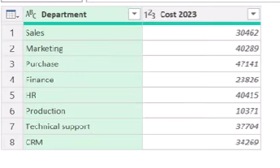
 |  | https://www.youtube.com/watch?v=G8PRbWuDcmQ
Department | Cost 2023
Sales | 30462
Marketing | 40289
Purchase | 47141
Finance | 23826
HR | 40415
Production | 10371
Technical Support | 37704
CRM | 34269

