Report
FROM: | Mark Biegert
SUBJECT: | UK Tank Production Summary Table
DATE: | 29-May-2023
 |  |  |  |  |  |  |  |  |  |  |  |  |  |  |  |  |  |  |  | _tLong |  |  | _tDim

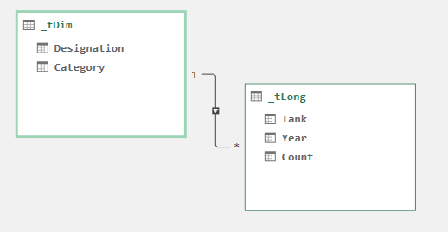
 | UK Tank Totals |  | Year |  |  |  |  |  |  |  |  |  |  |  |  |  |  |  |  | Tank | Year | Count | Designation | Category
 | Tank Category | Tank | 1939 | 1940 | 1941 | 1942 | 1943 | 1944 | 1945 | Total |  |  |  |  |  |  |  |  |  | Cavalier | 1939 | 0 | Light Mark VI 1 | Light
 | Infantry |  | 130 | 748 | 3,351 | 5,275 | 3,315 | 1,342 | 346 | 14,507 |  |  |  |  |  |  |  |  |  | Cavalier | 1940 | 0 | Tetrarch | Light
 |  | A.11 Infantry | 106 | 33 | 0 | 0 | 0 | 0 | 0 | 139 |  |  |  |  |  |  |  |  |  | Cavalier | 1941 | 0 | Harry Hopkins | Light
 |  | Churchill | 0 | 0 | 690 | 1,731 | 1,360 | 495 | 0 | 4,276 |  |  |  |  |  |  |  |  |  | Cavalier | 1942 | 0 | A.11 Infantry | Infantry
 |  | Heavy Churchill | 0 | 0 | 0 | 0 | 4 | 567 | 346 | 917 |  |  |  |  |  |  |  |  |  | Cavalier | 1945 | 0 | Valentine | Infantry
 |  | Matilda | 24 | 361 | 1,040 | 1,330 | 153 | 0 | 0 | 2,908 |  |  |  |  |  |  |  |  |  | Centaur | 1939 | 0 | Churchill | Infantry
 |  | Valentine | 0 | 354 | 1,621 | 2,214 | 1,798 | 280 | 0 | 6,267 |  |  |  |  |  |  |  |  |  | Centaur | 1940 | 0 | Matilda | Infantry
 | Cruiser |  | 150 | 476 | 1,413 | 3,329 | 3,872 | 2,602 | 606 | 12,448 |  |  |  |  |  |  |  |  |  | Centaur | 1941 | 0 | Heavy Churchill | Infantry
 |  | A.10 Cruiser | 1 | 159 | 10 | 0 | 0 | 0 | 0 | 170 |  |  |  |  |  |  |  |  |  | Centaur | 1945 | 0 | Cavalier | Cruiser
 |  | A.9 Cruiser | 76 | 49 | 0 | 0 | 0 | 0 | 0 | 125 |  |  |  |  |  |  |  |  |  | Cromwell | 1939 | 0 | Centaur | Cruiser
 |  | Cavalier | 0 | 0 | 0 | 0 | 375 | 105 | 0 | 480 |  |  |  |  |  |  |  |  |  | Cromwell | 1940 | 0 | Cromwell | Cruiser
 |  | Centaur | 0 | 0 | 0 | 2 | 1,252 | 274 | 0 | 1,528 |  |  |  |  |  |  |  |  |  | Cromwell | 1941 | 0 | Challenger | Cruiser
 |  | Challenger | 0 | 0 | 0 | 0 | 0 | 145 | 47 | 192 |  |  |  |  |  |  |  |  |  | Challenger | 1939 | 0 | Comet | Cruiser
 |  | Comet | 0 | 0 | 0 | 0 | 0 | 143 | 480 | 623 |  |  |  |  |  |  |  |  |  | Challenger | 1940 | 0 | A.9 Cruiser | Cruiser
 |  | Covenanter | 0 | 9 | 746 | 986 | 29 | 0 | 0 | 1,770 |  |  |  |  |  |  |  |  |  | Challenger | 1941 | 0 | A.10 Cruiser | Cruiser
 |  | Cromwell | 0 | 0 | 0 | 1 | 421 | 1,935 | 79 | 2,436 |  |  |  |  |  |  |  |  |  | Challenger | 1942 | 0 | Cruiser III | Cruiser
 |  | Cromwell X/III | 0 | 0 | 0 | 0 | 111 | 0 | 0 | 111 |  |  |  |  |  |  |  |  |  | Challenger | 1943 | 0 | Cruiser IV | Cruiser
 |  | Cruiser III | 65 | 0 | 0 | 0 | 0 | 0 | 0 | 65 | Tank Category | 1939 | 1940 | 1941 | 1942 | 1943 | 1944 | 1945 | Total | Comet | 1939 | 0 | Covenanter | Cruiser
 |  | Cruiser IV | 8 | 257 | 5 | 0 | 0 | 0 | 0 | 270 | Infantry | 130 | 748 | 3351 | 5275 | 3315 | 1342 | 346 | 14507 | Comet | 1940 | 0 | Crusader | Cruiser
 |  | Crusader | 0 | 2 | 652 | 2,340 | 1,684 | 0 | 0 | 4,678 | Cruiser | 150 | 476 | 1413 | 3329 | 3872 | 2602 | 606 | 12448 | Comet | 1941 | 0 | Cromwell X/III | Cruiser
 | Conversion |  | 0 | 0 | 0 | 0 | 239 | 4,102 | 717 | 5,058 | Conversion | 0 | 0 | 0 | 0 | 239 | 4102 | 717 | 5058 | Comet | 1942 | 0 | Valentine SP | Conversion
 |  | Cavalier OP | 0 | 0 | 0 | 0 | 0 | 17 | 0 | 17 | Light | 1182 | 155 | 73 | 18 | 30 | 56 | 12 | 1526 | Comet | 1943 | 0 | Valentine DD | Conversion
 |  | Centaur AA | 0 | 0 | 0 | 0 | 0 | 149 | 0 | 149 | Total | 1462 | 1379 | 4837 | 8622 | 7456 | 8102 | 1681 | 33539 | A.11 Infantry | 1941 | 0 | Crusader Hulls | Conversion
 |  | Centaur Bulldozer | 0 | 0 | 0 | 0 | 0 | 74 | 23 | 97 |  |  |  |  |  |  |  |  |  | A.11 Infantry | 1942 | 0 | Cavalier OP | Conversion
UK Tank Production By Year and Type
 |  | Crusader Hulls | 0 | 0 | 0 | 0 | 239 | 0 | 0 | 239 |  |  |  |  |  |  |  |  |  | A.11 Infantry | 1943 | 0 | Centaur AA | Conversion
 |  | M-10 17-pdr | 0 | 0 | 0 | 0 | 0 | 790 | 225 | 1,015 |  |  |  |  |  |  |  |  |  | A.11 Infantry | 1944 | 0 | Centaur Bulldozer | Conversion
 |  | Sherman 17-pdr | 0 | 0 | 0 | 0 | 0 | 1,783 | 291 | 2,074 |  |  |  |  |  |  |  |  |  | A.11 Infantry | 1945 | 0 | Sherman DD | Conversion
 |  | Sherman DD | 0 | 0 | 0 | 0 | 0 | 693 | 0 | 693 |  |  |  |  |  |  |  |  |  | Valentine | 1939 | 0 | Sherman 17-pdr | Conversion
 |  | Valentine DD | 0 | 0 | 0 | 0 | 0 | 247 | 0 | 247 |  |  |  |  |  |  |  |  |  | Valentine | 1945 | 0 | M-10 17-pdr | Conversion
 |  | Valentine SP | 0 | 0 | 0 | 0 | 0 | 349 | 178 | 527 |  |  |  |  |  |  |  |  |  | Valentine SP | 1939 | 0
 | Light |  | 1,182 | 155 | 73 | 18 | 30 | 56 | 12 | 1,526 |  |  |  |  |  |  |  |  |  | Valentine SP | 1940 | 0
 |  | Harry Hopkins | 0 | 0 | 0 | 6 | 30 | 56 | 12 | 104 |  |  |  |  |  |  |  |  |  | Valentine SP | 1941 | 0
 |  | Light Mark VI 1 | 1,182 | 140 | 0 | 0 | 0 | 0 | 0 | 1,322 |  |  |  |  |  |  |  |  |  | Valentine SP | 1942 | 0
 |  | Tetrarch | 0 | 15 | 73 | 12 | 0 | 0 | 0 | 100 |  |  |  |  |  |  |  |  |  | Valentine SP | 1943 | 0
 | Total |  | 1,462 | 1,379 | 4,837 | 8,622 | 7,456 | 8,102 | 1,681 | 33,539 |  |  |  |  |  |  |  |  |  | Valentine DD | 1939 | 0
 |  |  |  |  |  |  |  |  |  |  |  |  |  |  |  |  |  |  |  | Valentine DD | 1940 | 0
 |  |  |  |  |  |  |  |  |  |  |  |  |  |  |  |  |  |  |  | Valentine DD | 1941 | 0
 |  |  |  |  |  |  |  |  |  |  |  |  |  |  |  |  |  |  |  | Valentine DD | 1942 | 0
 |  |  |  |  |  |  |  |  |  |  |  |  |  |  |  |  |  |  |  | Valentine DD | 1943 | 0
 |  |  |  |  |  |  |  |  |  |  |  |  |  |  |  |  |  |  |  | Valentine DD | 1945 | 0
 |  |  |  |  |  |  |  |  |  |  |  |  |  |  |  |  |  |  |  | Churchill | 1939 | 0
 |  |  |  |  |  |  |  |  |  |  |  |  |  |  |  |  |  |  |  | Churchill | 1940 | 0
 |  |  |  |  |  |  |  |  |  |  |  |  |  |  |  |  |  |  |  | Churchill | 1945 | 0
 |  |  |  |  |  |  |  |  |  |  |  |  |  |  |  |  |  |  |  | Light Mark VI 1 | 1941 | 0
 |  |  |  |  |  |  |  |  |  |  |  |  |  |  |  |  |  |  |  | Light Mark VI 1 | 1942 | 0
 |  |  |  |  |  |  |  |  |  |  |  |  |  |  |  |  |  |  |  | Light Mark VI 1 | 1943 | 0
 |  |  |  |  |  |  |  |  |  |  |  |  |  |  |  |  |  |  |  | Light Mark VI 1 | 1944 | 0
 |  |  |  |  |  |  |  |  |  |  |  |  |  |  |  |  |  |  |  | Light Mark VI 1 | 1945 | 0
 |  |  |  |  |  |  |  |  |  |  |  |  |  |  |  |  |  |  |  | Tetrarch | 1939 | 0
 |  |  |  |  |  |  |  |  |  |  |  |  |  |  |  |  |  |  |  | Tetrarch | 1943 | 0
 |  |  |  |  |  |  |  |  |  |  |  |  |  |  |  |  |  |  |  | Tetrarch | 1944 | 0
 |  |  |  |  |  |  |  |  |  |  |  |  |  |  |  |  |  |  |  | Tetrarch | 1945 | 0
 |  |  |  |  |  |  |  |  |  |  |  |  |  |  |  |  |  |  |  | Harry Hopkins | 1939 | 0
 |  |  |  |  |  |  |  |  |  |  |  |  |  |  |  |  |  |  |  | Harry Hopkins | 1940 | 0
 |  |  |  |  |  |  |  |  |  |  |  |  |  |  |  |  |  |  |  | Harry Hopkins | 1941 | 0
 |  |  |  |  |  |  |  |  |  |  |  |  |  |  |  |  |  |  |  | Matilda | 1944 | 0
 |  |  |  |  |  |  |  |  |  |  |  |  |  |  |  |  |  |  |  | Matilda | 1945 | 0
 |  |  |  |  |  |  |  |  |  |  |  |  |  |  |  |  |  |  |  | Heavy Churchill | 1939 | 0
 |  |  |  |  |  |  |  |  |  |  |  |  |  |  |  |  |  |  |  | Heavy Churchill | 1940 | 0
 |  |  |  |  |  |  |  |  |  |  |  |  |  |  |  |  |  |  |  | Heavy Churchill | 1941 | 0
 |  |  |  |  |  |  |  |  |  |  |  |  |  |  |  |  |  |  |  | Heavy Churchill | 1942 | 0
 |  |  |  |  |  |  |  |  |  |  |  |  |  |  |  |  |  |  |  | A.9 Cruiser | 1941 | 0
 |  |  |  |  |  |  |  |  |  |  |  |  |  |  |  |  |  |  |  | A.9 Cruiser | 1942 | 0
 |  |  |  |  |  |  |  |  |  |  |  |  |  |  |  |  |  |  |  | A.9 Cruiser | 1943 | 0
 |  |  |  |  |  |  |  |  |  |  |  |  |  |  |  |  |  |  |  | A.9 Cruiser | 1944 | 0
 |  |  |  |  |  |  |  |  |  |  |  |  |  |  |  |  |  |  |  | A.9 Cruiser | 1945 | 0
 |  |  |  |  |  |  |  |  |  |  |  |  |  |  |  |  |  |  |  | A.10 Cruiser | 1942 | 0
 |  |  |  |  |  |  |  |  |  |  |  |  |  |  |  |  |  |  |  | A.10 Cruiser | 1943 | 0
 |  |  |  |  |  |  |  |  |  |  |  |  |  |  |  |  |  |  |  | A.10 Cruiser | 1944 | 0
 |  |  |  |  |  |  |  |  |  |  |  |  |  |  |  |  |  |  |  | A.10 Cruiser | 1945 | 0
 |  |  |  |  |  |  |  |  |  |  |  |  |  |  |  |  |  |  |  | Cruiser III | 1940 | 0
 |  |  |  |  |  |  |  |  |  |  |  |  |  |  |  |  |  |  |  | Cruiser III | 1941 | 0
 |  |  |  |  |  |  |  |  |  |  |  |  |  |  |  |  |  |  |  | Cruiser III | 1942 | 0
 |  |  |  |  |  |  |  |  |  |  |  |  |  |  |  |  |  |  |  | Cruiser III | 1943 | 0
 |  |  |  |  |  |  |  |  |  |  |  |  |  |  |  |  |  |  |  | Cruiser III | 1944 | 0
 |  |  |  |  |  |  |  |  |  |  |  |  |  |  |  |  |  |  |  | Cruiser III | 1945 | 0
 |  |  |  |  |  |  |  |  |  |  |  |  |  |  |  |  |  |  |  | Cruiser IV | 1942 | 0
 |  |  |  |  |  |  |  |  |  |  |  |  |  |  |  |  |  |  |  | Cruiser IV | 1943 | 0
 |  |  |  |  |  |  |  |  |  |  |  |  |  |  |  |  |  |  |  | Cruiser IV | 1944 | 0
 |  |  |  |  |  |  |  |  |  |  |  |  |  |  |  |  |  |  |  | Cruiser IV | 1945 | 0
 |  |  |  |  |  |  |  |  |  |  |  |  |  |  |  |  |  |  |  | Covenanter | 1939 | 0
 |  |  |  |  |  |  |  |  |  |  |  |  |  |  |  |  |  |  |  | Covenanter | 1944 | 0
 |  |  |  |  |  |  |  |  |  |  |  |  |  |  |  |  |  |  |  | Covenanter | 1945 | 0
 |  |  |  |  |  |  |  |  |  |  |  |  |  |  |  |  |  |  |  | Crusader | 1939 | 0
 |  |  |  |  |  |  |  |  |  |  |  |  |  |  |  |  |  |  |  | Crusader | 1944 | 0
 |  |  |  |  |  |  |  |  |  |  |  |  |  |  |  |  |  |  |  | Crusader | 1945 | 0
 |  |  |  |  |  |  |  |  |  |  |  |  |  |  |  |  |  |  |  | Crusader Hulls | 1939 | 0
 |  |  |  |  |  |  |  |  |  |  |  |  |  |  |  |  |  |  |  | Crusader Hulls | 1940 | 0
 |  |  |  |  |  |  |  |  |  |  |  |  |  |  |  |  |  |  |  | Crusader Hulls | 1941 | 0
 |  |  |  |  |  |  |  |  |  |  |  |  |  |  |  |  |  |  |  | Crusader Hulls | 1942 | 0
 |  |  |  |  |  |  |  |  |  |  |  |  |  |  |  |  |  |  |  | Crusader Hulls | 1944 | 0
 |  |  |  |  |  |  |  |  |  |  |  |  |  |  |  |  |  |  |  | Crusader Hulls | 1945 | 0
 |  |  |  |  |  |  |  |  |  |  |  |  |  |  |  |  |  |  |  | Cavalier OP | 1939 | 0
 |  |  |  |  |  |  |  |  |  |  |  |  |  |  |  |  |  |  |  | Cavalier OP | 1940 | 0
 |  |  |  |  |  |  |  |  |  |  |  |  |  |  |  |  |  |  |  | Cavalier OP | 1941 | 0
 |  |  |  |  |  |  |  |  |  |  |  |  |  |  |  |  |  |  |  | Cavalier OP | 1942 | 0
 |  |  |  |  |  |  |  |  |  |  |  |  |  |  |  |  |  |  |  | Cavalier OP | 1943 | 0
 |  |  |  |  |  |  |  |  |  |  |  |  |  |  |  |  |  |  |  | Cavalier OP | 1945 | 0
 |  |  |  |  |  |  |  |  |  |  |  |  |  |  |  |  |  |  |  | Centaur AA | 1939 | 0
 |  |  |  |  |  |  |  |  |  |  |  |  |  |  |  |  |  |  |  | Centaur AA | 1940 | 0
 |  |  |  |  |  |  |  |  |  |  |  |  |  |  |  |  |  |  |  | Centaur AA | 1941 | 0
 |  |  |  |  |  |  |  |  |  |  |  |  |  |  |  |  |  |  |  | Centaur AA | 1942 | 0
 |  |  |  |  |  |  |  |  |  |  |  |  |  |  |  |  |  |  |  | Centaur AA | 1943 | 0
 |  |  |  |  |  |  |  |  |  |  |  |  |  |  |  |  |  |  |  | Centaur AA | 1945 | 0
 |  |  |  |  |  |  |  |  |  |  |  |  |  |  |  |  |  |  |  | Centaur Bulldozer | 1939 | 0
 |  |  |  |  |  |  |  |  |  |  |  |  |  |  |  |  |  |  |  | Centaur Bulldozer | 1940 | 0
 |  |  |  |  |  |  |  |  |  |  |  |  |  |  |  |  |  |  |  | Centaur Bulldozer | 1941 | 0
 |  |  |  |  |  |  |  |  |  |  |  |  |  |  |  |  |  |  |  | Centaur Bulldozer | 1942 | 0
 |  |  |  |  |  |  |  |  |  |  |  |  |  |  |  |  |  |  |  | Centaur Bulldozer | 1943 | 0
 |  |  |  |  |  |  |  |  |  |  |  |  |  |  |  |  |  |  |  | Cromwell X/III | 1939 | 0
 |  |  |  |  |  |  |  |  |  |  |  |  |  |  |  |  |  |  |  | Cromwell X/III | 1940 | 0
 |  |  |  |  |  |  |  |  |  |  |  |  |  |  |  |  |  |  |  | Cromwell X/III | 1941 | 0
 |  |  |  |  |  |  |  |  |  |  |  |  |  |  |  |  |  |  |  | Cromwell X/III | 1942 | 0
 |  |  |  |  |  |  |  |  |  |  |  |  |  |  |  |  |  |  |  | Cromwell X/III | 1944 | 0
 |  |  |  |  |  |  |  |  |  |  |  |  |  |  |  |  |  |  |  | Cromwell X/III | 1945 | 0
 |  |  |  |  |  |  |  |  |  |  |  |  |  |  |  |  |  |  |  | Sherman DD | 1939 | 0
 |  |  |  |  |  |  |  |  |  |  |  |  |  |  |  |  |  |  |  | Sherman DD | 1940 | 0
 |  |  |  |  |  |  |  |  |  |  |  |  |  |  |  |  |  |  |  | Sherman DD | 1941 | 0
 |  |  |  |  |  |  |  |  |  |  |  |  |  |  |  |  |  |  |  | Sherman DD | 1942 | 0
 |  |  |  |  |  |  |  |  |  |  |  |  |  |  |  |  |  |  |  | Sherman DD | 1943 | 0
 |  |  |  |  |  |  |  |  |  |  |  |  |  |  |  |  |  |  |  | Sherman DD | 1945 | 0
 |  |  |  |  |  |  |  |  |  |  |  |  |  |  |  |  |  |  |  | Sherman 17-pdr | 1939 | 0
 |  |  |  |  |  |  |  |  |  |  |  |  |  |  |  |  |  |  |  | Sherman 17-pdr | 1940 | 0
 |  |  |  |  |  |  |  |  |  |  |  |  |  |  |  |  |  |  |  | Sherman 17-pdr | 1941 | 0
 |  |  |  |  |  |  |  |  |  |  |  |  |  |  |  |  |  |  |  | Sherman 17-pdr | 1942 | 0
 |  |  |  |  |  |  |  |  |  |  |  |  |  |  |  |  |  |  |  | Sherman 17-pdr | 1943 | 0
 |  |  |  |  |  |  |  |  |  |  |  |  |  |  |  |  |  |  |  | M-10 17-pdr | 1939 | 0
 |  |  |  |  |  |  |  |  |  |  |  |  |  |  |  |  |  |  |  | M-10 17-pdr | 1940 | 0
 |  |  |  |  |  |  |  |  |  |  |  |  |  |  |  |  |  |  |  | M-10 17-pdr | 1941 | 0
 |  |  |  |  |  |  |  |  |  |  |  |  |  |  |  |  |  |  |  | M-10 17-pdr | 1942 | 0
 |  |  |  |  |  |  |  |  |  |  |  |  |  |  |  |  |  |  |  | M-10 17-pdr | 1943 | 0
 |  |  |  |  |  |  |  |  |  |  |  |  |  |  |  |  |  |  |  | Cavalier | 1943 | 375
 |  |  |  |  |  |  |  |  |  |  |  |  |  |  |  |  |  |  |  | Cavalier | 1944 | 105
 |  |  |  |  |  |  |  |  |  |  |  |  |  |  |  |  |  |  |  | Centaur | 1942 | 2
 |  |  |  |  |  |  |  |  |  |  |  |  |  |  |  |  |  |  |  | Centaur | 1943 | 1252
 |  |  |  |  |  |  |  |  |  |  |  |  |  |  |  |  |  |  |  | Centaur | 1944 | 274
 |  |  |  |  |  |  |  |  |  |  |  |  |  |  |  |  |  |  |  | Cromwell | 1942 | 1
 |  |  |  |  |  |  |  |  |  |  |  |  |  |  |  |  |  |  |  | Cromwell | 1943 | 421
 |  |  |  |  |  |  |  |  |  |  |  |  |  |  |  |  |  |  |  | Cromwell | 1944 | 1935
 |  |  |  |  |  |  |  |  |  |  |  |  |  |  |  |  |  |  |  | Cromwell | 1945 | 79
 |  |  |  |  |  |  |  |  |  |  |  |  |  |  |  |  |  |  |  | Challenger | 1944 | 145
 |  |  |  |  |  |  |  |  |  |  |  |  |  |  |  |  |  |  |  | Challenger | 1945 | 47
 |  |  |  |  |  |  |  |  |  |  |  |  |  |  |  |  |  |  |  | Comet | 1944 | 143
 |  |  |  |  |  |  |  |  |  |  |  |  |  |  |  |  |  |  |  | Comet | 1945 | 480
 |  |  |  |  |  |  |  |  |  |  |  |  |  |  |  |  |  |  |  | A.11 Infantry | 1939 | 106
 |  |  |  |  |  |  |  |  |  |  |  |  |  |  |  |  |  |  |  | A.11 Infantry | 1940 | 33
 |  |  |  |  |  |  |  |  |  |  |  |  |  |  |  |  |  |  |  | Valentine | 1940 | 354
 |  |  |  |  |  |  |  |  |  |  |  |  |  |  |  |  |  |  |  | Valentine | 1941 | 1621
 |  |  |  |  |  |  |  |  |  |  |  |  |  |  |  |  |  |  |  | Valentine | 1942 | 2214
 |  |  |  |  |  |  |  |  |  |  |  |  |  |  |  |  |  |  |  | Valentine | 1943 | 1798
 |  |  |  |  |  |  |  |  |  |  |  |  |  |  |  |  |  |  |  | Valentine | 1944 | 280
 |  |  |  |  |  |  |  |  |  |  |  |  |  |  |  |  |  |  |  | Valentine SP | 1944 | 349
 |  |  |  |  |  |  |  |  |  |  |  |  |  |  |  |  |  |  |  | Valentine SP | 1945 | 178
 |  |  |  |  |  |  |  |  |  |  |  |  |  |  |  |  |  |  |  | Valentine DD | 1944 | 247
 |  |  |  |  |  |  |  |  |  |  |  |  |  |  |  |  |  |  |  | Churchill | 1941 | 690
 |  |  |  |  |  |  |  |  |  |  |  |  |  |  |  |  |  |  |  | Churchill | 1942 | 1731
 |  |  |  |  |  |  |  |  |  |  |  |  |  |  |  |  |  |  |  | Churchill | 1943 | 1360
 |  |  |  |  |  |  |  |  |  |  |  |  |  |  |  |  |  |  |  | Churchill | 1944 | 495
 |  |  |  |  |  |  |  |  |  |  |  |  |  |  |  |  |  |  |  | Light Mark VI 1 | 1939 | 1182
 |  |  |  |  |  |  |  |  |  |  |  |  |  |  |  |  |  |  |  | Light Mark VI 1 | 1940 | 140
 |  |  |  |  |  |  |  |  |  |  |  |  |  |  |  |  |  |  |  | Tetrarch | 1940 | 15
 |  |  |  |  |  |  |  |  |  |  |  |  |  |  |  |  |  |  |  | Tetrarch | 1941 | 73
 |  |  |  |  |  |  |  |  |  |  |  |  |  |  |  |  |  |  |  | Tetrarch | 1942 | 12
 |  |  |  |  |  |  |  |  |  |  |  |  |  |  |  |  |  |  |  | Harry Hopkins | 1942 | 6
 |  |  |  |  |  |  |  |  |  |  |  |  |  |  |  |  |  |  |  | Harry Hopkins | 1943 | 30
 |  |  |  |  |  |  |  |  |  |  |  |  |  |  |  |  |  |  |  | Harry Hopkins | 1944 | 56
 |  |  |  |  |  |  |  |  |  |  |  |  |  |  |  |  |  |  |  | Harry Hopkins | 1945 | 12
 |  |  |  |  |  |  |  |  |  |  |  |  |  |  |  |  |  |  |  | Matilda | 1939 | 24
 |  |  |  |  |  |  |  |  |  |  |  |  |  |  |  |  |  |  |  | Matilda | 1940 | 361
 |  |  |  |  |  |  |  |  |  |  |  |  |  |  |  |  |  |  |  | Matilda | 1941 | 1040
 |  |  |  |  |  |  |  |  |  |  |  |  |  |  |  |  |  |  |  | Matilda | 1942 | 1330
 |  |  |  |  |  |  |  |  |  |  |  |  |  |  |  |  |  |  |  | Matilda | 1943 | 153
 |  |  |  |  |  |  |  |  |  |  |  |  |  |  |  |  |  |  |  | Heavy Churchill | 1943 | 4
 |  |  |  |  |  |  |  |  |  |  |  |  |  |  |  |  |  |  |  | Heavy Churchill | 1944 | 567
 |  |  |  |  |  |  |  |  |  |  |  |  |  |  |  |  |  |  |  | Heavy Churchill | 1945 | 346
 |  |  |  |  |  |  |  |  |  |  |  |  |  |  |  |  |  |  |  | A.9 Cruiser | 1939 | 76
 |  |  |  |  |  |  |  |  |  |  |  |  |  |  |  |  |  |  |  | A.9 Cruiser | 1940 | 49
 |  |  |  |  |  |  |  |  |  |  |  |  |  |  |  |  |  |  |  | A.10 Cruiser | 1939 | 1
 |  |  |  |  |  |  |  |  |  |  |  |  |  |  |  |  |  |  |  | A.10 Cruiser | 1940 | 159
 |  |  |  |  |  |  |  |  |  |  |  |  |  |  |  |  |  |  |  | A.10 Cruiser | 1941 | 10
 |  |  |  |  |  |  |  |  |  |  |  |  |  |  |  |  |  |  |  | Cruiser III | 1939 | 65
 |  |  |  |  |  |  |  |  |  |  |  |  |  |  |  |  |  |  |  | Cruiser IV | 1939 | 8
 |  |  |  |  |  |  |  |  |  |  |  |  |  |  |  |  |  |  |  | Cruiser IV | 1940 | 257
 |  |  |  |  |  |  |  |  |  |  |  |  |  |  |  |  |  |  |  | Cruiser IV | 1941 | 5
 |  |  |  |  |  |  |  |  |  |  |  |  |  |  |  |  |  |  |  | Covenanter | 1940 | 9
 |  |  |  |  |  |  |  |  |  |  |  |  |  |  |  |  |  |  |  | Covenanter | 1941 | 746
 |  |  |  |  |  |  |  |  |  |  |  |  |  |  |  |  |  |  |  | Covenanter | 1942 | 986
 |  |  |  |  |  |  |  |  |  |  |  |  |  |  |  |  |  |  |  | Covenanter | 1943 | 29
 |  |  |  |  |  |  |  |  |  |  |  |  |  |  |  |  |  |  |  | Crusader | 1940 | 2
 |  |  |  |  |  |  |  |  |  |  |  |  |  |  |  |  |  |  |  | Crusader | 1941 | 652
 |  |  |  |  |  |  |  |  |  |  |  |  |  |  |  |  |  |  |  | Crusader | 1942 | 2340
 |  |  |  |  |  |  |  |  |  |  |  |  |  |  |  |  |  |  |  | Crusader | 1943 | 1684
 |  |  |  |  |  |  |  |  |  |  |  |  |  |  |  |  |  |  |  | Crusader Hulls | 1943 | 239
 |  |  |  |  |  |  |  |  |  |  |  |  |  |  |  |  |  |  |  | Cavalier OP | 1944 | 17
 |  |  |  |  |  |  |  |  |  |  |  |  |  |  |  |  |  |  |  | Centaur AA | 1944 | 149
 |  |  |  |  |  |  |  |  |  |  |  |  |  |  |  |  |  |  |  | Centaur Bulldozer | 1944 | 74
 |  |  |  |  |  |  |  |  |  |  |  |  |  |  |  |  |  |  |  | Centaur Bulldozer | 1945 | 23
 |  |  |  |  |  |  |  |  |  |  |  |  |  |  |  |  |  |  |  | Cromwell X/III | 1943 | 111
 |  |  |  |  |  |  |  |  |  |  |  |  |  |  |  |  |  |  |  | Sherman DD | 1944 | 693
 |  |  |  |  |  |  |  |  |  |  |  |  |  |  |  |  |  |  |  | Sherman 17-pdr | 1944 | 1783
 |  |  |  |  |  |  |  |  |  |  |  |  |  |  |  |  |  |  |  | Sherman 17-pdr | 1945 | 291
 |  |  |  |  |  |  |  |  |  |  |  |  |  |  |  |  |  |  |  | M-10 17-pdr | 1944 | 790
 |  |  |  |  |  |  |  |  |  |  |  |  |  |  |  |  |  |  |  | M-10 17-pdr | 1945 | 225

DataCleanup
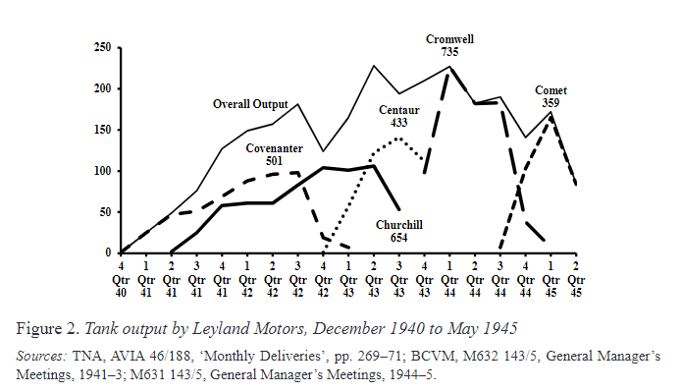
Tank | <=1939 | 1940 | 1941 | 1942 | 1943 | 1944 | 1945-Apr | Total | Original
Cavalier | 0 | 0 | 0 | 0 | 375 | 105 | 0 | 480 | 1
Centaur | 0 | 0 | 0 | 2 | 1252 | 274 | 0 | 1528 | 2
Cromwell | 0 | 0 | 0 | 1 | 421 | 1935 | 79 | 2436 | 3
Challenger | 0 | 0 | 0 | 0 | 0 | 145 | 47 | 192 | 4
Comet | 0 | 0 | 0 | 0 | 0 | 143 | 480 | 623 | 5
A.11 Infantry | 106 | 33 | 0 | 0 | 0 | 0 | 0 | 139 | 6
Valentine | 0 | 354 | 1621 | 2214 | 1798 | 280 | 0 | 6267 | 7
Valentine SP | 0 | 0 | 0 | 0 | 0 | 349 | 178 | 527 | 8
Valentine DD | 0 | 0 | 0 | 0 | 0 | 247 | 0 | 247 | 9
Churchill | 0 | 0 | 690 | 1731 | 1360 | 495 | 0 | 4276 | 10
Light Mark VI 1 | 1182 | 140 | 0 | 0 | 0 | 0 | 0 | 1322 | 11
Tetrarch | 0 | 15 | 73 | 12 | 0 | 0 | 0 | 100 | 12
Harry Hopkins | 0 | 0 | 0 | 6 | 30 | 56 | 12 | 104 | 13
Matilda | 24 | 361 | 1040 | 1330 | 153 | 0 | 0 | 2908 | 14
Heavy Churchill | 0 | 0 | 0 | 0 | 4 | 567 | 346 | 917 | 15
A.9 Cruiser | 76 | 49 | 0 | 0 | 0 | 0 | 0 | 125 | 16
A.10 Cruiser | 1 | 159 | 10 | 0 | 0 | 0 | 0 | 170 | 17
Cruiser III | 65 | 0 | 0 | 0 | 0 | 0 | 0 | 65 | 18
Cruiser IV | 8 | 257 | 5 | 0 | 0 | 0 | 0 | 270 | 19
Covenanter | 0 | 9 | 746 | 986 | 29 | 0 | 0 | 1770 | 20 |  | Comet |  |  | TNA, AVIA 46/188 "Monthly Deliveries of Infantry and Cruiser Tansk", "Procurement and Supply"
Crusader | 0 | 2 | 652 | 2340 | 1684 | 0 | 0 | 4678 | 21 |  | Cromwell
Crusader Hulls | 0 | 0 | 0 | 0 | 239 | 0 | 0 | 239 | 22 |  | Centaur
Cavalier OP | 0 | 0 | 0 | 0 | 0 | 17 | 0 | 17 | 23 |  | Churchill
Centaur AA | 0 | 0 | 0 | 0 | 0 | 149 | 0 | 149 | 24 |  | Covenanter
Centaur Bulldozer | 0 | 0 | 0 | 0 | 0 | 74 | 23 | 97 | 25
Cromwell X/III | 0 | 0 | 0 | 0 | 111 | 0 | 0 | 111 | 26 |  |  | Year
Sherman DD | 0 | 0 | 0 | 0 | 0 | 693 | 0 | 693 | 27 |  | Tank | <=1939 | 1940 | 1941 | 1942 | 1943 | 1944 | 1945-Apr
Sherman 17-pdr | 0 | 0 | 0 | 0 | 0 | 1783 | 291 | 2074 | 28 |  | Centaur | 0 | 0 | 0 | 2 | 1252 | 274 | 0
M-10 17-pdr | 0 | 0 | 0 | 0 | 0 | 790 | 225 | 1015 | 29 |  | Cromwell | 0 | 0 | 0 | 1 | 421 | 1935 | 79
 | 1462 | 1379 | 4837 | 8622 | 7456 | 8102 | 1681 | 33539 |  |  | Comet | 0 | 0 | 0 | 0 | 0 | 143 | 480
 |  |  |  |  |  |  |  |  |  |  | Churchill | 0 | 0 | 690 | 1731 | 1360 | 495 | 0
 |  |  |  |  |  |  |  |  |  |  | Covenanter | 0 | 9 | 746 | 986 | 29 | 0 | 0
Total Light | 1182 | 155 | 73 | 18 | 30 | 56 | 12 | 1526
Total Infantry | 130 | 748 | 3351 | 5275 | 3315 | 1342 | 346 | 14507 |  |  | https://www.google.com/books/edition/The_Second_World_War_Tank_Crisis/XOJIEAAAQBAJ?hl=en&gbpv=0
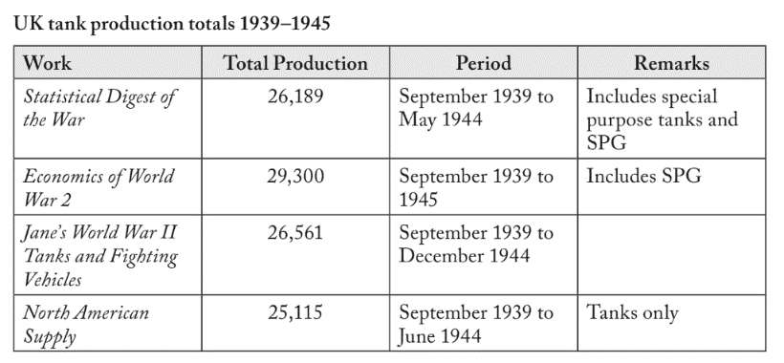
Total Cruiser | 150 | 476 | 1413 | 3329 | 3872 | 2602 | 606 | 12448
Total Conversion | 0 | 0 | 0 | 0 | 239 | 4102 | 717 | 5058
All Total | 1462 | 1379 | 4837 | 8622 | 7456 | 8102 | 1681 | 33539

 |  |  |  |  |  |  |  | C:\Users\Mark\Dropbox\Blog\MunitionsProduction\BritishTankProduction.pdf
 |  |  | Tank | (Multiple Items)
 |  |  |  |  |  |  |  |  | Category | Designation
 |  |  | Sum of 1941 | Sum of 1942 | Sum of 1943 | Sum of 1944 | Sum of 1945-Apr |  | Light | Light Mark VI 1
 |  |  | 3351 | 5275 | 3311 | 1371 | 178 |  | Light | Tetrarch
 |  |  |  |  |  |  |  |  | Light | Harry Hopkins
 |  |  |  |  |  |  |  |  | Infantry | A.11 Infantry
 |  |  |  |  |  |  |  |  | Infantry | Valentine
 |  |  |  |  |  |  |  |  | Infantry | Churchill
 |  |  |  |  |  |  |  |  | Infantry | Matilda
 |  |  |  |  |  |  |  |  | Infantry | Heavy Churchill
 |  |  |  |  |  |  |  |  | Cruiser | Cavalier
 |  |  |  |  |  |  |  |  | Cruiser | Centaur
 |  |  |  |  |  |  |  |  | Cruiser | Cromwell
 |  |  |  |  |  |  |  |  | Cruiser | Challenger | https://www.google.com/books/edition/Global_Logistics_and_Strategy/h-LjEOACfTMC?hl=en&gbpv=0
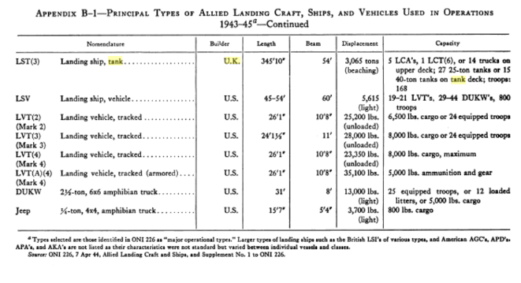
 |  |  |  |  |  |  |  |  | Cruiser | Comet
 |  |  |  |  |  |  |  |  | Cruiser | A.9 Cruiser
 |  |  |  |  |  |  |  |  | Cruiser | A.10 Cruiser
 |  |  |  |  |  |  |  |  | Cruiser | Cruiser III
 |  |  |  |  |  |  |  |  | Cruiser | Cruiser IV
 |  |  |  |  |  |  |  |  | Cruiser | Covenanter
 |  |  |  |  |  |  |  |  | Cruiser | Crusader
 |  |  |  |  |  |  |  |  | Cruiser | Cromwell X/III
 |  |  |  |  |  |  |  |  | Conversion | Valentine SP
 |  |  |  |  |  |  |  |  | Conversion | Valentine DD
 |  |  |  |  |  |  |  |  | Conversion | Crusader Hulls
 |  |  |  |  |  |  |  |  | Conversion | Cavalier OP
 |  |  |  |  |  |  |  |  | Conversion | Centaur AA
 |  |  |  |  |  |  |  |  | Conversion | Centaur Bulldozer
 |  |  |  |  |  |  |  |  | Conversion | Sherman DD
 |  |  |  |  |  |  |  |  | Conversion | Sherman 17-pdr
 |  |  |  |  |  |  |  |  | Conversion | M-10 17-pdr | https://www.google.com/books/edition/British_Battle_Tanks/6gxmDwAAQBAJ?hl=en&gbpv=1&dq=tank+UK+production&pg=PA256&printsec=frontcover
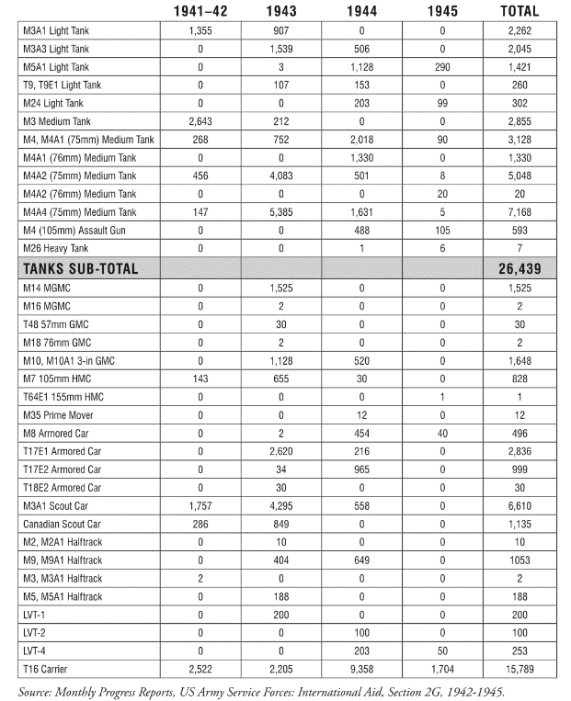

 | 3 | 3 | 2

