Dynamic
FROM:
SUBJECT:
DATE:
Mark Biegert
Add Blank Spaces
11-April-2025
 |  |  | Off the Grid Link

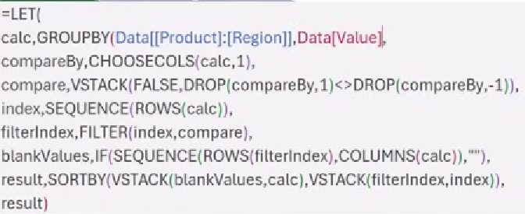

Product | Region | Value | Alpha | East | 56
Alpha | South | 87 | Alpha | South | 87
Alpha | East | 56
Bravo | North | 91 | Bravo | North | 174
Bravo | South | 69 | Bravo | South | 69
Bravo | West | 64 | Bravo | West | 64
Bravo | North | 83
Charlie | East | 69 | Charlie | East | 69
Charlie | North | 98 | Charlie | North | 278
Charlie | South | 98 | Charlie | South | 281
Charlie | North | 95
Charlie | North | 85 | Delta | East | 168
Charlie | South | 98 | Delta | North | 181
Charlie | South | 85 | Delta | West | 157
Delta | West | 82
Delta | North | 91 | Total |  | 1584
Delta | North | 90
Delta | East | 86
Delta | West | 75
Delta | East | 82

NonDynamic
FROM:
SUBJECT:
DATE:
Mark Biegert
Jelen Non-Dynamic
11-April-2025

Bill Jelen's manual approach

