Report
FROM: | Mark Biegert
SUBJECT: | Histogram Practice Sheet
DATE: | 22-Jan-2024

Frequency Function Practice

Histogram Template

 |  |  | 0.6 | =MIN(_nData)
 |  |  | 3.2 | =MAX(_nData)

 |  | Min Bin Edge | 1 | Set Manually
 |  | Max Bin Edge | 4
 | Data
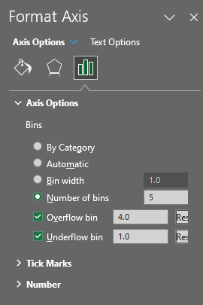
 | 0.6 | Underflow Bin | <=1 | <=1 | 5 | =FREQUENCY(C16:C36,F16:F19)
 | 0.7 | 1 | 2 | (1.0, 2.0] | 7
 | 0.8 | 2 | 3 | (2.0, 3.0] | 5
 | 0.9999 | 3 | 4 | (3.0, 4.0] | 2
 | 1 | Overflow Bin | >4 | >4 | 2
 | 1.01
 | 1.05
 | 1.1
 | 1.2
 | 1.9
 | 1.9999
 | 2
 | 2.1
 | 2.2
 | 2.4
 | 2.9999
 | 3
 | 3.2
Chart Made Using Bar Chart
 | 4
 | 4.2
 | 6

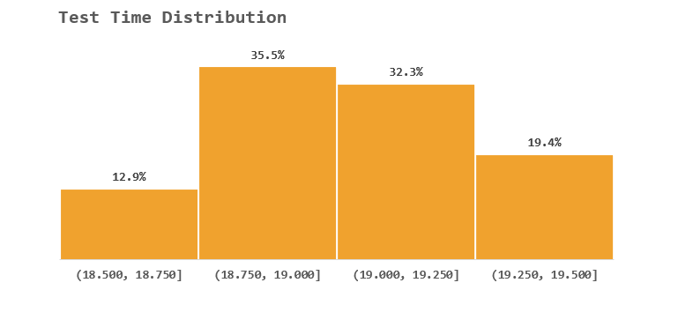

Let's look at my battery data example.

 | 18.918333332
 | 18.943333332
 | 19.093333332
 | 19.229166658
 | 18.813333345
 | 19.260833318
 | 18.979999998
 | 18.946666665
 | 18.976666665
 | 19.445833325
 | 19.185833318
 | 18.74166669
 | 18.890833307
 | 19.271666678
 | 19.189999985
 | 18.984999998
 | 18.672499998
 | 19.279166658
 | 19.334999998
 | 19.077500002
 | 19.155833332
 | 19.126666665
 | 18.890833307
 | 18.658333357
 | 19.154166658
 | 19.164166665 |  |  |  |  |  |  | I don’t see a way to get percentages without some calculations
 | 18.929166665
 | 19.111666672
 | 18.705000012 |  |  |  |  |  |  | 4 | 12.9% | 4, 12.9%
 | 18.919999998 |  |  |  |  |  |  | 11 | 35.5% | 11, 35.5%
 | 19.274999992 |  |  |  |  |  |  | 10 | 32.3% | 10, 32.3%
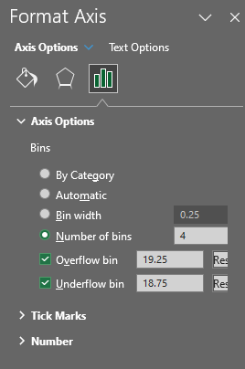
 |  |  |  |  |  |  |  | 6 | 19.4% | 6, 19.4%
 |  |  |  |  |  |  |  | 31

 |  |  |  |  |  |  |  | The hist plot does not support
 |  |  |  |  |  |  |  | using alternate cells for labels.

 |  |  |  |  |  |  |  | The hist plot does not support
 |  |  |  |  |  |  |  | combo either.

 |  |  |  |  |  |  |  | Very tough to label with percentages

 |  |  |  |  |  |  |  | 18.25
 |  |  |  |  |  |  | 18.5 | 18.75 | 4.5 | 18.625 | 4, 12.9%
 |  |  |  |  |  |  | 18.75 | 19 | 11.5 | 18.875 | 11, 35.5%
 |  |  |  |  |  |  | 19 | 19.25 | 10.5 | 19.125 | 10, 32.3% | I had to do one plot over the other. This is not a scalable approach.
 |  |  |  |  |  |  | 19.25 | 19.5 | 6.5 | 19.375 | 6, 19.4%

 |  |  |  |  |  |  |  |  | 0.5

 |  |  |  |  |  |  |  |  | List
 |  |  |  |  |  |  |  |  | 3.79999
 |  |  |  |  |  |  |  |  | 3.80415
 |  |  |  |  |  |  |  |  | 3.83062
 |  |  |  |  |  |  |  |  | 3.8043
 |  |  |  |  |  |  |  |  | 3.80606
 |  |  |  |  |  |  |  |  | 3.84176
 |  |  |  |  |  |  |  |  | 3.80636
 |  |  |  |  |  |  |  |  | 3.84329
 |  |  |  |  |  |  |  |  | 3.80438
 |  |  |  |  |  |  |  |  | 3.80591
 |  |  |  |  |  |  |  |  | 3.80186
 |  |  |  |  |  |  |  |  | 3.80346
 |  |  |  |  |  |  |  |  | 3.80331
 |  |  |  |  |  |  |  |  | 3.80468
 |  |  |  |  |  |  |  |  | 3.83024
 |  |  |  |  |  |  |  |  | 3.80285
 |  |  |  |  |  |  |  |  | 3.80377
 |  |  |  |  |  |  |  |  | 3.80362
 |  |  |  |  |  |  |  |  | 3.80438
 |  |  |  |  |  |  |  |  | 3.80392
 |  |  |  |  |  |  |  |  | 3.80331
 |  |  |  |  |  |  |  |  | 3.80453
 |  |  |  |  |  |  |  |  | 3.80156
 |  |  |  |  |  |  |  |  | 3.80385
 |  |  |  |  |  |  |  |  | 3.80438
 |  |  |  |  |  |  |  |  | 3.8423
 |  |  |  |  |  |  |  |  | 3.80346
 |  |  |  |  |  |  |  |  | 3.850001
 |  |  |  |  |  |  |  |  | 3.84611
 |  |  |  |  |  |  |  |  | 3.84367
 |  |  |  |  |  |  |  |  | 3.80369

Formats

FROM: | Mark Biegert
SUBJECT: | Biegert Standardized Formating
DATE: | 24-Jan-2024

Table Formats

 | Category A | Category B | Category C | Value
 | A | 1 | a | 1
 | A | 2 | b | 2
 | B | 1 | a | 3
 | B | 2 | b | 4
 | C | 1 | a | 5
 | C | 2 | b | 6

 | Sum of Value |  | Category C
 | Category A | Category B | a | b | Grand Total
 | A
 |  | 1 | 1 |  | 1
 |  | 2 |  | 2 | 2
 | B
 |  | 1 | 3 |  | 3
 |  | 2 |  | 4 | 4
 | C
 |  | 1 | 5 |  | 5
 |  | 2 |  | 6 | 6
 | Grand Total |  | 9 | 12 | 21

Tab Colors

 | Report Tabs
 | Data Tabs
 | Analysis Tabs
 | References
 | Metadata Tabs
 | Chart Tabs

