Report
FROM:
SUBJECT:
DATE:
Mark Biegert
Excel Challenge 440
5-Mar-2024

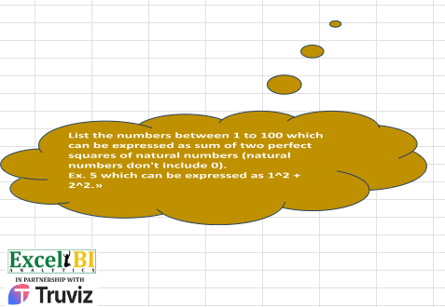

Two different numbers

 |  | Answer Expected
5 | TRUE | 5
10 | TRUE | 10
13 | TRUE | 13
17 | TRUE | 17
20 | TRUE | 20
25 | TRUE | 25
26 | TRUE | 26
29 | TRUE | 29
34 | TRUE | 34
37 | TRUE | 37
40 | TRUE | 40
41 | TRUE | 41
45 | TRUE | 45
50 | TRUE | 50
52 | TRUE | 52
53 | TRUE | 53
58 | TRUE | 58
61 | TRUE | 61
65 | TRUE | 65
68 | TRUE | 68
73 | TRUE | 73
74 | TRUE | 74
80 | TRUE | 80
82 | TRUE | 82
85 | TRUE | 85
89 | TRUE | 89
90 | TRUE | 90
97 | TRUE | 97
100 | TRUE | 100

Formats

FROM: | Mark Biegert
SUBJECT: | Biegert Standardized Formating |  |  |  | Reference Info Card
DATE: | 02-May-2024
FROM:
SUBJECT:
DATE:
Mark Biegert
SDK Report
5-Mar-2024
Table Formats

 | Category A | Category B | Category C | Value
 | A | 1 | a | 1
 | A | 2 | b | 2
 | B | 1 | a | 3
 | B | 2 | b | 4
 | C | 1 | a | 5
 | C | 2 | b | 6

 | Sum of Value |  | Category C
 | Category A | Category B | a | b | Grand Total
 | A
 |  | 1 | 1 |  | 1
 |  | 2 |  | 2 | 2
 | B
 |  | 1 | 3 |  | 3
 |  | 2 |  | 4 | 4
 | C
 |  | 1 | 5 |  | 5
 |  | 2 |  | 6 | 6
 | Grand Total |  | 9 | 12 | 21

Tab Colors

 | Report Tabs | #CCFFCC
 | Data Tabs | #FF9999
 | Analysis Tabs | #99CCFF
 | References | #FCEDD6
 | Metadata Tabs | #BFBFBF
 | Chart Tabs | #FFBDFF

