Report
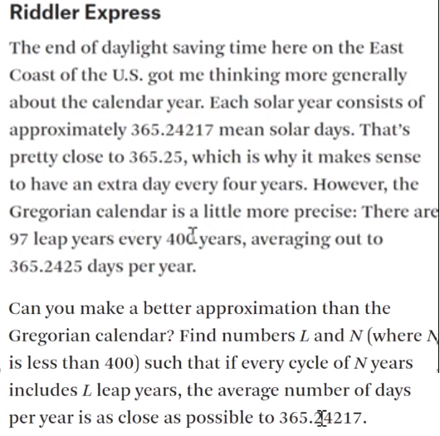
FROM: | Mark Biegert
SUBJECT: | Riddler Express
DATE: | 06-Dec-2023

 | Target | 0.24217

 | Limit | 800

 | L | N
 | 116 | 479 | 1.1899791232E-06

 | Repeat Cycle
 |  | 116,479,1.18997912318397E-06
 | 400 | 85,351,4.75783475784031E-06
 | 800 | 116,479,1.18997912318397E-06
 | 1200 | 116,479,1.18997912318397E-06
 | 1600 | 317,1309,4.04889228422523E-07
 | 2000 | 433,1788,2.23713646496648E-08
 | 2400 | 433,1788,2.23713646496648E-08
 | 2800 | 433,1788,2.23713646496648E-08
 | 3200 | 433,1788,2.23713646496648E-08
 | 3600 | 433,1788,2.23713646496648E-08
 | 4000 | 433,1788,2.23713646496648E-08
 | 4400 | 433,1788,2.23713646496648E-08
 | 4800 | 433,1788,2.23713646496648E-08
 | 5200 | 433,1788,2.23713646496648E-08
 | 5600 | 433,1788,2.23713646496648E-08
 | 6000 | 433,1788,2.23713646496648E-08
 | 6400 | 433,1788,2.23713646496648E-08
 | 6800 | 433,1788,2.23713646496648E-08
 | 7200 | 433,1788,2.23713646496648E-08
 | 7600 | 433,1788,2.23713646496648E-08
 | 8000 | 433,1788,2.23713646496648E-08
 | 8400 | 433,1788,2.23713646496648E-08
 | 8800 | 433,1788,2.23713646496648E-08
 | 9200 | 433,1788,2.23713646496648E-08
 | 9600 | 433,1788,2.23713646496648E-08
 | 10000 | 433,1788,2.23713646496648E-08

Formats

FROM: | Mark Biegert
SUBJECT:
DATE: | 06-Dec-2023

Table Formats

 | Category A | Category B | Category C | Value
 | A | 1 | a | 1
 | A | 2 | b | 2
 | B | 1 | a | 3
 | B | 2 | b | 4
 | C | 1 | a | 5
 | C | 2 | b | 6

 | Sum of Value |  | Category C
 | Category A | Category B | a | b | Grand Total
 | A
 |  | 1 | 1 |  | 1
 |  | 2 |  | 2 | 2
 | B
 |  | 1 | 3 |  | 3
 |  | 2 |  | 4 | 4
 | C
 |  | 1 | 5 |  | 5
 |  | 2 |  | 6 | 6
 | Grand Total |  | 9 | 12 | 21

Tab Colors

 | Data Tabs
 | Report Tabs
 | Analysis Tabs
 | Metadata Tabs

