Sheet1
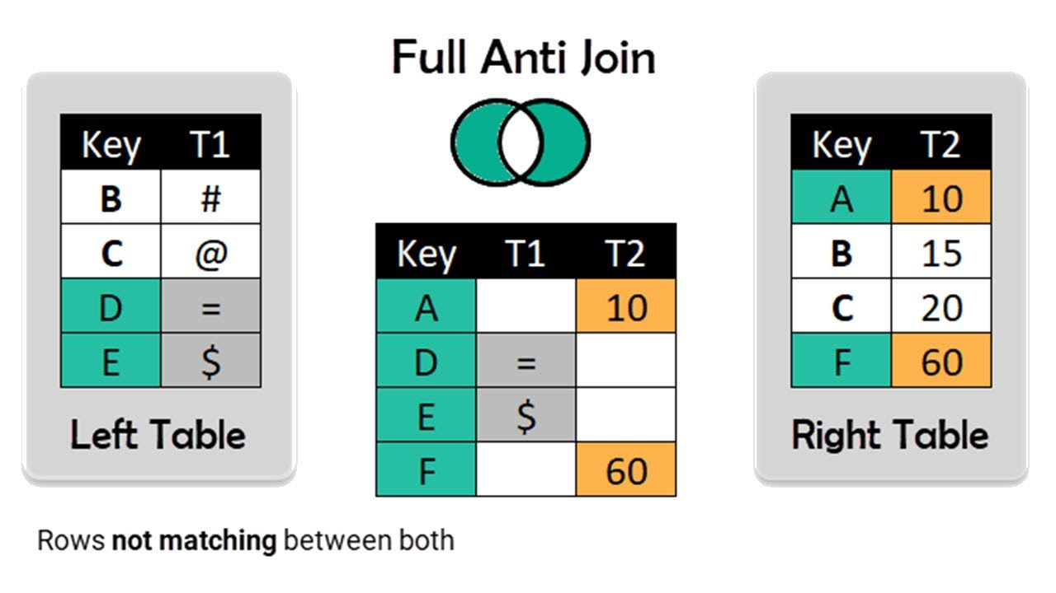
FROM: | Mark Biegert
SUBJECT: | Dynamic Array Join Drill
DATE: | 13-Sep-2021

Full Anti Join

 | Name | Value |  |  | Name
 | Mark | 1 |  |  | Tim
 | Craig | 2 |  |  | Katee
 | Tim | 3
 | Pat | 4
 | Katee | 5

 | Key | T1 |  | Key | T2
 | B | # |  | A | 10
 | C | @ |  | B | 15
 | D | = |  | C | 20
 | E | $ |  | F | 60

 |  | Names | T1 | T2
 |  | #VALUE!

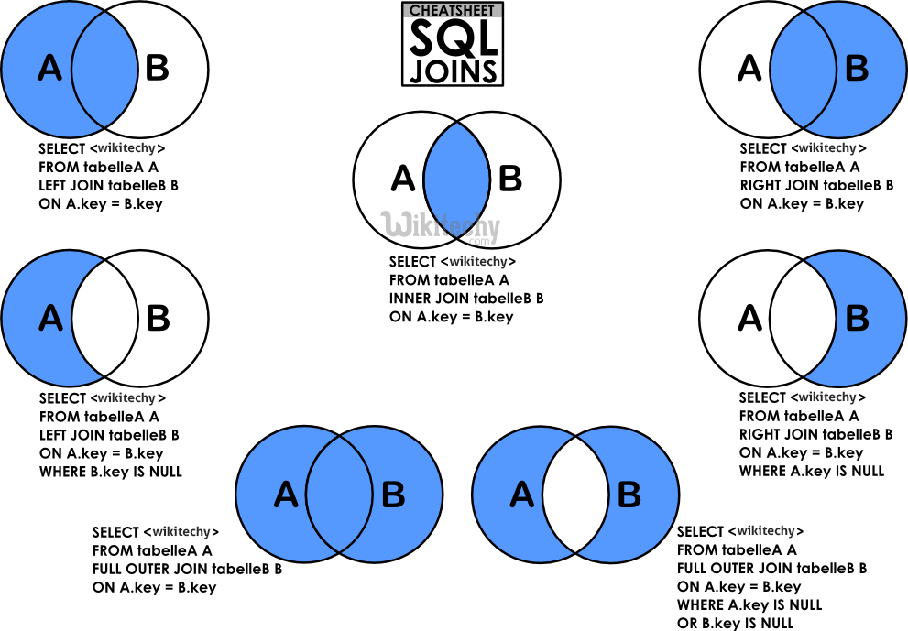

 | Inner Join

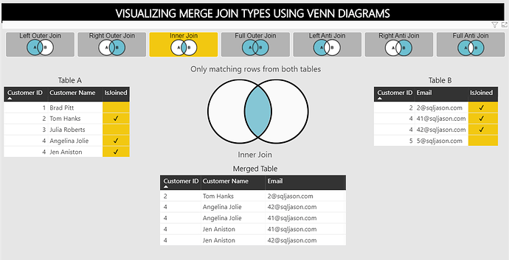

 | Customer_ID | Customer_Name | IsJoined
 | 1 | Brad Pitt
 | 2 | Tom Hanks | x |  | 1
 | 3 | Julia Roberts |  |  | #N/A
 | 4 | Angelina Jolie | x |  | 2
 | 4 | Jen Aniston | x |  | 2

 | Customer_ID | Email | IsJoined
 | 2 | 1@sqljson.com | x
 | 4 | 41@sqljson.com | x
 | 4 | 42@sqljson.com | x
 | 5 | 5@sqljson.com

 | Method Here Works Without Dupes

 | Name | Email | Balance
 | Alfred | A | 1
 | Brylee | B | 2
 | Dorothy | C | 3
 | Evelin | D | 4
 | Haylee | E | 5
 | Kenzie | F | 6
 | Oscar | G | 7
 | Rafael | H | 8
 | Tatum | I | 9

 | Name | Address
1 | Alfred | 1 |  | Names | Email | Balance | Address
2 | Amya | 2 |  | Alfred | A | 1 | 1
3 | Brylee | 3 |  | Brylee | B | 2 | 3
4 | Craig | 4 |  | Evelin | D | 4 | 6
5 | Eric | 5 |  | Kenzie | F | 6 | 9
6 | Evelin | 6 |  | Rafael | H | 8 | 12
7 | John | 7
8 | Kaliyah | 8
9 | Kenzie | 9
10 | Kayleigh | 10
11 | Mary | 11
12 | Rafael | 12

