Sheet1
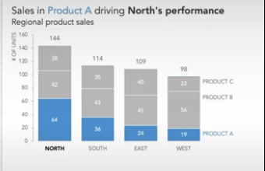
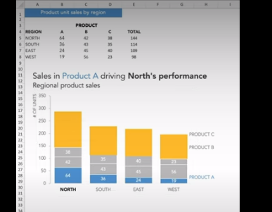
FROM: | Mark Biegert |  |  |  | https://twitter.com/storywithdata/status/1713939181934641205
SUBJECT: | Good Example of Formatting
DATE: | 16-Oct-2021
 |  |  |  |  |  | Yaxis | # of Units

Sales in Product A driving North's Performance
Regional product sales

 | Region | A | B | C | Total
 | North | 64 | 42 | 38 | 144
 | South | 36 | 43 | 35 | 114
 | East | 24 | 45 | 40 | 109
 | West | 19 | 56 | 23 | 98

 | NORTH | 0
 | SOUTH | 0
 | EAST | 0
 | WEST | 0

 | PRODUCT A | 0.97 | 14
 | PRODUCT B | 0.97 | 70
 | PRODUCT C | 0.97 | 93

