Report
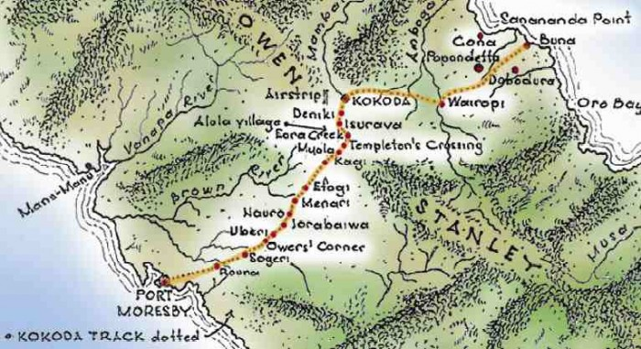
FROM:
SUBJECT:
DATE:
Mark Biegert
Placeholder
1-Jan-2024

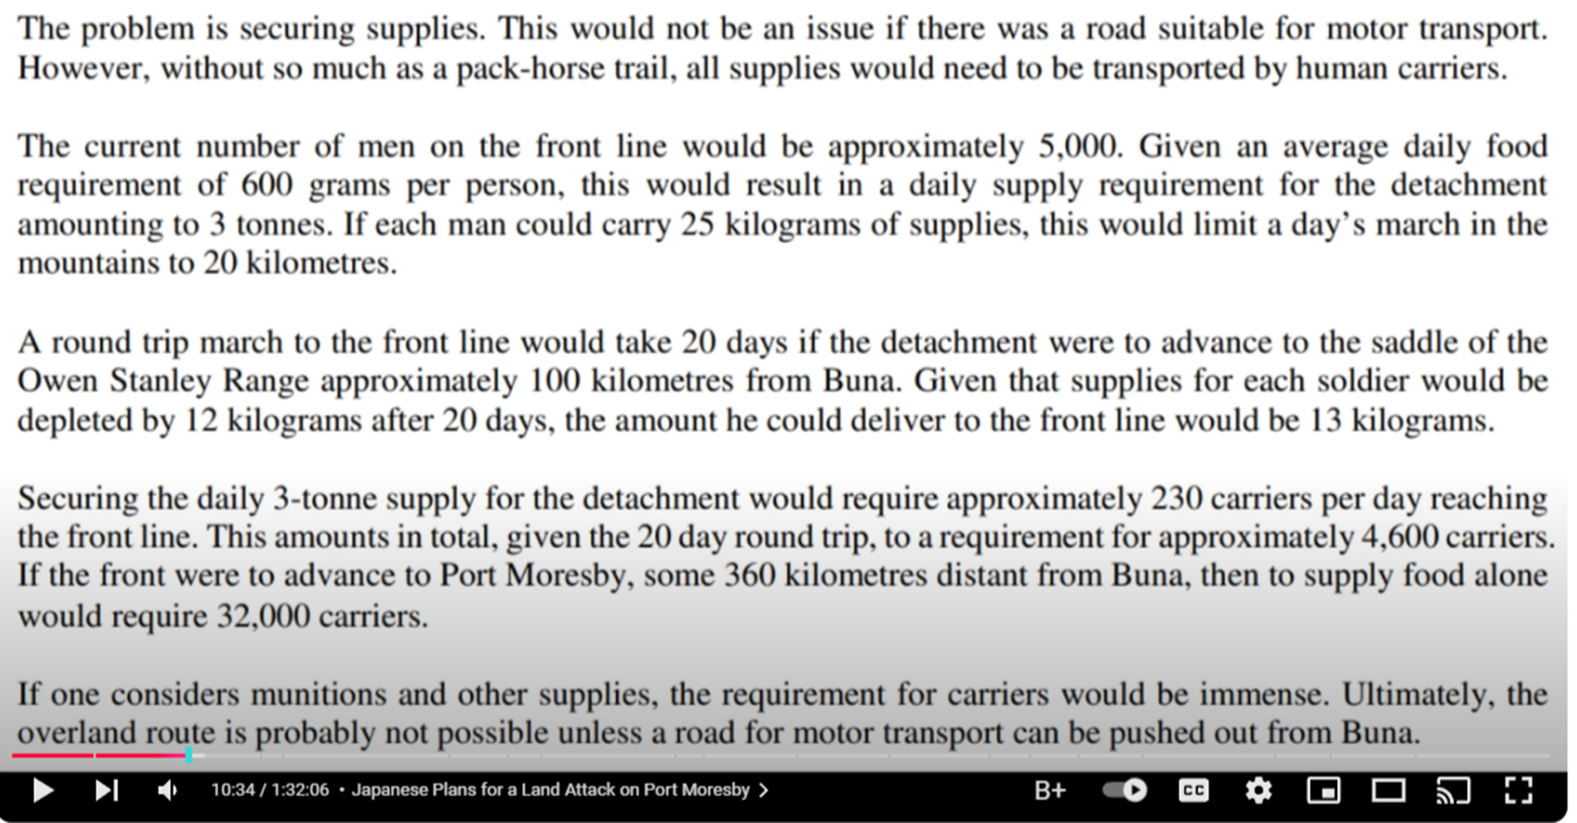

_N | 5000 |  | Number of soldiers
_m | 600 | gm | Mass of food per day
_C | 3 | mton | Tons per day of food
_L | 25 | kg | Food carried per man
_fPb | 13 | kg | Food deliveredo
_rBearersPday | 230 |  | Bearers Per Day
_Nbearers | 4600 |  | Bearers total
_Days | 20 | days
_dPday | 20 | km
_dSaddle | 200 | km

230.76923077

69.333333333

41.510416667
0.09375

3000

32000

Formats
FROM:
SUBJECT:
DATE:
Mark Biegert
Placeholder
1-Jan-2024

FROM: | Mark Biegert
SUBJECT:
DATE: | 31-Dec-2024

Table Formats

 | Category A | Category B | Category C | Value
 | A | 1 | a | 1
 | A | 2 | b | 2
 | B | 1 | a | 3
 | B | 2 | b | 4
 | C | 1 | a | 5
 | C | 2 | b | 6

 | Sum of Value |  | Category C
 | Category A | Category B | a | b | Grand Total
 | A
 |  | 1 | 1 |  | 1
 |  | 2 |  | 2 | 2
 | B
 |  | 1 | 3 |  | 3
 |  | 2 |  | 4 | 4
 | C
 |  | 1 | 5 |  | 5
 |  | 2 |  | 6 | 6
 | Grand Total |  | 9 | 12 | 21

Tab Colors

 | Data Tabs
 | Report Tabs
 | Analysis Tabs
 | Metadata Tabs

