Sheet1
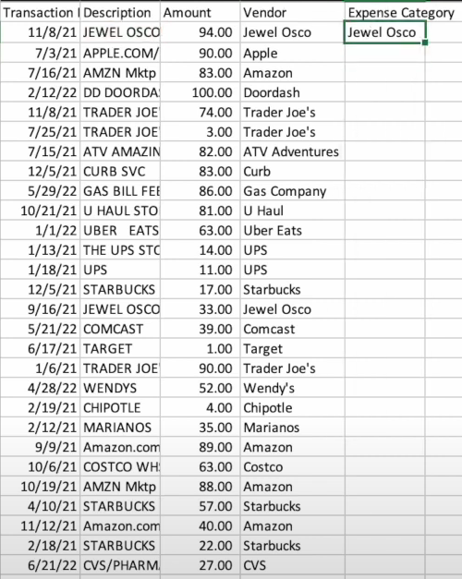
 |  |  |  |  |  |  | https://extracttable.com/

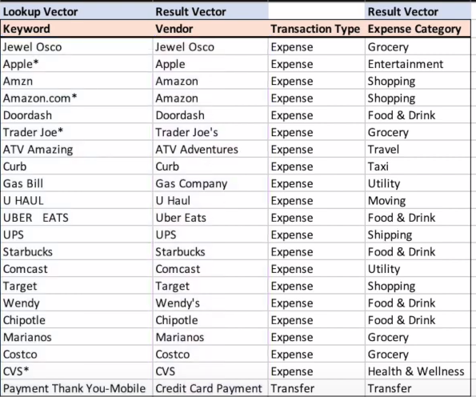
 |  |  |  |  |  |  | Lookup Vector | Result Vector |  | Result Vector
 |  |  |  |  |  |  | Keyword | Vendor | Transaction Type | Expense Category
 |  |  |  |  |  |  | Jewel Osco | Jewel Osco | Expense | Grocery
 |  |  |  |  |  |  | Apple* | Apple | Expense | Entertainment
 |  |  |  |  |  |  | Amzn | Amazon | Expense | Shopping
 |  |  |  |  |  |  | Amazon.com* | Amazon | Expense | Shopping
 |  |  |  |  |  |  | Doordash | Doordash | Expense | Food & Drink
 |  |  |  |  |  |  | Trader Joe* | Trader Joe's | Expense | Grocery
 |  |  |  |  |  |  | ATV Amazing | ATV Adventures | Expense | Travel
 |  |  |  |  |  |  | Curb | Curb | Expense | Taxi
 |  |  |  |  |  |  | Gas Bill | Gas Company | Expense | Utility
 |  |  |  |  |  |  | U HAUL | U Haul | Expense | Moving
 |  |  |  |  |  |  | UBER EATS | Uber Eats | Expense | Food & Drink
 |  |  |  |  |  |  | UPS | UPS | Expense | Shipping
 |  |  |  |  |  |  | Starbucks | Starbucks | Expense | Food & Drink
 |  |  |  |  |  |  | Comcast | Comcast | Expense | Utility
 |  |  |  |  |  |  | Target | Target | Expense | Shopping
 |  |  |  |  |  |  | Wendy | Wendy's | Expense | Food & Drink
 |  |  |  |  |  |  | Chipotle | Chipotle | Expense | Food & Drink
 |  |  |  |  |  |  | Marianos | Marianos | Expense | Grocery
 |  |  |  |  |  |  | Costco | Costco | Expense | Grocery
 |  |  |  |  |  |  | CVS* | CVS | Expense | Health & Wellness
 |  |  |  |  |  |  | Payment Thank You-Mobile | Credit Card Payment | Transfer | Transfer

 |  |  |  | https://www.youtube.com/watch?v=30y6LIUpyzg

Transaction Description Amount |  | Vendor | Ex ense Category
11/8/21 JEWEL OSCO 7/3/21 APPLE.COM/ 7/16/21 AMZN Mktp 2/12/22 DD DOORDA 11/8/21 TRADER JOE' 7/25/21 TRADER JOE' 7/15/21 ATV AMAZIN 12/5/21 CURB SVC 5/29/22 GAS BILL FEE 10/21/21 U HAUL STOI 1/1/22 UBER EATS 1/13/21 THE UPS STC 1/18/21 UPS 12/5/21 STARBUCKS 9/16/21 JEWEL OSCO 5/21/22 COMCAST 6/17/21 TARGET 1/6/21 (TRADER JOE( 4/28/22 WENDYS 2/19/21 CHIPOTLE 2/12/21 MARIANOS 9/9/21 Amazon.com | 94.00 Jewel Osco 90.00 Apple 83.00 Amazon 100.00 Doordash 74.00 Trader Joe's 3.00 Trader Joe's |  | Jewel Osco

 | 82.00 ATV Adventures 83.00 Curb

 | 86.00 Gas Company 81.00 U Haul 63.00 Uber Eats 14.00 UPS 11.00 UPS 17.00 Starbucks 33.00 Jewel Osco 39.00 Comcast 1.00 Target 90.00 Trader Joe's 52.00 Wend/ s 4.00 Chipotle 35.00 Marianos 89.00 Amazon


 |  |  |  |  | Tables Transaction |Description__1 |  |  |  | Tables Amount Vendor__2
 |  |  |  |  | 11/8/21 JEWEL OSCO | 11/8/21 | JEWEL OSCO |  | 94.00 Jewel Osco | 94.00 | Jewel Osco
10/6/21 COSTCO WH\S3.OO Costco |  |  |  |  | 7/3/21 APPLE.COM/ | 7/3/21 | APPLE.COM/ |  | 90.00 Apple | 90.00 | Apple
10/19/21 AMZN Mktp 4/10/21 STARBUCKS 11/12/21 Amazon.com 2/18/21 STARBUCKS 6/21/22 CVS/PHARM | 88.00 Amazon 57.00 Starbucks 40.00 Amazon 22.00 Starbucks 27.00 CVS |  |  |  | 7/16/21 AMZN Mktp | 7/16/21 | AMZN Mktp |  | 83.00 Amazon | 83.00 | Amazon
 |  |  |  |  | 2/12/22 DD DOORDA | 2/12/22 | DD DOORDA |  | 100.00 Doordash | 100.00 | Doordash
 |  |  |  |  | 11/8/21 TRADER JOE | 11/8/21 | TRADER JOE |  | 74.00 Trader Joe's | 74.00 | Trader Joe's
 |  |  |  |  | 7/25/21 TRADER JOE | 7/25/21 | TRADER JOE |  | 3.00 Trader Joe's | 3.00 | Trader Joe's
 |  |  |  |  | 7/15/21 ATV AMAZIN | 7/15/21 | ATV AMAZIN |  | 82.00 ATV Adventures | 82.00 | ATV Adventures
 |  |  |  |  | 12/5/21 CURB SVC | 12/5/21 | CURB SVC |  | 83.00 Curb | 83.00 | Curb
 |  |  |  |  | 5/29/22 GAS BILL FEE | 5/29/22 | GAS BILL FEE |  | 86.00 Gas Company | 86.00 | Gas Company
 |  |  |  |  | 10/21/21 U HAUL STO | 10/21/21 | U HAUL STO |  | 81.00 U Haul | 81.00 | U Haul
 |  |  |  |  | 1/1/22 UBER EATS | 1/1/22 | UBER EATS |  | 63.00 Uber Eats | 63.00 | Uber Eats
 |  |  |  |  | 1/13/21 THE UPS STO | 1/13/21 | THE UPS STO |  | 14.00 UPS | 14.00 | UPS
 |  |  |  |  | 1/18/21 UPS | 1/18/21 | UPS |  | 11.00 UPS | 11.00 | UPS
 |  |  |  |  | 12/5/21 STARBUCKS | 12/5/21 | STARBUCKS |  | 17.00 Starbucks | 17.00 | Starbucks
 |  |  |  |  | 9/16/21 JEWEL OSCO | 9/16/21 | JEWEL OSCO |  | 33.00 Jewel Osco | 33.00 | Jewel Osco
 |  |  |  |  | 5/21/22 COMCAST | 5/21/22 | COMCAST |  | 39.00 Comcast | 39.00 | Comcast
 |  |  |  |  | 6/17/21 TARGET | 6/17/21 | TARGET |  | 1.00 Target | 1.00 | Target
 |  |  |  |  | 1/6/21 TRADER JOE | 1/6/21 | TRADER JOE |  | 90.00 Trader Joe's | 90.00 | Trader Joe's
 |  |  |  |  | 4/28/22 WENDYS | 4/28/22 | WENDYS |  | 52.00 Wendy's | 52.00 | Wendy's
 |  |  |  |  | 2/19/21 CHIPOTLE | 2/19/21 | CHIPOTLE |  | 4.00 Chipotle | 4.00 | Chipotle
 |  |  |  |  | 2/12/21 MARIANOS | 2/12/21 | MARIANOS |  | 35.00 Marianos | 35.00 | Marianos
 |  |  |  |  | 9/9/21 Amazon.com | 9/9/21 | Amazon.com |  | 89.00 Amazon | 89.00 | Amazon
 |  |  |  |  | 10/6/21 COSTCO WH | 10/6/21 | COSTCO WH |  | 63.00 Costco | 63.00 | Costco
 |  |  |  |  | 10/19/21 AMZN Mktp | 10/19/21 | AMZN Mktp |  | 88.00 Amazon | 88.00 | Amazon
 |  |  |  |  | 4/10/21 STARBUCKS | 4/10/21 | STARBUCKS |  | 57.00 Starbucks | 57.00 | Starbucks
 |  |  |  |  | 11/12/21 Amazon.com | 11/12/21 | Amazon.com |  | 40.00 Amazon | 40.00 | Amazon

