DDs
FROM: | Mark Biegert
SUBJECT: | DD Tanks Stats
DATE: | 27-Jul-2023

 |  |  |  |  |  | DD | DD | DD | DD
 | Unit | Beach | Group | Sent | Landed | Sank | Others | Ashore | Launched
 | 741 | Omaha | OS-2 | 56 | 42 | 21 | 3 | 5 | 29
 | 741 | Omaha | OS-1 | 56 | 16
 | 743 | Omaha |  |  |  | 28
 | 70 | Utah |  |  |  | 28 | 4

 | 194
 | 162

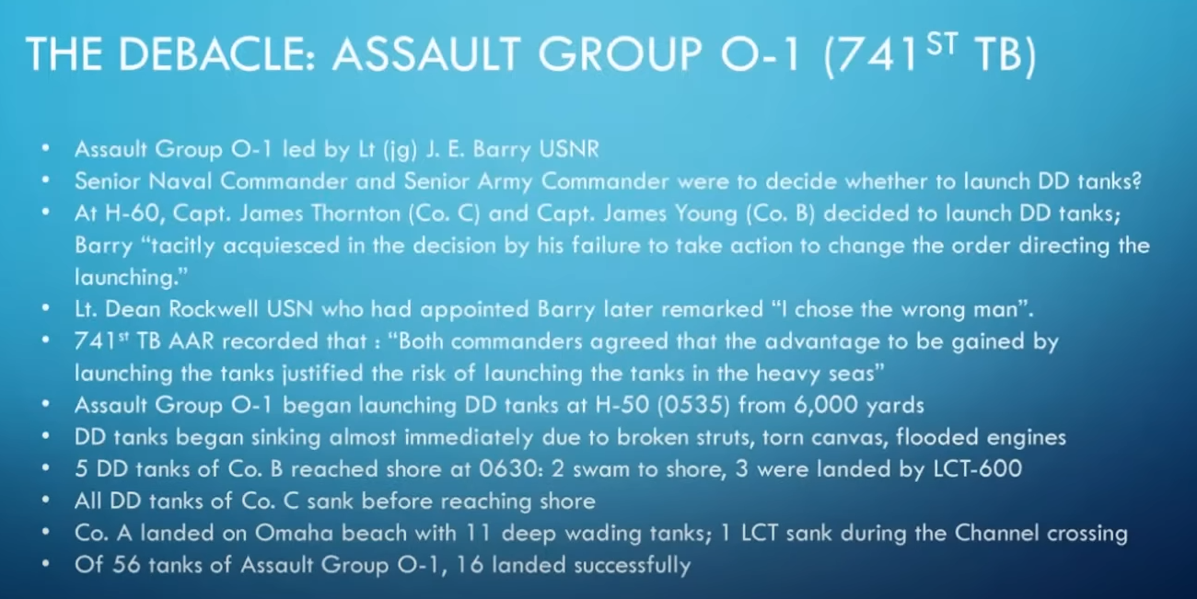

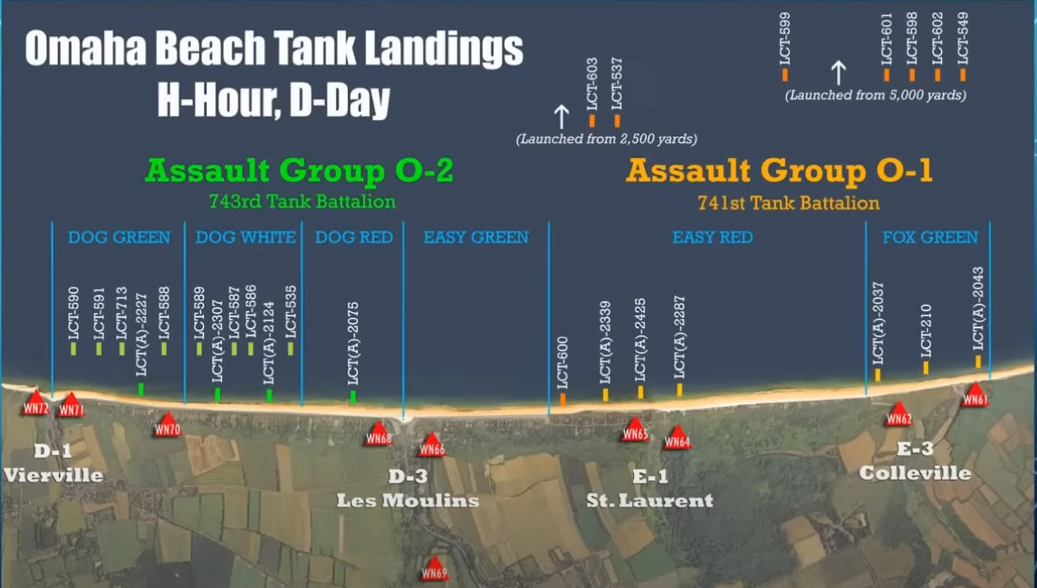

 |  |  |  |  |  |  |  |  |  |  |  | https://www.britmodeller.com/forums/index.php?/topic/235108031-sherman-dd-tank-use-d-day-and-after/

 |  |  |  |  |  |  |  |  |  |  |  | D Day DD Summary
 |  |  |  |  |  |  |  |  |  |  |  | Launched = 119
 |  |  |  |  |  |  |  |  |  |  |  | Sank = 36
 |  |  |  |  |  |  |  |  |  |  |  | Landed = 83
 |  |  |  |  |  |  |  |  |  |  |  | Landed by wading = 92 (of which 8 swamped)
 |  |  |  |  |  |  |  |  |  |  |  | Landed dry = 70
 |  |  |  |  |  |  |  |  |  |  |  | Lost before launch = 5
 |  |  |  |  |  |  |  |  |  |  |  | Total Deployed = 286

 |  |  |  |  |  |  |  |  |  |  |  | D Day
 |  |  |  |  |  |  |  |  |  |  |  | · Sword Beach (UK)
 |  |  |  |  |  |  |  |  |  |  |  | o 13/18th Hussars A + B Sqns (38 Sherman V)
 |  |  |  |  |  |  |  |  |  |  |  | § 32 floated at 5000 yds
 |  |  |  |  |  |  |  |  |  |  |  | § 3 sank, 29 landed
 |  |  |  |  |  |  |  |  |  |  |  | § 5 landed wading
 |  |  |  |  |  |  |  |  |  |  |  | § 1 returned to UK
 |  |  |  |  |  |  |  |  |  |  |  | · Gold Beach (UK)
 |  |  |  |  |  |  |  |  |  |  |  | o Notts Yeomanry / Sherwood Rangers (40 Sherman II)
 |  |  |  |  |  |  |  |  |  |  |  | § 40 landed wading
 |  |  |  |  |  |  |  |  |  |  |  | · 8 swamped in surf
 |  |  |  |  |  |  |  |  |  |  |  | o 4/7th Dragoon Guards B + C Sqns (40 Sherman II)
 |  |  |  |  |  |  |  |  |  |  |  | § 40 landed dry
 |  |  |  |  |  |  |  |  |  |  |  | · Juno Beach (Canada)
 |  |  |  |  |  |  |  |  |  |  |  | o 6th Canadian Armoured Regiment (1st Hussars) (40 Sherman V)
 |  |  |  |  |  |  |  |  |  |  |  | § 30 launched at 1000 yds
 |  |  |  |  |  |  |  |  |  |  |  | § 5 sunk/swamped, 25 landed
 |  |  |  |  |  |  |  |  |  |  |  | § 10 landed dry
 |  |  |  |  |  |  |  |  |  |  |  | o 10th Canadian Armd Regt (Fort Garry Horse) (40 Sherman V)
 |  |  |  |  |  |  |  |  |  |  |  | § 20 landed wading
 |  |  |  |  |  |  |  |  |  |  |  | § 20 landed dry
 |  |  |  |  |  |  | Started | Launched | Sank | Landed | Waded | · Utah Beach (US)
 |  |  |  |  |  | 70 | 32 | 28 | 1 | 27 | 0 | o 70th Tank Battalion (32 M4A1)
 |  |  |  |  |  | 741 | 32 | 32 | 27 | 2 | 3 | § 4 lost when LCT sunk
 |  |  |  |  |  | 743 | 32 |  |  |  | 32 | § 28 floated at 3000yds
 |  |  |  |  |  |  |  |  |  |  |  | § 1 sank, 27 landed
 |  |  |  |  |  |  |  |  |  |  |  | · Omaha Beach (US)
 |  |  |  |  |  |  |  |  |  |  |  | o 741st Tank Bn (32 M4A1)
 |  |  |  |  |  |  |  |  |  |  |  | § Floated 29 at 5000yds in 6ft waves
 |  |  |  |  |  |  |  |  |  |  |  | § 27 sank, 2 landed
 |  |  |  |  |  |  |  |  |  |  |  | § 3 landed wading
 |  |  |  |  |  |  |  |  |  |  |  | o 743rd Tank Bn (32 M4A1)
 |  |  |  |  |  |  |  |  |  |  |  | § 32 landed wading

 |  |  |  |  |  |  |  |  |  |  |  | Op Dragoon, Southern France (US)
 |  |  |  |  |  |  |  |  |  |  |  | · Delta Beach
 |  |  |  |  |  |  |  |  |  |  |  | o 191st Tank Bn (12 M4A1)
 |  |  |  |  |  |  |  |  |  |  |  | § 4 landed wading
 |  |  |  |  |  |  |  |  |  |  |  | § 8 landed dry
 |  |  |  |  |  |  |  |  |  |  |  | · Camel Beach
 |  |  |  |  |  |  |  |  |  |  |  | o 753rd Tank Bn (16 M4A1)
 |  |  |  |  |  |  |  |  |  |  |  | § 8 floated, all landed
 |  |  |  |  |  |  |  |  |  |  |  | § 8 landed wading
 |  |  |  |  |  |  |  |  |  |  |  | · Alpha Beach
 |  |  |  |  |  |  |  |  |  |  |  | o 756th Tank Bn (8 M4A1)
 |  |  |  |  |  |  |  |  |  |  |  | § 8 launched at 2,500yds
 |  |  |  |  |  |  |  |  |  |  |  | § 2 sank, 6 landed

 |  |  |  |  |  |  |  |  |  |  |  | Op Vitality, Scheldt Estuary (UK)
 |  |  |  |  |  |  |  |  |  |  |  | o Staffordshire Yeomanry (Sherman III V)
 |  |  |  |  |  |  |  |  |  |  |  | § 18 launched for 7-mile swim across estuary to South Beveland
 |  |  |  |  |  |  |  |  |  |  |  | § All landed
 |  |  |  |  |  |  |  |  |  |  |  | § 14 bogged on landing areas.

 |  |  |  |  |  |  |  |  |  |  |  | Op Plunder, Rhine Crossing (UK/US)
 |  |  |  |  |  |  |  |  |  |  |  | o Staffordshire Yeomanry (Sherman V)
 |  |  |  |  |  |  |  |  |  |  |  | o 44 RTR (Sherman V)
 |  |  |  |  |  |  |  |  |  |  |  | o 736th Tank Bn (US) (DD type n/k)
 |  |  |  |  |  |  |  |  |  |  |  | § Floated 17, all landed
 |  |  |  |  |  |  |  |  |  |  |  | o 748th Tank Bn (US) (Sherman V)
 |  |  |  |  |  |  |  |  |  |  |  | § Floated 8, 1 sank
 |  |  |  |  |  |  |  |  |  |  |  | o 781st Tank Bn (M4A1)

 |  |  |  |  |  |  |  |  |  |  |  | Elbe Crossing (UK)
 |  |  |  |  |  |  |  |  |  |  |  | o Staffordshire Yeomanry (Sherman III V)

 |  |  |  |  |  |  |  |  |  |  |  | Italy (UK)
 |  |  |  |  |  |  |  |  |  |  |  | · River Po crossing
 |  |  |  |  |  |  |  |  |  |  |  | · River Adige crossing
 |  |  |  |  |  |  |  |  |  |  |  | o 7th Queens Own Hussars (Sherman III)
 |  |  |  |  |  |  |  |  |  |  |  | § 2 Valentine DDs used as fuel supply carriers

 |  |  |  |  |  |  |  |  |  |  |  | Malaya (UK)
 |  |  |  |  |  |  |  |  |  |  |  | o 25th Dragoons (Sherman III)
 |  |  |  |  |  |  |  |  |  |  |  | § Not used operationally

 |  |  |  |  |  |  |  |  |  |  |  | Okinawa (US)
 |  |  |  |  |  |  |  |  |  |  |  | o 711th Tank Bn and USMC
 |  |  |  |  |  |  |  |  |  |  |  | § T6 pontoon swimming device
 |  |  |  |  |  |  |  |  |  |  |  | 45 launched up to 10 miles out, all landed

