Sheet4
FROM: | Mark Biegert |  |  | Sum of Value |  | Parameter | Mil_Civil
SUBJECT: | Theme |  |  |  |  | Tonnage |  |  | Number
DATE: | 23-Jan-2018 |  |  | Category | Sinking Agent | Merchant Vessels | Naval Vessels | Total | Merchant Vessels | Naval Vessels | Total
 |  |  |  | Submarines |  | 4,779,902 | 540,192 | 5,320,094 | 1113 | 201 | 1314
Style |  |  |  | Navy-Marine Aircraft |  | 1,608,959 | 724,638 | 2,333,597 | 447 | 172 | 619
 | Heading 1 |  |  | Army Aircraft |  | 639,667 | 62,165 | 701,832 | 240 | 70 | 310
 | Heading 2 |  |  | Mines |  | 591,660 | 17,995 | 609,655 | 247 | 19 | 266
 | Heading 3 |  |  | Surface Craft |  | 43,349 | 277,817 | 321,166 | 11 | 112 | 123
 | Comment |  |  | Aircraft and Other Agents |  | 121,552 | 147,883 | 269,435 | 36 | 26 | 62
 | Hyperlink |  |  | Army, Navy, Marine Aircraft Combo |  | 114,306 | 48,750 | 163,056 | 23 | 9 | 32
 | Followed Hyperlink |  |  | Navy Shore Batteries |  |  | 2,770 | 2,770 |  | 2 | 2
 | Input |  |  | Grand Total |  | 7,899,395 | 1,822,210 | 9,721,605 | 2117 | 611 | 2728
 | Explanatory

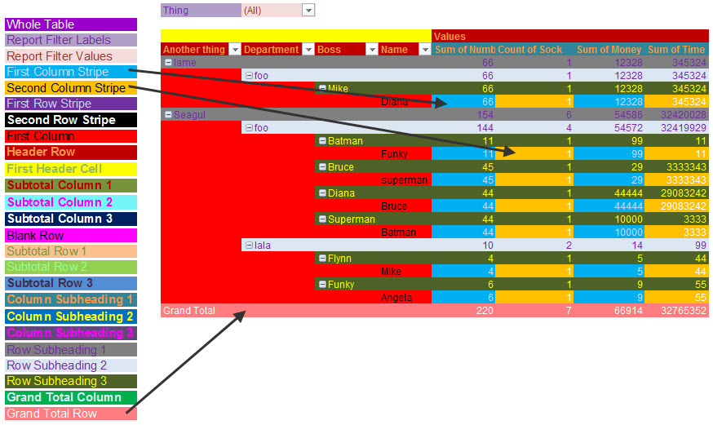
Standard Table Format

 | Name | Title | Value
 | Mark
 | Craig
 | Tim
 | Pat
 | Katee

Pivot Table

 | Index | Type | Value |  | Sum of Value | Type
 | Mark | A | 1 |  | Index | A | B
 | Craig | A | 2 |  | Craig | 2 | 6
 | Tim | A | 3 |  | Mark | 1 | 5
 | Pat | A | 4 |  | Pat | 4 | 8
 | Mark | B | 5 |  | Tim | 3 | 7
 | Craig | B | 6 |  | Grand Total | 10 | 26
 | Tim | B | 7
 | Pat | B | 8

