Report
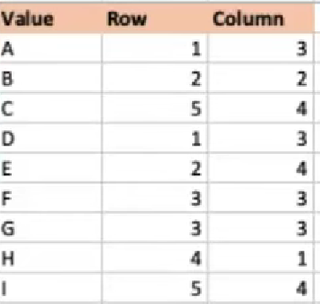
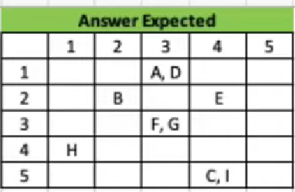
Value | Row | Column
Α | 1 | 3
B | 2 | 2
C | 5 | 4
D | 1 | 3
E | 2 | 4 |  | 1 | 2 | 3 | 4 | 5
F | 3 | 3 | 1 |  |  | Α, D
G | 3 | 3 | 2 |  | B |  | E
Η | 4 | 1 | 3 |  |  | F, G
I | 5 | 4 | 4 | Η
 |  |  | 5 |  |  |  | C, I

Alternative
Value | Row | Column
Α | 1 | 3
B | 2 | 2
C | 5 | 4
D | 1 | 3
E | 2 | 4 |  | This solution used the PIVOTBY function. This does not need a lot of detailed logic.
F | 3 | 3 |  | The main issue
G | 3 | 3
Η | 4 | 1
I | 5 | 4 |  | 10 | 10 | 10 | 10 | 10
 |  |  |  | 10 | 10 | 10 | 10 | 10
 |  |  |  | 10 | 10 | 10 | 10 | 10
 |  |  |  | 10 | 10 | 10 | 10 | 10
 |  |  |  | 10 | 10 | 10 | 10 | 10

 |  |  | Simple Breakdown

 |  |  |  |  | 1 | 2 | 3 | 4
 |  |  |  | 1 |  |  | Α, D
 |  |  |  | 2 |  | B |  | E
 |  |  |  | 3 |  |  | F, G
 |  |  |  | 4 | Η
 |  |  |  | 5 |  |  |  | C, I

 |  |  |  | Answer Expected
 |  |  |  |  | 1 | 2 | 3 | 4 | 5
 |  |  |  | 1 |  |  | Α, D
 |  |  |  | 2 |  | B |  | E
 |  |  |  | 3 |  |  | F, G
 |  |  |  | 4 | Η
 |  |  |  | 5 |  |  |  | C, I

 |  |  | Another approach

 |  |  |  | Answer Expected
 |  |  |  |  | 1 | 2 | 3 | 4 | 5
 |  |  |  | 1 |  |  | Α, D
 |  |  |  | 2 |  | B |  | E
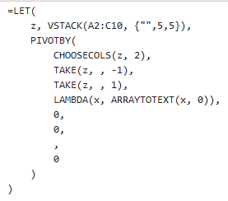
 |  |  |  | 3 |  |  | F, G
 |  |  |  | 4 | Η
 |  |  |  | 5 |  |  |  | C, I

 |  |  | Yet another approach

 |  |  |  | Answer Expected
 |  |  |  |  | 1 | 2 | 3 | 4 | 5
 |  |  |  | 1 |  |  | Α, D
 |  |  |  | 2 |  | B |  | E
 |  |  |  | 3 |  |  | F, G
 |  |  |  | 4 | Η
 |  |  |  | 5 |  |  |  | C, I

