Report
From | To | Tax Rate
0 | 10000 | 0
10000 | 50000 | 0.19
50000 | 100000 | 0.325
100000 | 180000 | 0.37
180000 |  | 0.45

Person | Tax_Income
A | 1999
B | 26068
C | 106439
D | 28521
E | 148566

Person | Tax_Income | Tax
A | 1999 | 0 | 0.0000
B | 26068 | 3052.92 | 3052.9200
C | 106439 | 26232.43 | 26232.4300
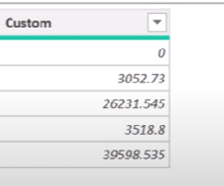
D | 28521 | 3518.99 | 3518.9900
E | 148566 | 41819.42 | 41819.4200

