PivotTable
Sum of Value |  | Parameter | Mil_Civil
 |  | Tonnage |  |  | Number
Category | Sinking Agent | Merchant Vessels | Naval Vessels | Total | Merchant Vessels | Naval Vessels | Total
Submarines |  | 4,779,902 | 540,192 | 5,320,094 | 1113 | 201 | 1314
Surface Craft |  | 43,349 | 277,817 | 321,166 | 11 | 112 | 123
Army Aircraft |  | 639,667 | 62,165 | 701,832 | 240 | 70 | 310
Navy-Marine Aircraft | Army Aircraft and Army Mines |  |  |  |  |  | 0
 | Army Aircraft and Sabotage |  |  |  |  |  | 0
 | Army Aircraft and Submarines |  |  |  |  |  | 0
 | Army Aircraft and Surface Craft |  |  |  |  |  | 0
 | Army Aircraft, Army Mine, and Navy Carrier-Based Aircraft |  |  |  |  |  | 0
 | Army Aircraft, Navy Carrier-Based Aircraft, Navy-Marine Land-Based Aircraft, and Surface Craft |  |  |  |  |  | 0
 | Army Aircraft, Navy-Marine Land-Based Aircraft and Surface Craft |  |  |  |  |  | 0
 | Army and Navy Carrier-Based Aircraft |  |  |  |  |  | 0
 | Army and Navy-Marine Land-Based Aircraft |  |  |  |  |  | 0
 | Army, Navy Carrier-Based, and Navy-Marine Land-Based Aircraft |  |  |  |  |  | 0
 | Carrier-Based | 1,390,241 | 711,236 | 2,101,477 | 359 | 161 | 520
 | Laid by Army Air Forces |  |  |  |  |  | 0
 | Laid by Navy Land-Based Aircraft |  |  |  |  |  | 0
 | Laid by Submarines |  |  |  |  |  | 0
 | Laid by Surface Craft |  |  |  |  |  | 0
 | Land-Based | 218,718 | 13,402 | 232,120 | 88 | 11 | 99
 | Navy Carrier-Based Aircraft and Submarines |  |  |  |  |  | 0
 | Navy Carrier-Based Aircraft and Surface Craft |  |  |  |  |  | 0
 | Navy Carrier-Based and Navy-Marine Land-Based Aircraft |  |  |  |  |  | 0
 | Navy-Marine Land-Based Aircraft and Navy Mines |  |  |  |  |  | 0
 | Navy-Marine Land-Based Aircraft and Submarines |  |  |  |  |  | 0
 | Navy-Marine Land-Based Aircraft and Surface Craft |  |  |  |  |  | 0
 | Unknown Agents |  |  |  |  |  | 0
 | Unknown Aircraft |  |  |  |  |  | 0
 | Submarines |  |  |  |  |  | 0
 | Surface Craft |  |  |  |  |  | 0
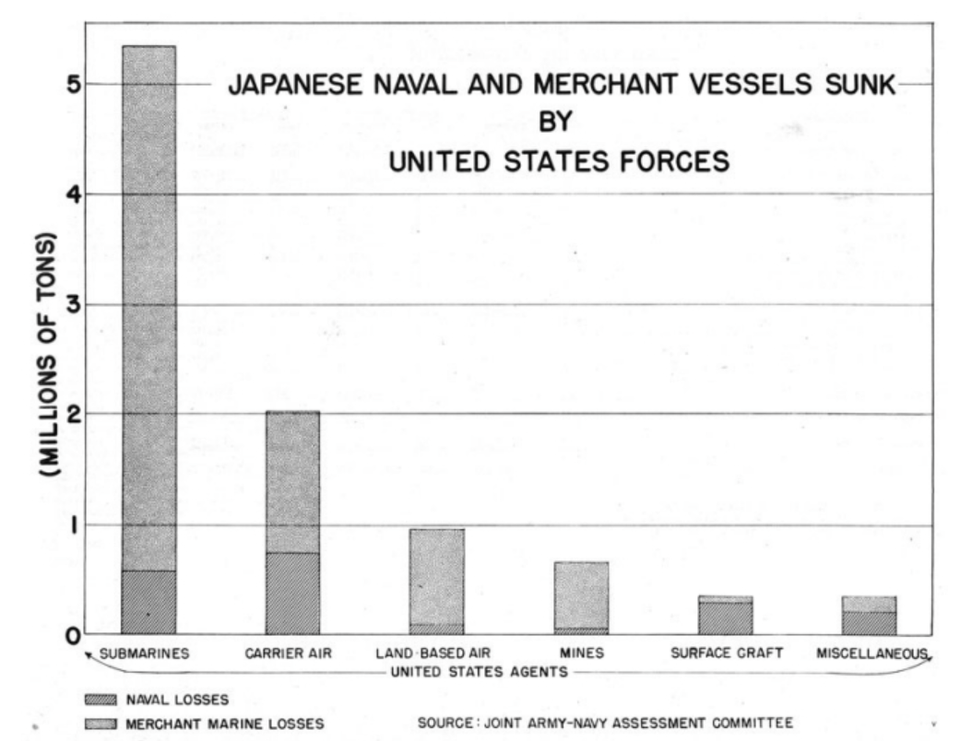
 | Army Aircraft |  |  |  |  |  | 0
 | Navy Shore Batteries |  |  |  |  |  | 0
Navy-Marine Aircraft Total |  | 1,608,959 | 724,638 | 2,333,597 | 447 | 172 | 619
Mines |  | 591,660 | 17,995 | 609,655 | 247 | 19 | 266
Navy Shore Batteries |  |  | 2,770 | 2,770 |  | 2 | 2
Army, Navy, Marine Aircraft Combo |  | 114,306 | 48,750 | 163,056 | 23 | 9 | 32
Aircraft and Other Agents |  | 121,552 | 147,883 | 269,435 | 36 | 26 | 62
Grand Total |  | 7,899,395 | 1,822,210 | 9,721,605 | 2117 | 611 | 2728

