Report
Side Window
 | 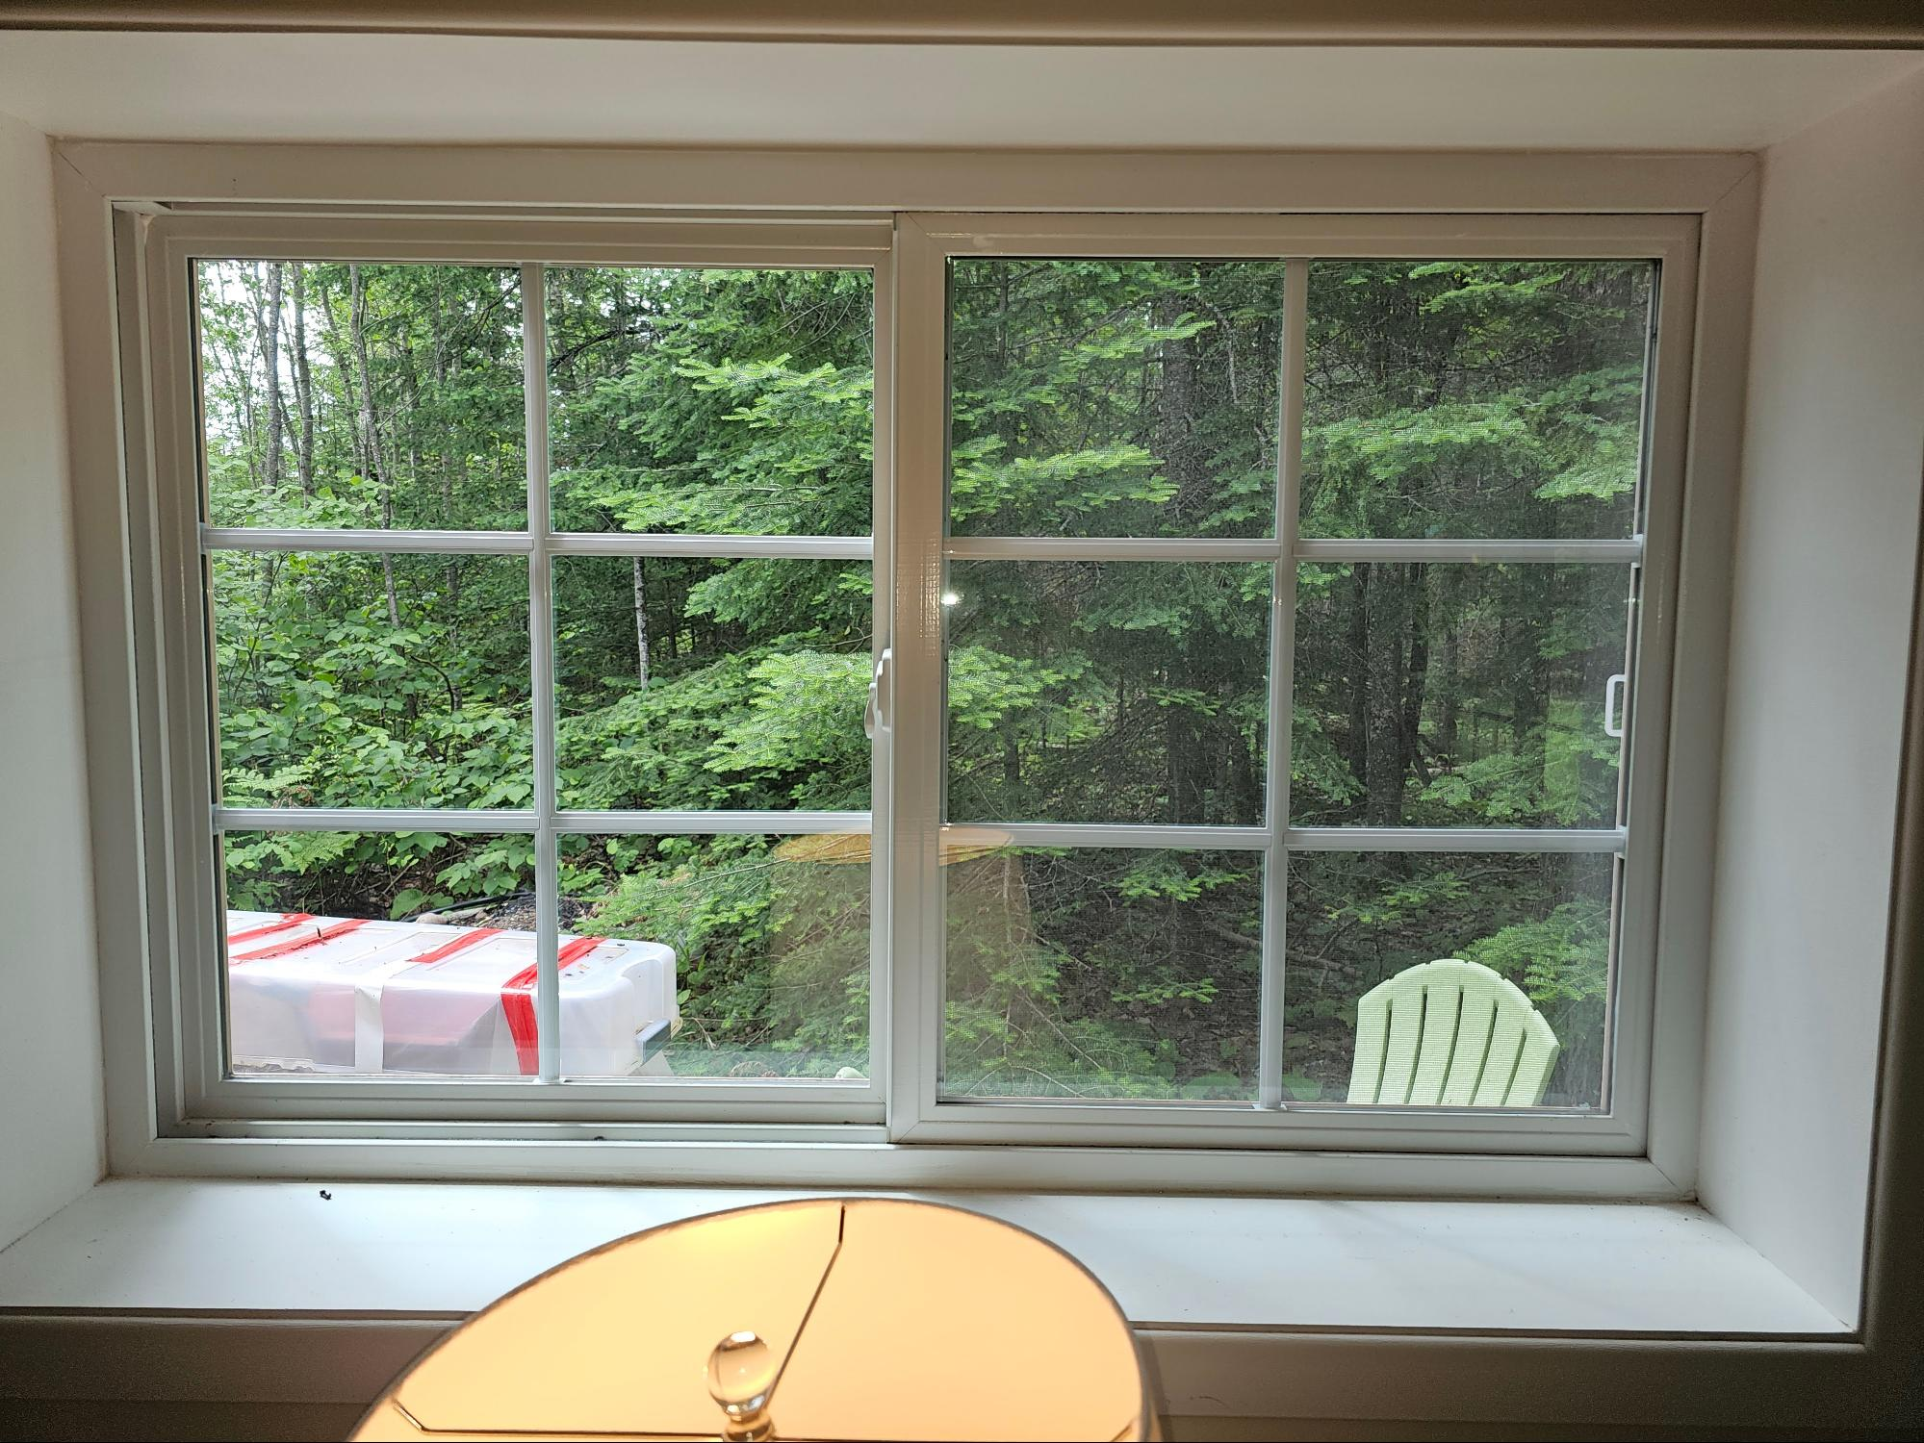
 | Window | Side
 | Style | Azalea
 | Color | Washed Oak
 | HW Col | Desert Gold
 | PN | AZL-301

 | Vertical Measurement |  | Horizontal Measurement

 | Pos | Value | Pos | Value
 | B | 51.1875 | L | 32.625
 | M | 51.3125 | C | 32.625
 | T | 51.3125 | R | 32.5625
 | Min | 51.125 | Max | 32.625

Note: Always include the original measurement in its native units. I want to ensure correct conversions.

Bathroom Window

 | 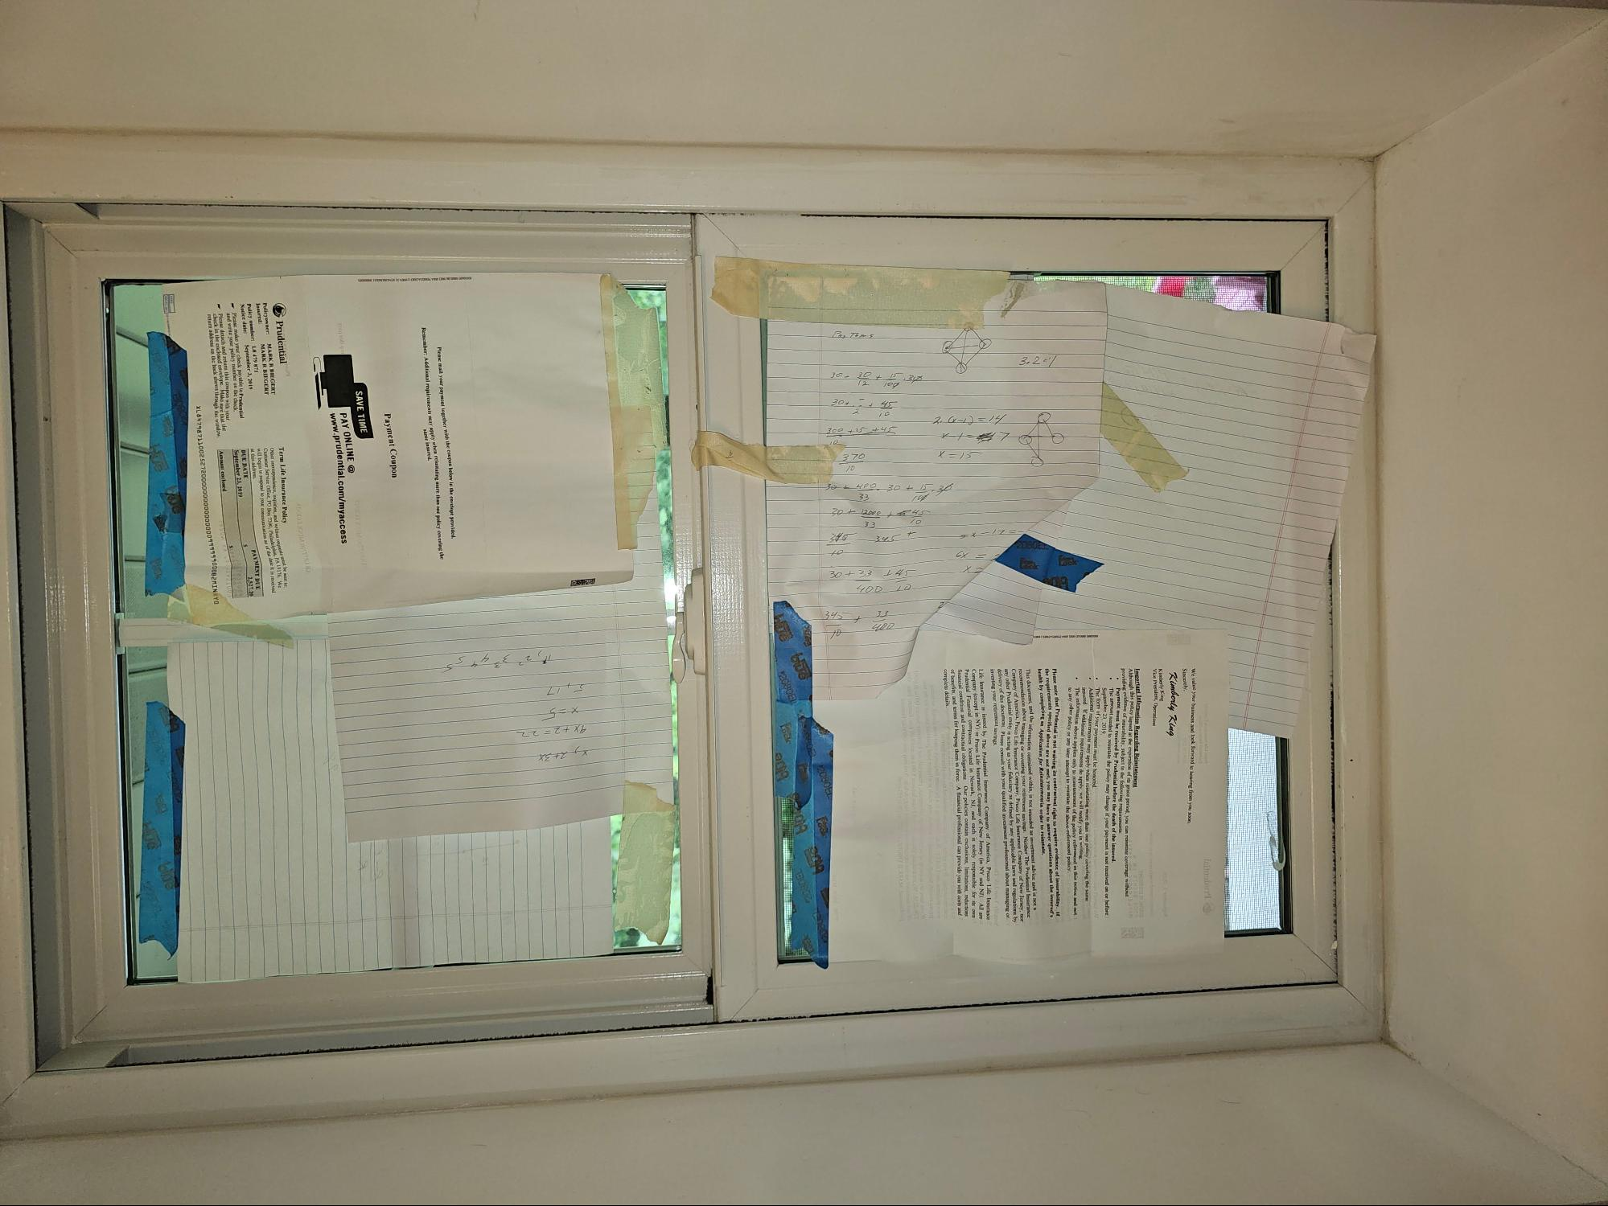

 | Window | Bathroom
 | Style | Azalea
 | Color | Washed Oak
 | HW Col | Desert Gold
 | PN | AZL-301

 | Vertical Measurement |  | Horizontal Measurement

 | Pos | Value | Pos | Value
 | B | 22.875 | L | 34.1875
 | M | 22.8125 | C | 34.1875
 | T | 22.875 | R | 34.125
 | Min | 22.75 | Max | 34.25

Note: Always include the original measurement in its native units. I want to ensure correct conversions.

Main Window

 | 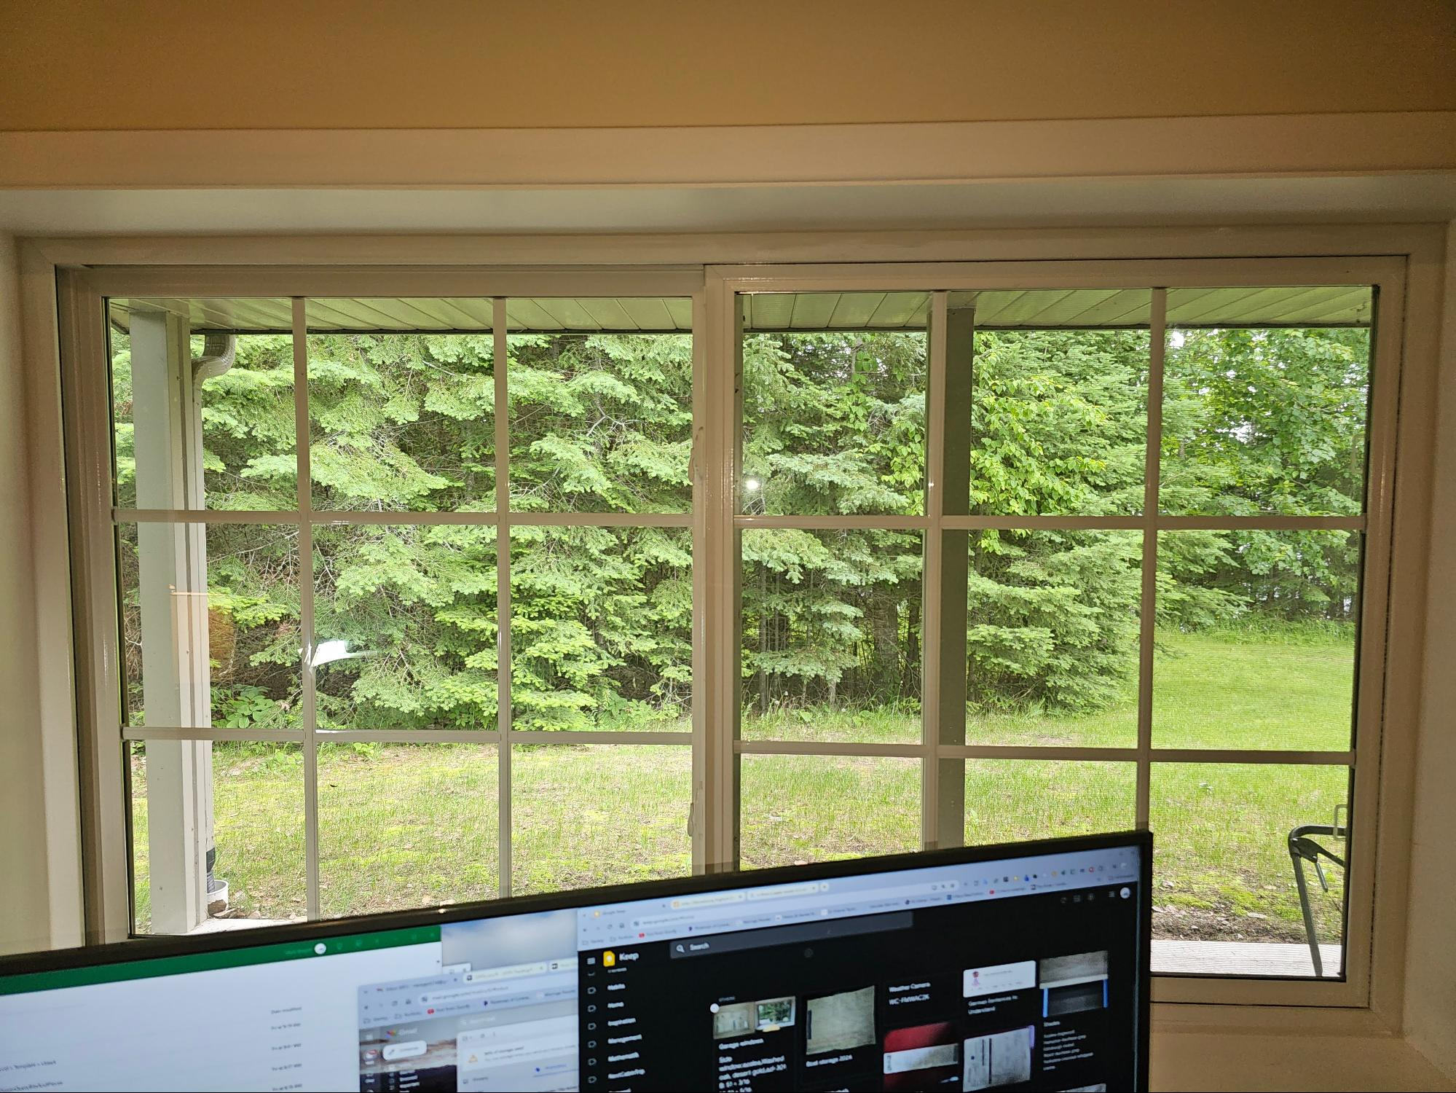

 | Window | Main
 | Style | Azalea
 | Color | Washed Oak
 | HW Col | Desert Gold
 | PN | AZL-301

 | Vertical Measurement |  | Horizontal Measurement

 | Pos | Value | Pos | Value
 | B | 70.9375 | L | 40.9375
 | M | 71.0625 | C | 40.8125
 | T | 70.9375 | R | 40.8125
 | Min | 70.875 | Max | 41

Note: Always include the original measurement in its native units. I want to ensure correct conversions.

Formats
FROM:
SUBJECT:
DATE:
Mark Biegert
Placeholder
1-Jan-2024

FROM: | Mark Biegert
SUBJECT:
DATE: | 18-Jun-2024

Table Formats

 | Category A | Category B | Category C | Value
 | A | 1 | a | 1
 | A | 2 | b | 2
 | B | 1 | a | 3
 | B | 2 | b | 4
 | C | 1 | a | 5
 | C | 2 | b | 6

 | Sum of Value |  | Category C
 | Category A | Category B | a | b | Grand Total
 | A
 |  | 1 | 1 |  | 1
 |  | 2 |  | 2 | 2
 | B
 |  | 1 | 3 |  | 3
 |  | 2 |  | 4 | 4
 | C
 |  | 1 | 5 |  | 5
 |  | 2 |  | 6 | 6
 | Grand Total |  | 9 | 12 | 21

Tab Colors

 | Data Tabs
 | Report Tabs
 | Analysis Tabs
 | Metadata Tabs

