Formats
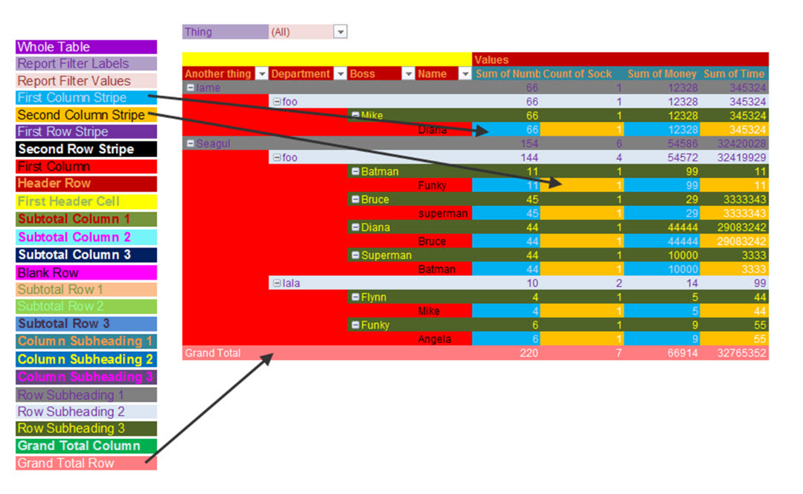
FROM: | Mark Biegert
SUBJECT: | Biegert Standardized Formating
DATE: | 07-Dec-2023

Table Formats

 | Category A | Category B | Category C | Value
 | A | 1 | a | 1
 | A | 2 | b | 2
 | B | 1 | a | 3
 | B | 2 | b | 4
 | C | 1 | a | 5
 | C | 2 | b | 6

 | Sum of Value |  | Category C
 | Category A | Category B | a | b | Grand Total
 | A
 |  | 1 | 1 |  | 1
 |  | 2 |  | 2 | 2
 | B
 |  | 1 | 3 |  | 3
 |  | 2 |  | 4 | 4
 | C
 |  | 1 | 5 |  | 5
 |  | 2 |  | 6 | 6
 | Grand Total |  | 9 | 12 | 21

Tab Colors

 | Report Tabs
 | Data Tabs
 | Analysis Tabs
 | References
 | Metadata Tabs

