Report
FROM: | Mark Biegert
SUBJECT:
DATE: | 22-Dec-23

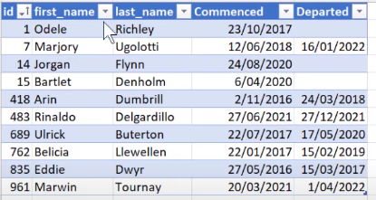
 |  |  |  |  |  |  | 2 | 5 | 5 | 4 | 5 | 6 | 5
 |  | Id | first_name | last_name | Commenced | Departed | 2016 | 2017 | 2018 | 2019 | 2020 | 2021 | 2022 | Still Employed
 |  | 1 | Odele | Richley | 2017-10-23 |  | FALSE | TRUE | TRUE | TRUE | TRUE | TRUE | TRUE
 |  | 7 | Marjory | Ugolotti | 2018-06-12 | 2022-01-16 | FALSE | FALSE | TRUE | TRUE | TRUE | TRUE | TRUE
 |  | 14 | Jorgan | Flynn | 2020-08-24 |  | FALSE | FALSE | FALSE | FALSE | TRUE | TRUE | TRUE
 |  | 15 | Bartlet | Denholm | 2020-04-06 |  | FALSE | FALSE | FALSE | FALSE | TRUE | TRUE | TRUE
 |  | 418 | Arin | Dumbrill | 2016-11-02 | 2018-03-24 | TRUE | TRUE | TRUE | FALSE | FALSE | FALSE | FALSE
 |  | 483 | Rinaldo | Delgardillo | 2021-06-27 | 2021-12-27 | FALSE | FALSE | FALSE | FALSE | FALSE | TRUE | FALSE
 |  | 689 | Ulrick | Buterton | 2017-07-22 | 2020-05-17 | FALSE | TRUE | TRUE | TRUE | TRUE | FALSE | FALSE
 |  | 762 | Belicia | Llewellen | 2017-01-22 | 2019-02-15 | FALSE | TRUE | TRUE | TRUE | FALSE | FALSE | FALSE
 |  | 835 | Eddie | Dwyr | 2016-05-27 | 2017-03-15 | TRUE | TRUE | FALSE | FALSE | FALSE | FALSE | FALSE
 |  | 961 | Marwin | Tournay | 2021-03-20 | 2024-04-01 | FALSE | FALSE | FALSE | FALSE | FALSE | TRUE | TRUE
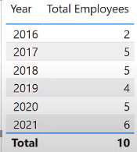
 |  |  |  |  |  |  | YEAR | COUNT
 |  |  |  |  |  |  | 2016 | 2
 |  |  |  |  |  |  | 2017 | 5
 |  |  |  |  |  |  | 2018 | 5
 |  |  |  |  |  |  | 2019 | 4
 |  |  |  |  |  |  | 2020 | 5
 |  |  |  |  |  |  | 2021 | 6
 |  |  |  |  |  |  | 2022 | 5

Formats

FROM: | Mark Biegert
SUBJECT:
DATE: | 22-Dec-2023

Table Formats

 | Category A | Category B | Category C | Value
 | A | 1 | a | 1
 | A | 2 | b | 2
 | B | 1 | a | 3
 | B | 2 | b | 4
 | C | 1 | a | 5
 | C | 2 | b | 6

 | Sum of Value |  | Category C
 | Category A | Category B | a | b | Grand Total
 | A
 |  | 1 | 1 |  | 1
 |  | 2 |  | 2 | 2
 | B
 |  | 1 | 3 |  | 3
 |  | 2 |  | 4 | 4
 | C
 |  | 1 | 5 |  | 5
 |  | 2 |  | 6 | 6
 | Grand Total |  | 9 | 12 | 21

Tab Colors

 | Data Tabs
 | Report Tabs
 | Analysis Tabs
 | Metadata Tabs

