Sheet1
Inventory | Store | Item | Lookup last instance of item | Hats
584 | Store 13 | Jacket | Inventory | 432
205 | Store 10 | Belts | Addreas of lookup item (absolute) | $C$20
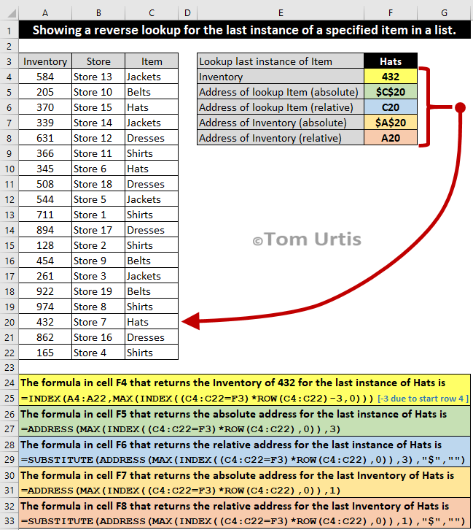
370 | Store 15 | Hats | Addreas of lookup item (relative) | C20
339 | Store 14 | Jackets | Address of Inventory (absolute) | $A$20
631 | Store 12 | Dresses | Address of inventory (relative) | A20
366 | Store 11 | Shirts
345 | Store 6 | Hats
508 | Store 18 | Dresses
544 | Store 5 | Jackets
711 | Store 1 | Shirts
894 | Store 17 | Dresses
128 | Store 2 | Shirts
454 | Store 9 | Belts
261 | Store 3 | Jackets
922 | Store 19 | Belts
974 | Store 8 | Shirts
432 | Store 7 | Hats
862 | Store 16 | Dresses
165 | Store 4 | Shirts

=INDEX(A4:A22,MAX(INDEX((C4:C22=F3)*ROW(C4:C22)-3,0)))
=ADDRESS(MAX(INDEX((C4:C22=F3)*ROW(C4:C22),0)),3)
=SUBSTITUTE(ADDRESS(MAX(INDEX((C4:C22=F3)*ROW(C4:C22),0)),3),"$","")

