TimeFunction
FROM: | Mark Biegert
SUBJECT: | Maccor Time Function
DATE: | 04-Jan-2024

Test Data

 | Maccor Format
 | 0d 00:01:00
 | 1d 01:01:00
 | 2d 00:00:00
 | 1d 00:00:01
 | 3d 01:01:00
 |  |  |  |  |  |  | Here is how I check the time using Excel.
Result |  |  |  |  |  |  |  | =MAP(_tMac_[Maccor Format],LAMBDA(x, SUMPRODUCT(--(TEXTSPLIT(x,{"d ",":"})),{1440,60,1,0.0166666666666667})))

 | Maccor Format | Minutes | Hours | MinutesWithFalse | Min Val Check
 | 0d 00:01:00 | 1.00 | 0.02 | 1.00 | 1.00 | 1
 | 1d 01:01:00 | 1501.00 | 25.02 | 1501.00 | 1501.00 | 1
 | 2d 00:00:00 | 2880.00 | 48.00 | 2880.00 | 2880.00 | 1
 | 1d 00:00:01 | 1440.02 | 24.00 | 1440.02 | 1440.02 | 1
 | 3d 01:01:00 | 4381.00 | 73.02 | 4381.00 | 4381.00 | 1

Optional Parameter

It would be attractive to have an hour option for the Maccor function. PQ does support an optional parameter and I will make an attempt at using the parameter to support an hour option. The hour parameter is a logical (boolean) where true indicates hours and false or null indicates minutes.

Mixed
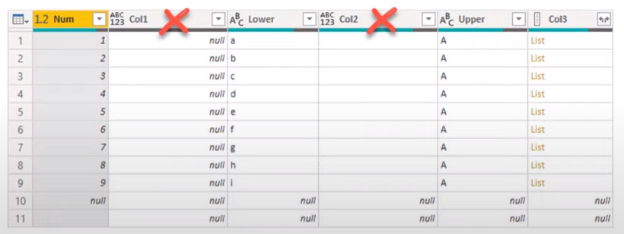
FROM: | Mark Biegert
SUBJECT: | Maccor Time Function
DATE: | 04-Jan-2024

 | Num | Col1 | Lower | Col2 | Upper | Col3
 | 1 |  | a |  | A
 | 2 |  | b |  | A
 | 3 |  | c |  | A
 | 4 |  | d |  | A
 | 5 |  | e |  | A
 | 6 |  | f |  | A
 | 7 |  | g |  | A
 | 8 |  | h |  | A
 | 9 |  | i |  | A

Formats

FROM: | Mark Biegert
SUBJECT: | Biegert Standardized Formating
DATE: | 05-Jan-2024

Table Formats

 | Category A | Category B | Category C | Value
 | A | 1 | a | 1
 | A | 2 | b | 2
 | B | 1 | a | 3
 | B | 2 | b | 4
 | C | 1 | a | 5
 | C | 2 | b | 6

 | Sum of Value |  | Category C
 | Category A | Category B | a | b | Grand Total
 | A
 |  | 1 | 1 |  | 1
 |  | 2 |  | 2 | 2
 | B
 |  | 1 | 3 |  | 3
 |  | 2 |  | 4 | 4
 | C
 |  | 1 | 5 |  | 5
 |  | 2 |  | 6 | 6
 | Grand Total |  | 9 | 12 | 21

Tab Colors

 | Report Tabs
 | Data Tabs
 | Analysis Tabs
 | References
 | Metadata Tabs
 | Chart Tabs

