Sheet1
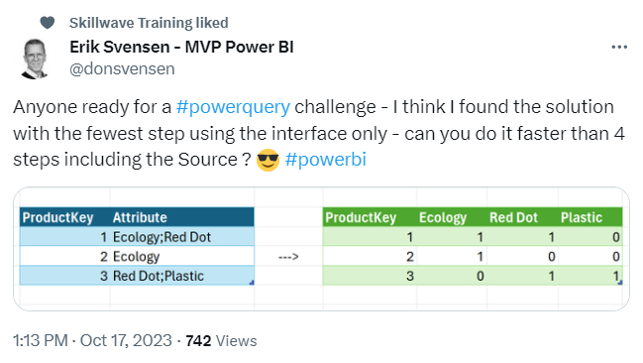
FROM: | Mark Biegert
SUBJECT:
DATE: | 13-Sep-2021

 |  | ProductKey | Attribute | ProductKey | Ecology | Red Dot | Plastic
 |  | 1 | Ecology;Red Dot | 1 | 1 | 1 | 0
 |  | 2 | Ecology | 2 | 1 | 0 | 0
 |  | 3 | Red Dot;Plastic | 3 | 0 | 1 | 1

