Last
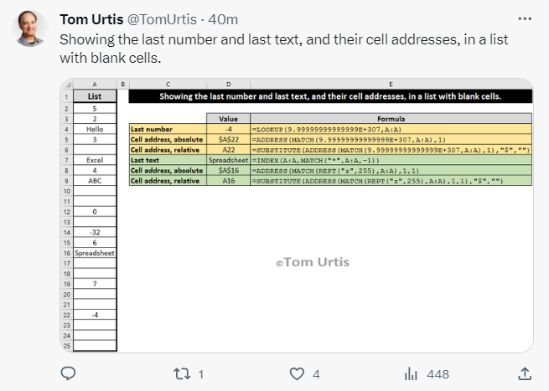
FROM: | Mark Biegert
SUBJECT: | Find the Last
DATE: | 18-Oct-2023

 |  |  | Value
 | List | Last Number | -4
1 | 5 | Cell address, absolute | $A$20
2 | 2 | Cell address, relative | A20
3 | Hello | Last text | Spreadsheet
4 | 3 | Cell address, absolute | $A$15
5 |  | Cell address, relative | A15
6 | Excel
7 | 4
Tom's definition of absolute is different than mine. IF your table starts in row 1, yes it gives you an absolute address. However, if your table is not at the top of the sheet you actually get the index relative to the top of the table.
8 | ABC
9
10
11 | 0
12
13 | -32
14 | 6
15 | Spreadsheet
16
17
18 | 7
19
20 | -4
21
22

