Report
FROM: | Mark Biegert
SUBJECT: | Another DAX Example
DATE: | 02-Jan-2024

 | Brand | Product | Sales | Product | Brand | MaxProdSales
 | A | P1 | 1 | P1 | A | 2
 | A | P1 | 1 |  | B | 2
 | A | P2 | 10 | P2 | A | 20
 | A | P2 | 10 |  | B | 40
 | A | P3 | 100 | P3 | A | 300
 | A | P3 | 100 |  | C | 400
 | A | P3 | 100 |  |  |  | Explain this difference
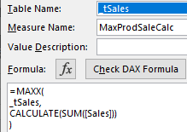
 | B | P1 | 1
 | B | P1 | 1 | Brand | MaxProdSaleCalc
 | B | P2 | 10 | A | 300
 | B | P2 | 10 | B | 40
 | B | P2 | 10 | C | 400
 | B | P2 | 10
 | C | P3 | 100 | Brand | MaxProdSales
 | C | P3 | 100 | A | 322
 | C | P3 | 100 | B | 42
 | C | P3 | 100 | C | 400
 |  |  |  |  |  |  | There is context transition here.

 |  |  |  |  |  |  | There is no context transition in this formula.

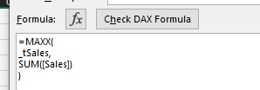

 |  |  |  |  |  |  | So it computes the sales for each brand (A,B,C)
 |  |  |  |  |  |  | Then takes the max for each brand.

Data2
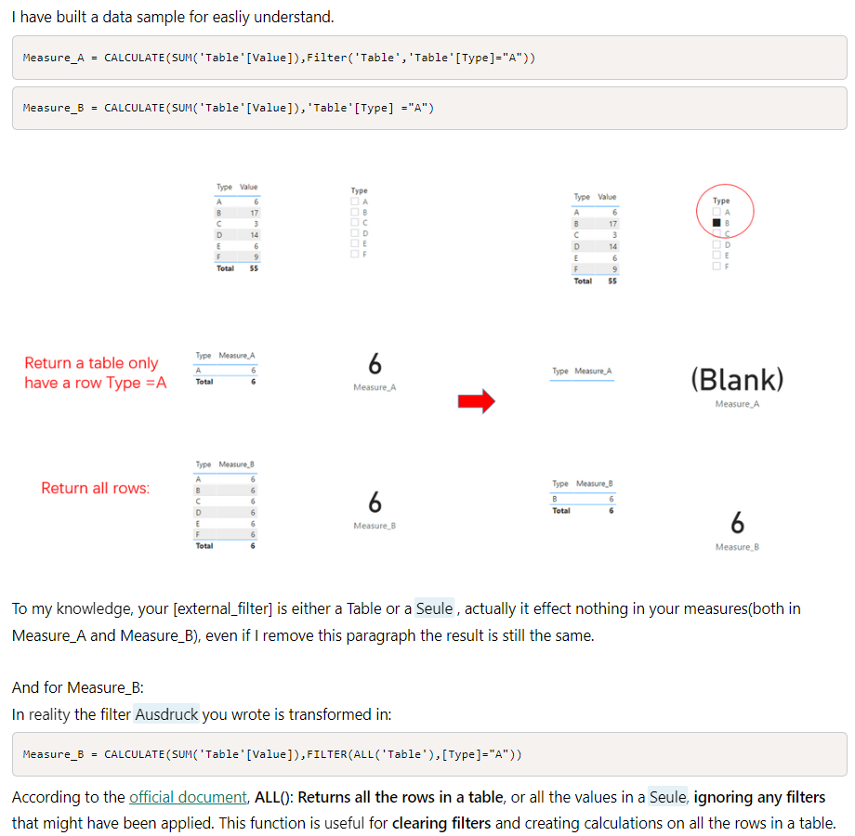
FROM: | Mark Biegert
SUBJECT: | Another DAX Example
DATE: | 02-Jan-2024 |  | Link

 | Type | Value |  | Type | Measure_A
 | A | 6 |  | A | 6
 | B | 17 |  | Grand Total | 6
 | C | 3
 | D | 14
 | E | 6
 | F | 9

 |  |  |  | Type | Measure_B
 |  |  |  | B | 6
 |  |  |  | Grand Total | 6

No Filter, Measure B |  |  | Filter for B

 | Type | Measure_B |  | Type | Measure_B | Measure B computes the same result for all
 | A | 6 |  | B | 6 | types. This is because it first clears the external filter and then applies the A filter.
 | B | 6 |  | Grand Total | 6 | This returns the same value for each type.
 | C | 6
 | D | 6 |  | B filter
 | E | 6 |  | Type | Measure_A | Measure A removes the external filter on
 | F | 6 |  |  |  | Type and applies a type A filter.
 | Grand Total | 6 |  |  |  | Only A has a value with this DAX. However, the
 |  |  |  |  |  | PT is only showing B, so there is nothing there.

 |  |  |  | Only A has a value
 |  |  |  | Type | Measure_A
 |  |  |  | A | 6
 |  |  |  | B
 |  |  |  | C
 |  |  |  | D
 |  |  |  | E
 |  |  |  | F
 |  |  |  | Grand Total | 6

 |  |  |  |  |  |  | The last paragraph is wrong. It
 |  |  |  |  |  |  | just clears the filters from
 |  |  |  |  |  |  | the column in the expression.

Formats

FROM: | Mark Biegert
SUBJECT: | Biegert Standardized Formating
DATE: | 02-Jan-2024

Table Formats

 | Category A | Category B | Category C | Value
 | A | 1 | a | 1
 | A | 2 | b | 2
 | B | 1 | a | 3
 | B | 2 | b | 4
 | C | 1 | a | 5
 | C | 2 | b | 6

 | Sum of Value |  | Category C
 | Category A | Category B | a | b | Grand Total
 | A
 |  | 1 | 1 |  | 1
 |  | 2 |  | 2 | 2
 | B
 |  | 1 | 3 |  | 3
 |  | 2 |  | 4 | 4
 | C
 |  | 1 | 5 |  | 5
 |  | 2 |  | 6 | 6
 | Grand Total |  | 9 | 12 | 21

Tab Colors

 | Report Tabs
 | Data Tabs
 | Analysis Tabs
 | References
 | Metadata Tabs
 | Chart Tabs

