Report
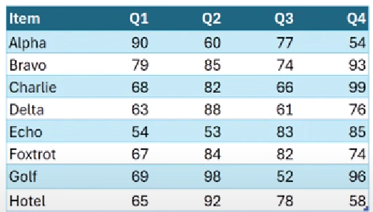
FROM:
SUBJECT:
DATE:
Mark Biegert
SUPERXLOOKUP
21-Nov-2024

 |  |  |  |  | Lookup Test |  |  |  |  | Error Test

Item | Q1 | Q2 | Q3 | Q4 |  | Q1 | Q2 | Q3 | Q4 | Item | Q1 | Q2 | Q5
Alpha | 90 | 60 | 77 | 54 | Charlie | 68 | 82 | 66 | 99 | Alpha | 90 | 60 | #N/A
Bravo | 79 | 85 | 74 | 93 | Indigo | 0 | 0 | 0 | 0 | Bravo | 79 | 85 | #N/A
Charlie | 68 | 82 | 66 | 99 | Echo | 54 | 53 | 83 | 85 | Charlie | 68 | 82 | #N/A
Delta | 63 | 88 | 61 | 76 | Foxtrot | 67 | 84 | 82 | 74 | Delta | 63 | 88 | #N/A
Echo | 54 | 53 | 83 | 85 |  |  |  |  |  | Echo | 54 | 53 | #N/A
Foxtrot | 67 | 84 | 82 | 74 |  |  |  |  |  | Foxtrot | 67 | 84 | #N/A
Golf | 69 | 98 | 52 | 96 |  |  |  |  |  | Golf | 69 | 98 | #N/A
Hotel | 65 | 92 | 78 | 58 |  |  |  |  |  | Hotel | 65 | 92 | #N/A

