Sheet1
Link
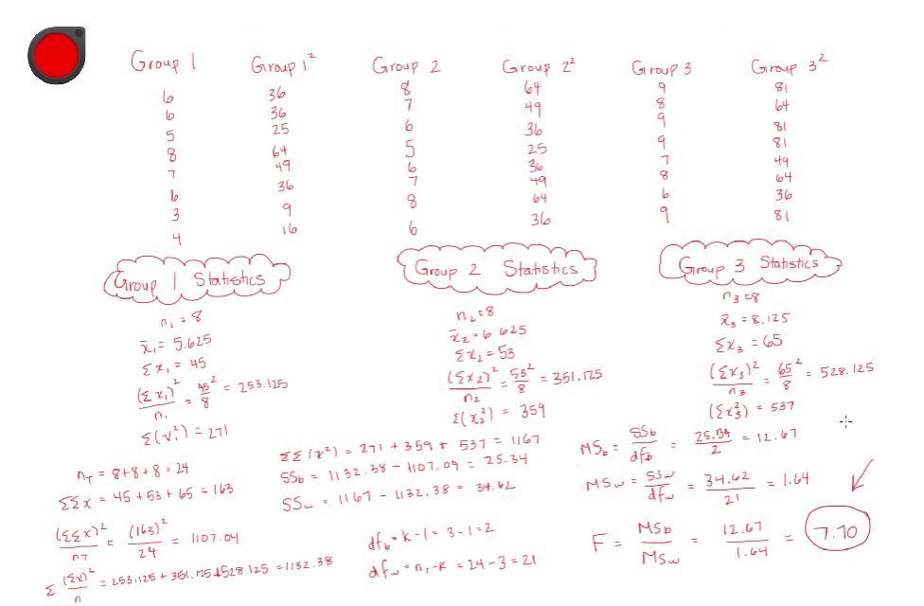
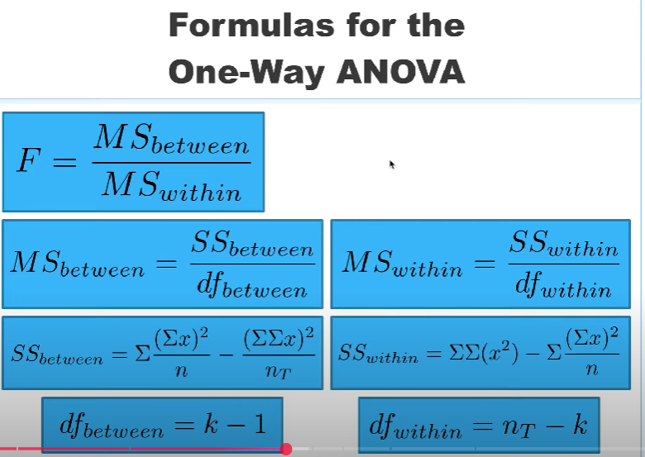

 | Group 1 |  |  | Group 2 |  |  | Group 3
 | 6 | 36 |  | 8 | 64 |  | 9 | 81
 | 6 | 36 |  | 7 | 49 |  | 8 | 64
 | 5 | 25 |  | 6 | 36 |  | 9 | 81
 | 8 | 64 |  | 5 | 25 |  | 9 | 81
 | 7 | 49 |  | 6 | 36 |  | 7 | 49
 | 6 | 36 |  | 7 | 49 |  | 8 | 64
 | 3 | 9 |  | 8 | 64 |  | 6 | 36
 | 4 | 16 |  | 6 | 36 |  | 9 | 81

 | n1 | 8 |  | n1 | 8 |  | n1 | 8
 | xbar | 5.625 |  | xbar | 6.625 |  | xbar | 8.125
 | xsum | 45 |  | xsum | 53 |  | xsum | 65
 | Inter | 253.125 |  | Inter | 351.125 |  | Inter | 528.125
 | SS2 | 271 |  | SS2 | 359 |  | SS2 | 537
 |  |  |  |  |  | df
 | nT | 24 |  | xxx | 1167
 | SSx | 163 |  |  | 25.333333333 | 2 | 12.666666667 | 7.6823104693
 | SS2M | 1107.0416667 |  |  | 34.625 | 21 | 1.6488095238
 | SS1M | 1132.375

 | 6 | 8 | 9 |  |  |  |  | Anova: Single Factor
 | 6 | 7 | 8
 | 5 | 6 | 9 |  |  |  |  | SUMMARY
 | 8 | 5 | 9 |  |  |  |  | Groups | Count | Sum | Average | Variance
 | 7 | 6 | 7 |  |  |  |  | Column 1 | 8 | 45 | 5.625 | 2.5535714286
 | 6 | 7 | 8 |  |  |  |  | Column 2 | 8 | 53 | 6.625 | 1.125
 | 3 | 8 | 6 |  |  |  |  | Column 3 | 8 | 65 | 8.125 | 1.2678571429
 | 4 | 6 | 9

 |  |  |  |  |  |  |  | ANOVA
 |  |  |  |  |  |  |  | Source of Variation | SS | df | MS | F | P-value | F crit
 |  |  |  |  |  |  |  | Between Groups | 25.333333333 | 2 | 12.666666667 | 7.6823104693 | 0.0031345298748 | 3.4668001115
 |  |  |  |  |  |  |  | Within Groups | 34.625 | 21 | 1.6488095238

 |  |  |  |  |  |  |  | Total | 59.958333333 | 23

