Sheet1
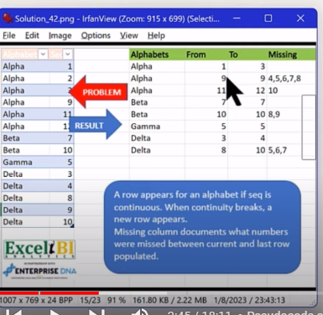
Alphabet | Seq | Alphabets | From | To | Alphabets | From | To | Index | Missing
Alpha | 1 | Alpha | 1 | 3 | Alpha | 1 | 3 | 0
Alpha | 2 | Alpha | 9 | 9 | Alpha | 9 | 9 | 1 | 4,5,6,7,8
Alpha | 3 | Alpha | 11 | 12 | Alpha | 11 | 12 | 2 | 10
Alpha | 9 | Beta | 7 | 7 | Beta | 7 | 7 | 3
Alpha | 11 | Beta | 10 | 10 | Beta | 10 | 10 | 4 | 8,9
Alpha | 13 | Gamma | 5 | 5 | Gamma | 5 | 5 | 5
Beta | 7 | Delta | 3 | 4 | Delta | 3 | 4 | 6
Beta | 10 | Delta | 8 | 10 | Delta | 8 | 10 | 7 | 5,6,7
Gamma | 5
Delta | 3
Delta | 4
Delta | 8
Delta | 9
Delta | 10

