Formula208
FROM:
SUBJECT:
DATE:
Mark Biegert
Placeholder
1-Jan-2024
 |  |  | https://www.siranah.de/html/sail042e.htm

 |  |  |  | https://astronavigationdemystified.com/calculating-azimuth-and-altitude-at-the-assumed-position-by-spherical-trigonometry/

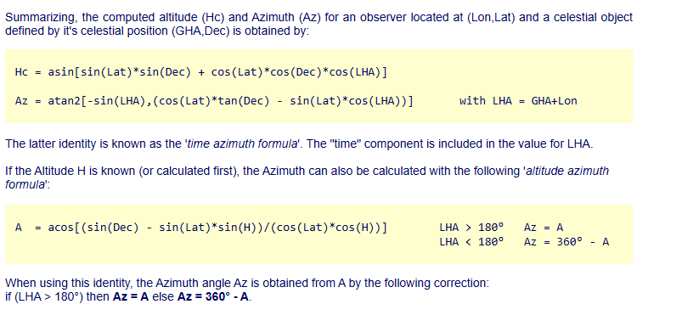
_L | -20 |  |  |  | 49 | 49 | 49 | 68 | -20 | 36
_d | 22.05 |  |  |  | 12.1 | 45.183333333 | 74.266666667 | 21.133333333 | 22.05 | 28.091666667
_t | 63 |  |  |  | 58 | 259 | 347 | 329 | 63 | 68

_h | 15.486303643 | 15° 29.2 |  |  | 29.876729615 | 26.559810845 | 64.128051809 | 39.330371718 |  | 32.966666667
_Z | 58.975538983 |  |  |  | 72.999137827 | -50.671216762 | -8.0355468673 | -38.394152431 |  | 77.1

148.97553898
328.97553898

I need to understand the definition of azimuth better.

_PX | 67.95
_PZ | 110
_ZX | 74.513696357
_Alt | 15.486303643
_ZPA | 63

0.51540397436
58.975538983 | 58° 58.5
121.02446102 | 121° 1.5

Formula229
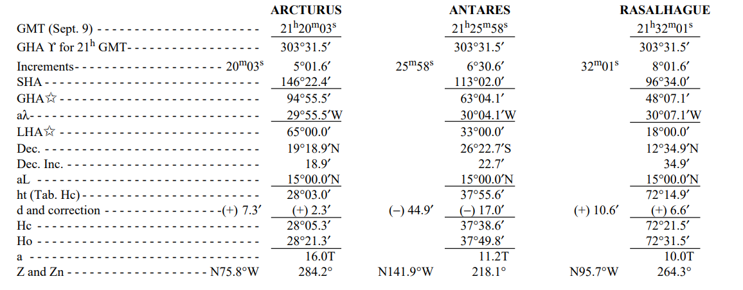
 |  |  | Pub 229 |  |  | HO 208
 |  |  |  |  |  | pg 55
 |  |  | Arcturus | Antares | Rasalhague | Regulus | Deneb | Kochab
_L | 15 |  | 15 | 15 | 15 | 49 | 49 | 49
_d | -26.378333333 |  | 19.315 | -26.378333333 | 12.581666667 | 12.1 | 45.183333333 | 74.266666667
_t | 33 |  | 65 | 33 | 18 | 58 | 259 | 347
 |  |  | 28° 5.4' | 37° 38.6' | 72° 21.5' | 29° 52.6' | 26° 33.6' | 64° 7.7'
 |  |  | 75° 48.6' | 218° 2.4' | 264° 21.1' | 252° 59.9' | 50° 40.3' | 8° 2.1'
 |  |  | 284° 11.4' | 141° 57.6' | 95° 38.9' | 107° 0.1' | 309° 19.7' | 351° 57.9'
_Hc | 37.644050024 | 37° 38.6'
_Z | 218.04021819 | 218° 2.4'
 | 141.95978181 | 141° 57.6'
 | 308.04021819

Working
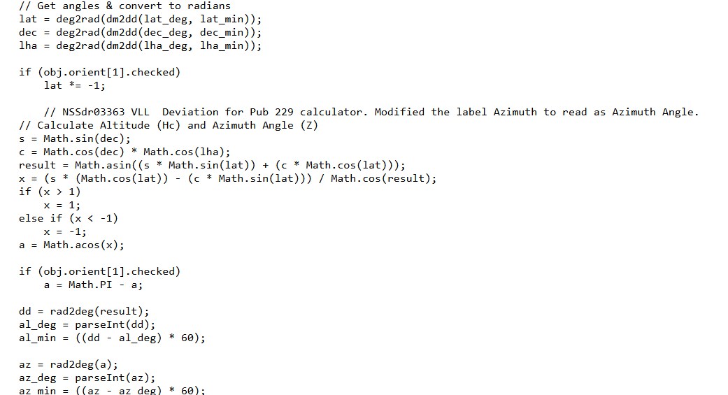
 |  |  | Pub 229 |  |  | HO 208
 |  |  |  |  |  | pg 55 |  |  | pg64
 |  |  | Arcturus | Antares | Rasalhague | Regulus | Deneb | Kochab
_L | -1 | Lat | 15 | 15 | 15 | 49 | 49 | 49 | -1
_d | 21.156666667 | dec | 19.315 | -26.378333333 | 12.581666667 | 12.1 | 45.183333333 | 74.266666667 | 21.156666667
_t | 284 | LHA | 65 | 33 | 18 | 58 | 259 | 347 | 284
 |  |  | 28° 5.4' | 37° 38.6' | 72° 21.5' | 29° 52.6' | 26° 33.6' | 64° 7.7' | 12° 40.0'
 |  |  | 75° 48.6' | 141° 57.6' | 95° 38.9' | 107° 0.1' | 50° 40.3' | 8° 2.1' | 111° 57'
 |  |  | 284° 11.4' | 218° 2.4' | 264° 21.1' | 252° 59.9' | 309° 19.7' | 351° 57.9'
_Hc | 12.666886583 | 12° 40.0'
_Z | 111.95647513 | 111° 57.4' |  |  |  |  |  | 9.4
 |  |  | 21.156666667
 |  |  |  | `

 | TRUE

Formats
FROM:
SUBJECT:
DATE:
Mark Biegert
Placeholder
1-Jan-2024

FROM: | Mark Biegert
SUBJECT:
DATE: | 04-Jun-2025

Table Formats

 | Category A | Category B | Category C | Value
 | A | 1 | a | 1
 | A | 2 | b | 2
 | B | 1 | a | 3
 | B | 2 | b | 4
 | C | 1 | a | 5
 | C | 2 | b | 6

 | Sum of Value |  | Category C
 | Category A | Category B | a | b | Grand Total
 | A
 |  | 1 | 1 |  | 1
 |  | 2 |  | 2 | 2
 | B
 |  | 1 | 3 |  | 3
 |  | 2 |  | 4 | 4
 | C
 |  | 1 | 5 |  | 5
 |  | 2 |  | 6 | 6
 | Grand Total |  | 9 | 12 | 21

Tab Colors

 | Data Tabs
 | Report Tabs
 | Analysis Tabs
 | Metadata Tabs

