PQ_Drill
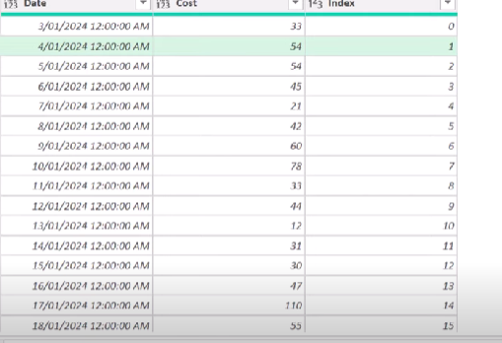
 | Date | Cost |  |  | Date | Cost | Group
 | 2024-01-03 | 33 |  |  | 2024-01-03 | 33 | 1
 | 2024-01-04 | 54 |  |  | 2024-01-04 | 54 | 1
 | 2024-01-05 | 54 |  |  | 2024-01-05 | 54 | 2
 | 2024-01-06 | 45 |  |  | 2024-01-06 | 45 | 2
 | 2024-01-07 | 21 |  |  | 2024-01-07 | 21 | 2
 | 2024-01-08 | 42 |  |  | 2024-01-08 | 42 | 3
 | 2024-01-09 | 60 |  |  | 2024-01-09 | 60 | 3
 | 2024-01-10 | 78 |  |  | 2024-01-10 | 78 | 4
 | 2024-01-11 | 33 |  |  | 2024-01-11 | 33 | 4
 | 2024-01-12 | 44 |  |  | 2024-01-12 | 44 | 5
 | 2024-01-13 | 12 |  |  | 2024-01-13 | 12 | 5
 | 2024-01-14 | 31 |  |  | 2024-01-14 | 31 | 5
 | 2024-01-15 | 30 |  |  | 2024-01-15 | 30 | 5
 | 2024-01-16 | 47 |  |  | 2024-01-16 | 47 | 6
 | 2024-01-17 | 110 |  |  | 2024-01-17 | 110 | 7
 | 2024-01-18 | 55 |  |  | 2024-01-18 | 55 | 8
 | 2024-01-19 | 47 |  |  | 2024-01-19 | 47 | 8

https://www.youtube.com/watch?v=7WOGk68VM_o

 | Date | LowestIndexInGroup | Cost | Index.1 | GroupIndex
 | 1/3/24 | 0 | 33 | 0 | 0
 | 1/3/24 | 0 | 54 | 1 | 0
 | 1/5/24 | 2 | 54 | 2 | 1
 | 1/5/24 | 2 | 45 | 3 | 1
 | 1/5/24 | 2 | 21 | 4 | 1
 | 1/8/24 | 5 | 42 | 5 | 2
 | 1/8/24 | 5 | 60 | 6 | 2
 | 1/10/24 | 7 | 78 | 7 | 3
 | 1/10/24 | 7 | 33 | 8 | 3
 | 1/12/24 | 9 | 44 | 9 | 4
 | 1/12/24 | 9 | 12 | 10 | 4
 | 1/12/24 | 9 | 31 | 11 | 4
 | 1/12/24 | 9 | 30 | 12 | 4
 | 1/16/24 | 13 | 47 | 13 | 5
 | 1/17/24 | 14 | 110 | 14 | 6
 | 1/18/24 | 15 | 55 | 15 | 7
 | 1/18/24 | 15 | 47 | 16 | 7

