Case
MEWC UK Championship 2025

⚠️ Attention ⚠️ This workbook contains several complex fonts which may frazzle some players. If you suspect these fonts will affect you, you may wish to Ctrl + A and change the font on this worksheet.

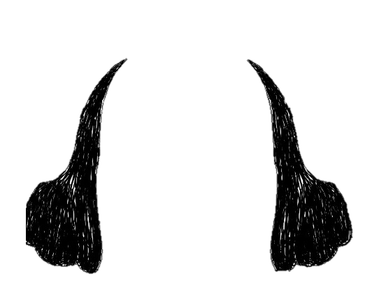


Dim and the FMWC UK team welcome you to… |  |  |  |  |  |  |  |  | Playwrights
All's well that ends Excel!
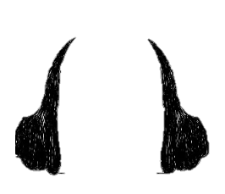

 |  |  |  |  |  |  |  |  | Harry Gross | Dim Early

Pre-Show
William Sheetspeare's wall fall has bequeathed on his head a state of victimhood… God grant a heady barrenness not advance. As his eft squire, thee will go thither and attempt to salvage his love's labours. A tall order, the play's imminent and the Queen comes thusly! Time may not be squandered, on with the show! A challenge of 750 points looms, with 5 point-yielding scenes and 3 on-stage dares.

On-Stage Dares

To get that adrenaline pumping, you and your actors will perform 3 on-stage dares, but you may choose to do them at any point in the production!

Game # | Relates to | Points | Answer |  | Onstage Dares
Bonus 1 | Scene 1 | 25 | 2 | 1 | For how many actors is there no possible vocal frequency and acting style where they would be the only casting option? To be held in Sheetspeare's greatest esteem, perform this dare on 'Casting Card' without a single formula or mouse click. |  |  |  |  |  | Use the graph to find frequencies where only one.
Bonus 2 | Scene 3 | 35 | 360360 | 1 | If ALL the conditions in the table in level 3 occurred this year, how many years will it be until they all occur again in the same year? |  |  |  |  |  | Just an LCM
Bonus 3 | Scene 5 | 50 | FMWC UK | 1 | If all the soldiers on the field in Birnam forest move up 3x their point value in rows (e.g. a footman is worth 3 points, so moves up 3x3 = 9 rows), they all end up on the battlefield in front of the castle. In their battle formation, they spell out a message. What is it? (Include the space character in the answer.)

Act I - A Comedy of Errors

Scene 1 | Easy |  |  |  |  |  |  |  | Current Score
 |  |  |  |  |  |  |  |  | 750
Our 'trumpets skewered! We must ado about no thing, a shadow of a role!
Without dither proceed and thrust forward an appropriate actor!

Sheetspeare has left some roles uncast and we have to fill them ASAP before their scenes start!
The requirements for the roles are below. Use the 'Casting Card' worksheet to find the appropriate actor to fill them.

Note that there will always be a single, unique actor/actress that fulfills each role in the games below, but not in general.

In Example1, both Jonny Kennedy and Giles Male can act with a vocal frequency of 350.
However, Jonny Kennedy has an ordered acting style, so does not meet the requirements.

Game # | Level | Points | Actor Name |  | Vocal Frequency (Hz) |  | Acting Style

Example1 | 1 | 0 | Giles Male | 1 | 350 |  | Chaotic | Giles Male

1 | 1 | 4 | Amber Johnson | 1 | 405 |  | Chaotic | Amber Johnson
2 | 1 | 4 | Harry Gross | 1 | 431 |  | Chaotic | Harry Gross
3 | 1 | 4 | Elliott Paterson | 1 | 421 |  | Ordered | Elliott Paterson
4 | 1 | 4 | Andrew Grigolyunovich | 1 | 477 |  | Ordered | Andrew Grigolyunovich
5 | 1 | 4 | Harry Gross | 1 | 429 |  | Chaotic | Harry Gross
6 | 1 | 4 | Jonny Kennedy | 1 | 367 |  | Ordered | Jonny Kennedy
7 | 1 | 4 | Michael Jarman | 1 | 395 |  | Chaotic | Michael Jarman
8 | 1 | 4 | Giles Male | 1 | 358 |  | Chaotic | Giles Male
9 | 1 | 4 | Jaq Kennedy | 1 | 384 |  | Chaotic | Jaq Kennedy
10 | 1 | 4 | Katrīna Anevica | 1 | 485 |  | Chaotic | Katrīna Anevica

Scene 2 | Easy

Sheetspeare… the dullard! It's all Greek to me, but his syllablic metre has not yet baked! |  |  |  |  |  |  | Target Stress Pattern: |  | OXOXOXOX... etc
Biting thumbs would not thread the yarn… we must make haste!

Sheetspeare has not finished some of the final script lines yet!
He likes writing lines in 'iambs', where all of the odd stresses (1,3,5, ...) are 'O' and the even stresses (2,4,6, ...) are 'X'.
In these lines, how many stresses currently align with the target stress pattern? |  |  |  |  |  |  | MAX LENGTH |  | 15
 |  |  |  |  |  | Flipped XOR→NOR | XOXOXOXOXOXOXOX | 01010101010 | 682 | 806 | 1100100110 | 5
For example, the pattern XOXOXOXO… would have an answer of 0. |  |  |  |  |  |  | XXOOXXXOOXX | 00110001100 | 396
Example2, with the 5 correct stresses which contribute to the answer underlined:
XXOOXXXOOXX

Game # | Level | Points | # of Aligned Stresses |  |  | Line |  |  |  | Stress Pattern

Example2 | 2 | 0 | 5 | 1 |  | B2 or not B2, that is the question. |  |  |  | XXOOXXXOOXX
 |  |  |  |  |  |  |  |  |  |  | 5
11 | 2 | 6 | 4 | 1 |  | Be not afraid of LAMBDAs. |  |  |  | XXXXOXX | 4
12 | 2 | 6 | 3 | 1 |  | Some have LAMBDAs thrust upon them. |  |  |  | OOXXXOOO | 3
13 | 2 | 6 | 6 | 1 |  | Give every man thy ear, but few thy spreadsheet. |  |  |  | XOXXXXOXOXX | 6
14 | 2 | 6 | 6 | 1 |  | Brevity of formulae is the soul of wit. |  |  |  | XOOOXOOOOXOX | 6
15 | 2 | 6 | 4 | 1 |  | What is actuals is prologue. |  |  |  | OOXXOXX | 4
16 | 2 | 6 | 10 | 1 |  | An auditable formula is nobility's true badge. |  |  |  | OXOOOXOOOXOOXXX | 10
17 | 2 | 6 | 1 | 1 |  | Such as cells are made of, such we be. |  |  |  | XOXOXOXXX | 1
18 | 2 | 6 | 5 | 1 |  | Formatting and formulas make the hours seem short. |  |  |  | XXXOXOOOOXOO | 5
19 | 2 | 6 | 4 | 1 |  | All that calculates is not gold. |  |  |  | XOOOOOOX | 4
20 | 2 | 6 | 11 | 1 |  | The fault is not in our spreadsheet, but in ourselves. |  |  |  | OXOXOXXXOXOX | 11
21 | 2 | 6 | 8 | 1 |  | I am not bound to please thee with my formula. |  |  |  | OOOXOXXOOXOO | 8
22 | 2 | 6 | 3 | 1 |  | Thought costs 1 Microsoft Office subscription. |  |  |  | XOXOOOOOOO | 3
23 | 2 | 6 | 7 | 1 |  | The modeller or the manager, who sins the most? |  |  |  | OXOOOOXOOXXXX | 7
24 | 2 | 6 | 6 | 1 |  | Shall I compare thee to an XLOOKUP? |  |  |  | OXOOXOOXXX | 6
25 | 2 | 6 | 9 | 1 |  | If functions be the food of formulas, play on. |  |  |  | OXOOOXOXOOXX | 9
26 | 2 | 6 | 4 | 1 |  | In (Automatic) black ink my love may still shine bright. |  |  |  | OXXOXOOXX | 4
27 | 2 | 6 | 7 | 1 |  | I wish my workbook had the speed of your tongue. |  |  |  | OOOXXOOXOOO | 7
28 | 2 | 6 | 6 | 1 |  | I will praise any man that will praise my workbook. |  |  |  | OOXOOOOXOXX | 6
29 | 2 | 6 | 5 | 1 |  | My work fell with my Excel application. |  |  |  | OOXOOXXXXXX | 5
30 | 2 | 6 | 6 | 1 |  | There's many a man has less hair than functions. |  |  |  | OXXOXOOXOXX | 6

Intermission
 Good cheer, an eye in the storm. A moment for flirting, brew and pheasant mayhap? I'm sure no regret shall befall us if this intermission is not used proactively.

Act 2 - An On-Stage Disaster

Scene 3 | Medium

Fir, our scripting tardiness and strong brew has invoked an amensial mania!
The actresses for Clotho, Lachesis and Atropos, the three witches, are trying to remember how many years follows their line:

When shall we three meet again? In thunder, lightning, or in rain?

 |  |  |  |  |  |  | Condition | Period (years)
 |  |  |  |  |  |  | Thunder | 2
 |  |  |  |  | ✨ ✨ |  | Lightning | 3
 |  |  |  |  |  |  | Rain | 4
✨ |  |  |  |  |  |  | Flood | 5
 |  |  |  |  |  |  | Smoke | 6
✨ |  |  | ✨ ✨ |  |  |  | Hail | 7
 |  | ✨ | ✨ |  | ✨ |  | Chill | 8
 | ✨ |  |  |  |  |  | Mist | 9
 |  |  | ✨ |  | 🦇 |  | Shadow | 10
 | 🦇 |  |  |  | 🦇 |  | Ash | 11
✨ |  |  |  |  |  |  | Drought | 12
 | ✨ |  | ✨ |  |  |  | War | 13
 |  |  |  |  |  |  |  | 360360
 |  | 🧙‍♀️ 🕯️ | 🧙‍♀️🔮 | ⚗️🧙‍♀️ | 🕸

Each witch visits the blasted heath on midsummer's night when a periodic condition occurs.
The periodicity of the conditions is provided in the table.
If all the witches are together now, how many years will it be until the next time they meet?

In Example3:
Clotho revisits the heath in years 2,4,6,10,12, etc
Lachesis revisits the heath in years 3,6,9,12, etc
Atropos revisits the heath in years 4,8,12, etc
The smallest number of years after which all 3 Witches revisit the heath together is 12.

Game # | Level | Points | Years |  | Clotho | Lachesis | Atropos

Example3 | 3 | 0 | 12 | 1 | Thunder | Lightning | Rain

31 | 3 | 7 | 132 | 1 | Lightning | Drought | Ash | 3 | 12 | 11 | 132
32 | 3 | 7 | 63 | 1 | Hail | Lightning | Mist | 7 | 3 | 9 | 63
33 | 3 | 7 | 20 | 1 | Shadow | Rain | Flood | 10 | 4 | 5 | 20
34 | 3 | 7 | 70 | 1 | Flood | Thunder | Hail | 5 | 2 | 7 | 70
35 | 3 | 7 | 140 | 1 | Rain | Shadow | Hail | 4 | 10 | 7 | 140
36 | 3 | 7 | 210 | 1 | Shadow | Lightning | Hail | 10 | 3 | 7 | 210
37 | 3 | 7 | 126 | 1 | Smoke | Hail | Mist | 6 | 7 | 9 | 126
38 | 3 | 7 | 231 | 1 | Hail | Ash | Lightning | 7 | 11 | 3 | 231
39 | 3 | 7 | 12 | 1 | Drought | Lightning | Drought | 12 | 3 | 12 | 12
40 | 3 | 7 | 14 | 1 | Thunder | Hail | Hail | 2 | 7 | 7 | 14
41 | 3 | 7 | 60 | 1 | Rain | Smoke | Shadow | 4 | 6 | 10 | 60
42 | 3 | 7 | 616 | 1 | Hail | Ash | Chill | 7 | 11 | 8 | 616
43 | 3 | 7 | 180 | 1 | Shadow | Mist | Drought | 10 | 9 | 12 | 180
44 | 3 | 7 | 8 | 1 | Rain | Thunder | Chill | 4 | 2 | 8 | 8
45 | 3 | 7 | 330 | 1 | Ash | Smoke | Shadow | 11 | 6 | 10 | 330
46 | 3 | 7 | 18 | 1 | Thunder | Thunder | Mist | 2 | 2 | 9 | 18
47 | 3 | 7 | 180 | 1 | Rain | Flood | Mist | 4 | 5 | 9 | 180
48 | 3 | 7 | 36 | 1 | Rain | Mist | Lightning | 4 | 9 | 3 | 36
49 | 3 | 7 | 360 | 1 | Mist | Chill | Shadow | 9 | 8 | 10 | 360
50 | 3 | 7 | 1001 | 1 | Hail | Ash | War | 7 | 11 | 13 | 1001

Scene 4 | Medium

Double, double toil and trouble…
A calamity of potions has befallen the props department!
The terrible trio were directed to put unique items into the cauldron, or a simulateous set, never for two to place the item and the other to not!
We shall remedy the scene!

For each row of ingredients on the 'Witches Cauldron' tab, calculate how many of those ingredients are used by exactly 2 out of the 3 Witches.
There will always be at least 1 ingredient that exactly 2 Witches use.
Each row on the cauldron corresponds to the games below in order.
It may be helpful to note that the ingredients are seperated by a comma AND a space, not just a comma.

In Example4:
Shadow of a hanged man' (💀) appears in all three witches' lists.
Toe of frog' (🐸) appears in two lists (witch 1 and witch 2).
Tongue of dog' (🐶) appears in only one list (witch 1).
Adder's fork (🐍) does not appear in any of the lists.
The complete list of ingredients appearing exactly twice is 'Leg of spider' (🕷), 'Toe of frog' (🐸), and 'Banana of Lana' (🍌).

Layer # | Level | Points | # of Double Ingredients

Example4 | 4 | 0 | 3 | 1

51 | 4 | 8 | 3 | 1
52 | 4 | 8 | 5 | 1
53 | 4 | 8 | 6 | 1
54 | 4 | 8 | 3 | 1
55 | 4 | 8 | 2 | 1
56 | 4 | 8 | 5 | 1
57 | 4 | 8 | 2 | 1
58 | 4 | 8 | 3 | 1
59 | 4 | 8 | 3 | 1
60 | 4 | 8 | 5 | 1
61 | 4 | 8 | 5 | 1
62 | 4 | 8 | 3 | 1
63 | 4 | 8 | 2 | 1
64 | 4 | 8 | 4 | 1
65 | 4 | 8 | 6 | 1
66 | 4 | 8 | 4 | 1
67 | 4 | 8 | 3 | 1
68 | 4 | 8 | 2 | 1
69 | 4 | 8 | 1 | 1
70 | 4 | 8 | 3 | 1

Scene 5 | Medium

The final battle is approaching… with gripped breath, you and crew observe from the stands.
Oh Lord, an overzealous fan near is too forthcoming on the intricacies of medieval warfare, and starts asking you about scout formations in the current scene…
What the dither was going on in the play?

I will not be afraid of death and bane, till Birnam forest come to Dunsinane

An enemy army is hiding in Birnam forest, planning to attack MacBeth in Dunsinane.
They are all hiding behind trees and invisible from the castle, so MacBeth sends spies into the woods to find them.
Spies can see any enemy troops in a 5x5 square centered on their location (i.e. 2 squares away in each direction).

What is the total point value of enemy troops within 2 squares of the given location on the Birnam Forest tab?
Point values are given in the table on the Birnam Forest tab.

In Example5, the 5x5 range around L24 is J22:N26.
This range includes exactly 4 archers, which contribute 5 points each, for a total of 20.

Game # | Level | Points | Point Value |  | Location

Example5 | 5 | 0 | 20 | 1 | L24 | L24 | 20
 |  |  |  |  |  | 20
71 | 5 | 9 | 4 | 1 | Y24 | 4
72 | 5 | 9 | 22 | 1 | S28 | 22
73 | 5 | 9 | 20 | 1 | AG30 | 20
74 | 5 | 9 | 0 | 1 | Z7 | 0
75 | 5 | 9 | 15 | 1 | AA32 | 15
76 | 5 | 9 | 19 | 1 | AG20 | 19
77 | 5 | 9 | 14 | 1 | P24 | 14
78 | 5 | 9 | 16 | 1 | Z22 | 16
79 | 5 | 9 | 7 | 1 | T16 | 7
80 | 5 | 9 | 22 | 1 | AF27 | 22
81 | 5 | 9 | 8 | 1 | P21 | 8
82 | 5 | 9 | 4 | 1 | W18 | 4
83 | 5 | 9 | 16 | 1 | Z21 | 16
84 | 5 | 9 | 0 | 1 | X7 | 0
85 | 5 | 9 | 16 | 1 | AD21 | 16
86 | 5 | 9 | 26 | 1 | O30 | 26
87 | 5 | 9 | 6 | 1 | O14 | 6
88 | 5 | 9 | 11 | 1 | Y26 | 11
89 | 5 | 9 | 24 | 1 | AC28 | 24
90 | 5 | 9 | 12 | 1 | O19 | 12

Curtain Call
A deed demonstrated, the fates' reel grows thin. From eldritch heath to castle keep, thine trials were strange and dire, Yet all’s well that ends… Excel-lently. As you like it, Queen Elizabeth doth not demand Sheetspeare's head. Your ruffian efforts have staved the tempest. Exit, pursued by a bear.

Casting Card
Candidate Actor Data (Tabulated)
Id | Name | Description | Acting Style | Min Vocal Range (Hz) | Max Vocal Range (Hz) | Vocal Range Delta (Hz)
1 | Amber Johnson | Romeo, Romeo! Wherefore art thou Romeo? | Chaotic | 397 | 425 | 28
2 | Andrew Grigolyunovich | I cannot tell what the dickens his name is. | Ordered | 476 | 493 | 17
3 | Diarmuid Early | What light through yonder YouTube videos is cast? | Ordered | 428 | 441 | 13
4 | Elliott Paterson | Love all, trust a few, do wrong to none. | Ordered | 418 | 451 | 33
5 | Giles Male | Get thee to a nunnery. | Chaotic | 338 | 378 | 40
6 | Harry Gross | Hell is empty and all the devils are here. | Chaotic | 412 | 431 | 19
7 | Harry Watson | Is this a dagger I see before me, the handle toward my hand? | Ordered | 371 | 392 | 21
8 | Jaq Kennedy | A robot! A robot! My Kingdom for a robot! | Chaotic | 362 | 389 | 27
9 | Jonny Kennedy | The fool doth think he is wise, but the wise man knows himself to be a fool. | Ordered | 343 | 392 | 49
10 | Katrīna Anevica | To thine own self be true. | Chaotic | 466 | 499 | 33
11 | Michael Jarman | Uneasy lies the head that wears the crown. | Chaotic | 386 | 402 | 16

Candidate Actor Data (Visualised)

Witches' Cauldron




Symbol | Description
🦎 | Lizard’s leg
🐸 | Toe of frog
🦇 | Wool of bat
🐶 | Tongue of dog
🐍 | Adder’s fork
🐛 | Blind-worm’s sting
🦉 | Owlet’s wing
🐉 | Scale of dragon
🦷 | Tooth of wolf
🩸 | Blood of bat
🦅 | Feather of raven
🐈 | Claw of cat
💀 | Shadow of a hanged man
🍌 | Banana of Lana
🔥 | Ash of burned parchment
😢 | Tear of a widow
⛓ | Chain of a prisoner
🕸 | Cobweb of an ancient crypt
⏳ | Whisper of a dying breath
🕷 | Leg of spider
 |  |  |  | Layer # | Clotho Ingredients | Lachesis Ingredients | Astropos Ingredients
 |  |  |  |  |  |  |  | N30 |  |  |  | 3
 |  |  |  | Example4 | 💀, 🕷, 🦇, ⏳, 🕸, 🐶, 🐸 | 🔥, 💀, 🍌, 🕷, 🐸 | 🐛, 🦅, ⛓, 💀, 🍌 | 🔥 | 🦷 | 🩸 | 🔥 | 1
 |  |  | 3 |  |  |  |  | 🦉 | 🦉 | 🐸 | 🦉 | 2
 |  | N30 | 3 | 51 | 🔥, 🦉, 🕸, 🐸, 🩸 | 🦷, 🦉, 🦅, 🐉, 🦎, 🩸, 😢 | 🩸, 🐸, 🦷, 💀, 🐛, ⏳ | 🕸 | 🦅 | 🦷 | 🕸 | 1
 |  | N31 | 5 | 52 | 🦷, 🕸, 🔥, 🍌, ⏳, 😢, ⛓ | 🕸, 💀, 🐍, ⛓, 🦇 | 😢, 🦉, 🦅, 🕷, 💀, 🐍, 🩸 | 🐸 | 🐉 | 💀 | 🐸 | 2
 |  | N32 | 6 | 53 | 🦇, 🐈, 🍌, 🐍, 🦷, 🦅, 🔥 | 🦉, 🍌, 🐈, 🐉, 🦅 | 🔥, 🐸, 🦉, 🩸, 🐍, 😢 | 🩸 | 🦎 | 🐛 | 🩸 | 3
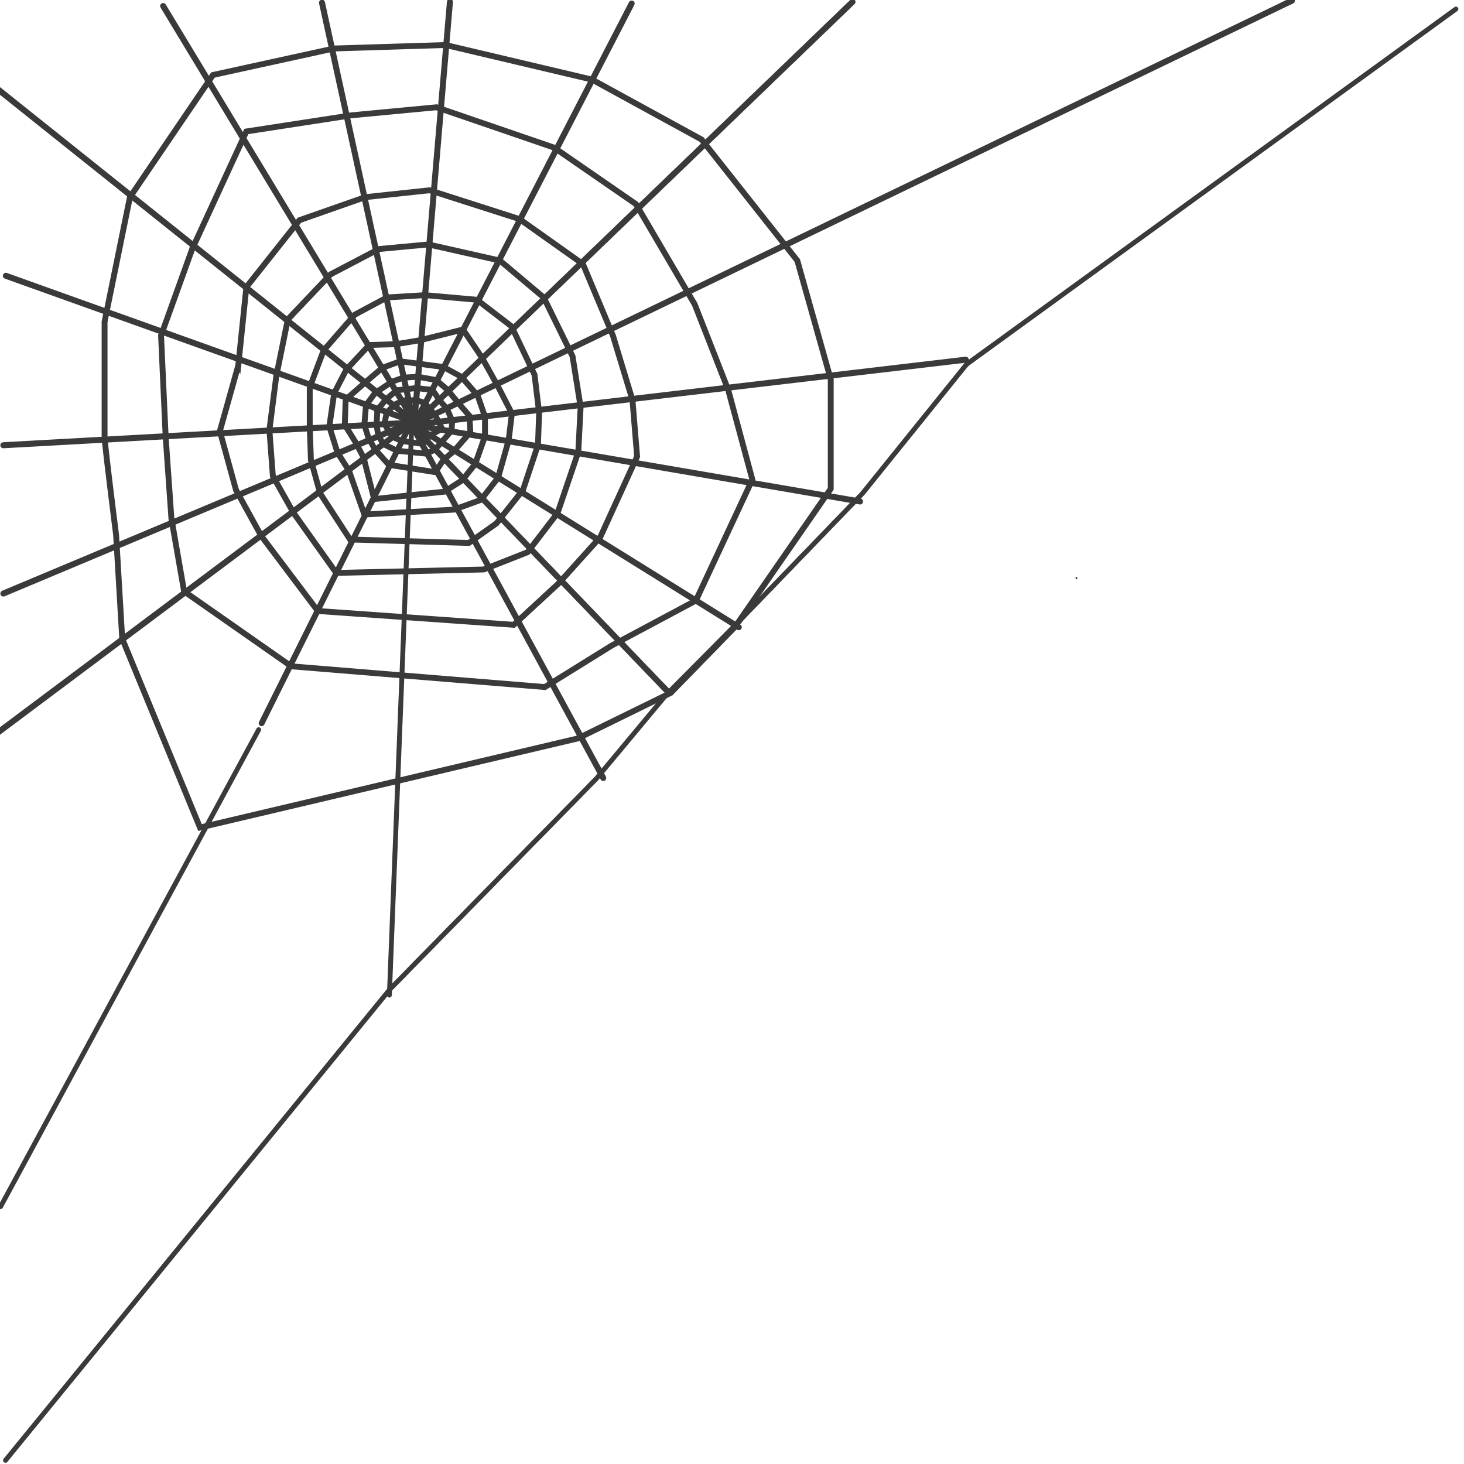
 |  | N33 | 3 | 54 | 🐸, 🐶, 😢, 🔥, 🐛, 🍌 | 🕷, 🩸, 🐛, 🐈, 🦎, 🦷 | ⏳, 💀, 🦅, 🩸, 🦎, 🐍, 🕸 |  | 🩸 | ⏳ | 🦷 | 2
 |  | N34 | 2 | 55 | 🔥, 🩸, 🦷, 🐍, ⏳ | 💀, 🐍, 🐸, 🦅, 🐈, 🦉 | 😢, 🐍, ⏳, 🐸, 🦎 |  | 😢 |  | 🦅 | 1
 |  | N35 | 5 | 56 | 🦷, 🕸, 💀, 🔥, 🐛, 🩸, 🦎 | 🦅, 🦎, 🦷, 🕷, 😢 | 🕸, 🦅, 🕷, 🔥, 🦎, 🐶 |  |  |  | 🐉 | 1
 |  | N36 | 2 | 57 | 🐸, 🦇, 😢, ⏳, 🦎 | 🔥, ⏳, 🐶, 😢, 🐛, 🕸, 🦷 | 🔥, 🐸, 😢, ⏳, 🐍, 🐉 |  |  |  | 🦎 | 1
 |  | N37 | 3 | 58 | 🦎, 🦇, 🦷, ⛓, 🐸, 😢 | 🍌, 🐶, 🦷, 🕸, 🐈, 🐸 | 🦇, 🐸, 🔥, ⛓, 🦷, 🐶 |  |  |  | 😢 | 1
 |  | N38 | 3 | 59 | 🐸, 🔥, ⏳, 🦷, 🐶, 🕷, 🍌 | 🐶, 💀, 🐈, 🩸, 🦇, 🐛 | 🦎, 🔥, ⛓, 🐈, 🦷, 🐶 |  |  |  | 💀 | 1
 |  | N39 | 5 | 60 | 🐸, ⛓, ⏳, 💀, 🦎, 🐍, 🕸 | 🦇, 🍌, 🦷, 🐉, 🦎 | 😢, 🐸, 🐍, 💀, 🔥, 🐈, 🕸 |  |  |  | 🐛 | 1
 |  | N40 | 5 | 61 | 🕷, ⏳, 🐈, 🦎, 🐛 | 🦅, 🐛, 🦷, 🦇, 🔥, 🐈 | 🦎, 🦇, ⛓, 🐍, 🔥, 🍌 |  |  |  | ⏳ | 1
 |  | N41 | 3 | 62 | 🩸, 🐛, 🦷, ⛓, ⏳ | 🐍, ⏳, 🐉, 🐶, 🦅 | 🕷, 🦎, 🦇, 🐶, 🐸, 🦷, 😢
 |  | N42 | 2 | 63 | 🐉, 🦷, 💀, 🐛, ⛓ | ⏳, 😢, ⛓, 🕸, 🔥, 🐶 | ⏳, 😢, 🩸, ⛓, 🐈, 🐸
 |  | N43 | 4 | 64 | 🦎, 🦉, 🐛, 🐸, 🐍, 😢 | 🐍, 💀, 🐈, ⛓, 🩸, 🦉, ⏳ | 🐈, 🍌, ⛓, 💀, 🐍, 🦇
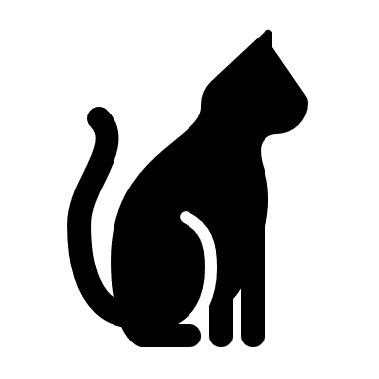
 |  | N44 | 6 | 65 | 😢, 🐶, 🐛, 🔥, 🦇 | ⛓, 🕷, 🐉, 🐍, 🦉, ⏳, 💀 | 🦷, 🕷, 🐉, 🦉, 🐶, 🐛, 😢
 |  | N45 | 4 | 66 | 🐉, 🐸, 🐛, 🦇, ⛓ | 🩸, 🐉, 🕸, 🦎, ⛓ | 🐸, 🍌, 🦷, 🐈, 🩸
 |  | N46 | 3 | 67 | 🐍, 🐸, ⏳, 🐈, 🕷 | 🍌, ⏳, 🦅, 🐸, 🕸, 🦷 | 😢, 🦷, 💀, 🔥, 🐛, 🦇
 |  | N47 | 2 | 68 | 🩸, 😢, 🐛, 🦉, 🦇 | 🦇, 🐶, 🦉, 🐈, 🕸 | 🦎, 🐈, 🦷, 🦇, 💀
 |  | N48 | 1 | 69 | 🦎, 🐉, 🦷, 🕷, 🕸 | 🦎, 🐈, 😢, ⏳, ⛓ | ⛓, 🍌, 🐶, 🐸, 🦎, 🐍
 |  | N49 | 3 | 70 | 🐶, 🦅, 🕷, 🩸, 🐛, 🐉 | 🐛, ⛓, 🦷, 🐉, 🩸, 😢, 🦎 | 🕸, 🐉, ⛓, 😢, 🩸

Birnam Forest
 |  |  |  |  |  |  |  |  |  |  |  |  | 🏰 |  |  |  | 
7 | 6 | 8 | 9 | 12 | 11 | 10 |  | 7 | 6 | 8 | 9 | 12 | 11 | 10 | 11 |  |  |  |  | 6 | 12 |  |  | 7 | 6 | 11 | 9 | 8 | 10 |  |  | 8 | 10
 | 11 |  |  |  |  |  |  | 7 | 8 | 9 | 11 | 10 |  |  |  |  |  |  |  | 12 | 6 |  |  | 12 | 6 | 10 | 7 | 9 | 8 | 11 |  | 6 | 7 | 11 | 12
 |  | 10 |  |  |  |  |  | 6 | 12 |  |  |  |  |  |  |  |  |  |  |  |  |  |  | 12 | 6 | 12 | 8 | 11 | 10 | 7 | 9
 |  |  |  |  |  |  |  |  |  |  |  |  |  |  |  |  |  |  |  |  |  |  |  | 12 | 9
 | ⚔ | 🏹 | 🏇 | ⚔ |  | 🚶 |  |  |  | 🚶 |  | * |  |  |  | * |  |  | * | * | * |  |  | * |  |  |  | * |  | * |  |  | * |  |  | Icon | Description | Point value
 | 🚶 |  |  |  |  | ⚔ | 🏇 |  | 💣 | ⛨ |  | * |  |  |  | * |  | * |  |  |  |  |  | * |  |  |  | * |  | * |  |  | * |  |  | 🚶 | Footman | 3
 | 🏹 |  |  |  |  | 🏹 |  | 👑 |  | 🏹 |  | * |  |  |  | * |  | * |  |  |  |  |  | * |  |  |  | * |  | * |  | * |  |  |  | ⚔ | Infantry | 4
 | 🏇 | 💣 | ⚔ |  |  | 💣 |  |  |  | ⛨ |  | * |  |  |  | * |  | * |  |  |  |  |  | * |  |  |  | * |  | * | * |  |  |  |  | 🏹 | Archers | 5
 | ⛨ |  |  |  |  | 🏇 |  |  |  | 🏇 |  | * |  | * |  | * |  | * |  |  |  |  |  | * |  |  |  | * |  | * |  | * |  |  |  | 🏇 | Cavalry | 6
 | 💣 |  |  |  |  | ⛨ |  |  |  | 🏹 |  | * | * |  | * | * |  | * |  |  |  |  |  | * |  |  |  | * |  | * |  |  | * |  |  | 💣 | Cannon | 7
 | 🏇 |  |  | 🌲 |  | 🚶 |  |  | 🌲 | 🚶 |  | * |  |  |  | * |  |  | * | * | * |  |  |  | * | * | * |  |  | * |  |  | * |  |  | ⛨ | Medic | 8
 |  |  |  |  |  |  |  |  |  |  |  |  |  |  |  |  |  |  |  |  |  |  |  |  |  |  |  |  |  |  |  |  |  |  |  | 👑 | Commander | 9
 |  | 🌲 |  |  |  | 🌲 |  |  |  | 🌲 | 🌲 | 🌲 |  | 🌲 | 🌲 |  | 🌲 | 🌲 |  |  | 🌲 | 🌲 |  | 🌲 | 🌲 | 🌲 |  | 🌲 | 🌲 | 🌲 |  | 🌲

 | 🌲 |  | 🌲 | 🌲 | 🌲 | 🚶 |  | 🌲 | 🌲 | 🚶 | 🌲 | 🌲 |  | 🌲 |  | 🌲 | 🌲 | 🌲 |  |  | 🌲 |  | 🌲 | 🌲 |  | 🌲 |  | 🚶 | 🌲 | 🚶 |  | 🌲
 | 🚶 | 🌲 | 🌲 | 🌲 | 🌲 | 🌲 |  |  |  |  | 🌲 | 🚶 |  |  |  | 🚶 |  | 🚶 |  |  | 🌲 |  | 🌲 | 🌲 |  | 🌲 |  |  | 🌲 | 🌲 |  | 🌲 | 🌲
 | 🌲 |  | 🌲 | 🌲 | 🌲 | 🌲 | 🌲 |  |  |  | 🌲 | 🌲 |  |  |  | 🌲 |  |  | 🌲 | 🌲 |  |  |  |  | 🌲 | 🌲 |  |  |  | 🌲 | 🌲 | 🌲 | 🌲
 | ⚔ | 🌲 | 🌲 | ⚔ |  | 🌲 |  |  |  |  |  | ⚔ |  | 🌲 | 🌲 | ⚔ | 🌲 | 🌲 | ⚔ |  | 🌲 |  |  | 🌲 |  | 🌲 | 🌲 | 🌲 | 🌲 |  | 🚶 |  | ⚔
 |  |  | 🌲 | 🌲 | 🌲 | ⚔ |  |  |  |  | 🌲 |  |  | 🌲 | 🌲 | 🌲 | 🌲 | 🌲 |  | 🌲 | 🌲 | 🌲 |  | ⚔ | 🌲 |  | 🌲 | 🚶 | 🌲 | 🌲 |  | 🌲
MacDuff
 |  | 🌲 | 🌲 |  |  | 🌲 |  |  |  | 🌲 | 🌲 | 🌲 |  | 🌲 | 🌲 | ⚔ | 🌲 | ⚔ | 🌲 |  | 🌲 |  |  | 🌲 |  | 🌲 | 🌲 |  |  | 🌲 |  | ⚔
 |  | 🏹 | ⚔ | 🌲 |  | 🚶 | 🌲 | 🌲 |  | 🚶 | 🌲 | 🌲 | 🌲 | 🌲 | 🌲 |  |  |  | 🚶 |  | 🚶 | 🌲 | 🌲 | 🏹 | 🌲 | 🚶 | 🌲 | 🌲 |  | 🚶 | 🌲 | 🌲 | 🌲
 | 🌲 |  |  |  | 🌲 | 🌲 | 🌲 | 🌲 |  | 🌲 |  | 🌲 |  | ⚔ |  |  | 🌲 | 🌲 | 🌲 | 🌲 | 🌲 |  | 🌲 | 🌲 | 🌲 |  | 🌲 | 🏹 | 🌲 | 🌲 |  |  | 🏹
 | 🏹 | 🌲 | 🌲 |  | 🌲 | 🏹 |  |  |  | 🏹 |  | 🏹 | 🌲 | 🌲 |  | 🌲 | 🌲 | 🌲 |  | 🌲 | 🌲 |  |  | ⚔ | 🌲 | 🌲 | 🌲 | 🌲 |  | 🏹
 | 🌲 |  | 🏇 | 🌲 | 🌲 |  | 🌲 | 🌲 |  | 🌲 | 🌲 |  | 🌲 |  | 🌲 | 🏹 | 🌲 | 🏹 |  | 🏇 |  |  | 🌲 | 🌲 |  |  | ⚔ |  |  |  |  | 🌲
 |  |  |  | 🌲 | 🌲 | 🌲 | 🏇 |  | 🌲 | 🌲 | 🌲 |  | 🌲 |  |  |  |  | 🌲 |  |  | 🌲 |  |  |  |  | 🌲 |  |  | 🌲 | 🌲 | 🌲 | 🏹
 | 🌲 | 🌲 | 🌲 | 🌲 |  |  |  |  | 🌲 | 🏹 |  | 🌲 | 🏹 |  |  | 🌲 | 🌲 | 🏹 | 🌲 |  | 🌲 | 🌲 | 🌲 | 🌲 | 🌲 | 🌲 |  | 🌲 |  | 🏹
 | 🏇 | 🌲 | 🌲 |  | 🌲 | 🌲 |  |  | 🌲 | 🌲 |  | 🏇 | 🌲 |  | 🌲 | 🏹 |  | 🌲 |  |  |  |  | 🌲 | 🏇 | 🏹 | 🌲 | 🌲 | 🏇 | 🌲 | 🌲 |  | 🌲
 | 🌲 |  |  |  | 🌲 | 🏇 |  | 🌲 | 💣 | 🏇 |  | 🌲 |  | 🌲 |  | 🌲 |  | 🏇 | 🌲 | 🌲 |  |  | 🌲 | 🌲 | 🌲 |  | 🌲 | 🌲 | 🌲 | 🏇 | 🌲 |  | 🌲
 | 🌲 | 🌲 | 🌲 |  | 🌲 | 🌲 |  | 🌲 |  |  | 🌲 | 🌲 |  | 🌲 | 🌲 | 🏇 | 🌲 |  |  |  | 🌲 |  | 🌲 | 💣 | 🌲 |  |  | 💣 | 🌲 | 🌲 | 🌲 |  | 🏇

                                                                  
                                                                
                                                                  
                                                                  
                                                                  
                                                              

