A
Taxable income | 140,000
Lower bound | Rate | Income in bracket | Tax
0 | 10% | 20,550 | 2,055
20,550 | 12% | 63,000 | 7,560
83,550 | 22% | 56,450 | 12,419
178,150 | 24% | - | -
340,100 | 32% | - | -
431,900 | 35% | - | -
647,850 | 37% | - | -
 |  | 140,000 | 22,034

US Federal tax rates (2022, married filing jointly)

C
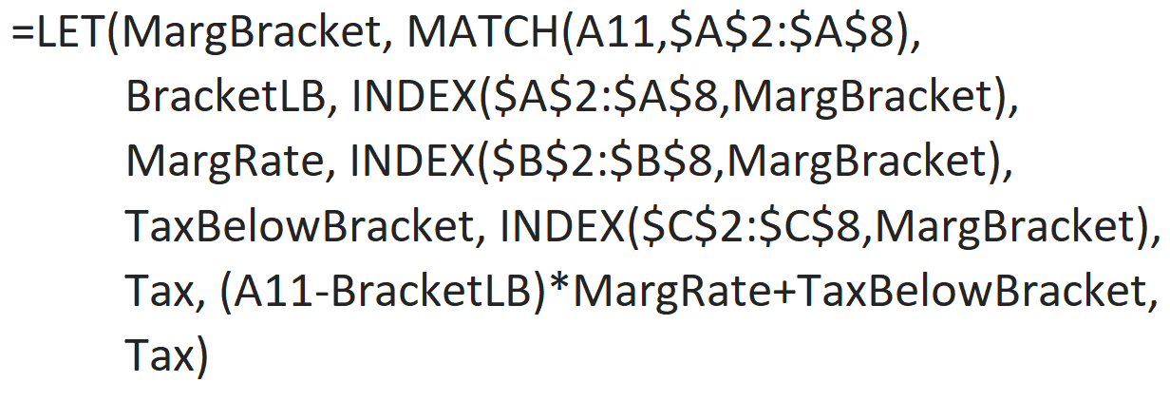
Lower bound | Rate | Tax below
0 | 10% | -
20,550 | 12% | 2,055
83,550 | 22% | 9,615 | 22034
178,150 | 24% | 30,427
340,100 | 32% | 69,295 | 45271
431,900 | 35% | 98,671
647,850 | 37% | 174,254

Taxable income | Tax
140,000 | 22,034
150,000 | 24,234
190,000 | 33,271
240,000 | 45,271
1,000,000 | 304,549

