Report
X | Y1 | Y2 | Y3 | Y4 | Y5 | Y6
1 | 1 | 1 | 1 | -2 | 10 | 5
2 | 2 | 4 | 1.4142135624 | -1 | 20 | 10
3 | 3 | 9 | 1.7320508076 | 0 | 30 | 15
4 | 4 | 16 | 2 | 1 | 40 | 20
5 | 5 | 25 | 2.2360679775 | 2 | 50 | 25
6 | 6 | 36 | 2.4494897428 | 3 | 60 | 30
7 | 7 | 49 | 2.6457513111 | 4 | 70 | 35
8 | 8 | 64 | 2.8284271247 | 5 | 80 | 40

Formats
FROM:
SUBJECT:
DATE:
Mark Biegert
Placeholder
1-Jan-2024
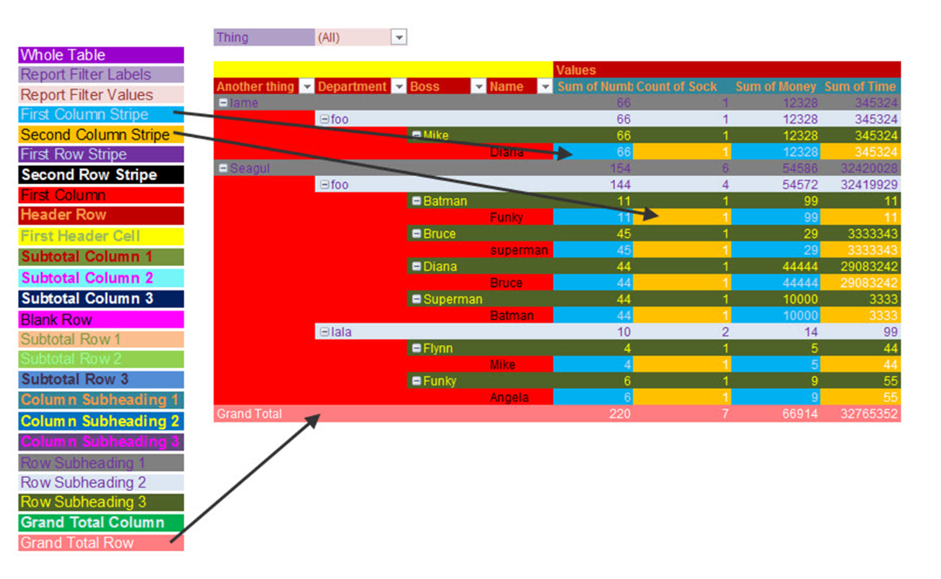
FROM: | Mark Biegert
SUBJECT:
DATE: | 20-Nov-2024

Table Formats

 | Category A | Category B | Category C | Value
 | A | 1 | a | 1
 | A | 2 | b | 2
 | B | 1 | a | 3
 | B | 2 | b | 4
 | C | 1 | a | 5
 | C | 2 | b | 6

 | Sum of Value |  | Category C
 | Category A | Category B | a | b | Grand Total
 | A
 |  | 1 | 1 |  | 1
 |  | 2 |  | 2 | 2
 | B
 |  | 1 | 3 |  | 3
 |  | 2 |  | 4 | 4
 | C
 |  | 1 | 5 |  | 5
 |  | 2 |  | 6 | 6
 | Grand Total |  | 9 | 12 | 21

Tab Colors

 | Data Tabs
 | Report Tabs
 | Analysis Tabs
 | Metadata Tabs

